UBE2Q2 _multivariate
Reported by Tex Li-Hsing Chi. tex@gate.sinica.edu.tw 2019-08-15

Table 2. The clinicopathological features of HNSCC cohort and UBE2Q2 expression. (Chi square test)
Cutoff at -0.143 (50.0%)
 |  | UBE2Q2 expression |  | UBE2Q2 expression |  | (Optimised)
 | Features | Low | (%) | High | (%) | Case no | P-value | Remark | Matthews
Gender | Female | 166 | 40 | 140 | 33.7 | 415 | 0.0041 | 1 | 0
2 | Male | 41 | 9.9 | 68 | 16.4
Age at diagnosis | <=65y | 135 | 32.5 | 139 | 33.5 | 415 | 0.8084 | 0 | 0
4 | >65y | 72 | 17.3 | 69 | 16.6
Clinical T Status | T1+T2 | 70 | 16.9 | 79 | 19 | 415 | 0.4343 | 0 | 0
6 | T3+T4 | 137 | 33 | 129 | 31.1
Clinical N Status | N0 | 100 | 24.1 | 116 | 28 | 415 | 0.1548 | 0 | 0
8 | N1-3 | 107 | 25.8 | 92 | 22.2
Clinical M Status | M0 | 206 | 49.6 | 206 | 49.6 | 415 | 1 | 0 | 0
10 | M1 | 1 | 0.2 | 2 | 0.5
Clinical Stage | Stage I+II | 41 | 9.9 | 61 | 14.7 | 415 | 0.0325 | 1 | 0
12 | Stage III+IV | 166 | 40 | 147 | 35.4
Surgical Margin status | Negative | 161 | 38.8 | 157 | 37.8 | 415 | 0.6429 | 0 | 0
14 | Positive | 46 | 11.1 | 51 | 12.3
Tobacco Exposure | Low | 70 | 16.9 | 91 | 21.9 | 415 | 0.0439 | 1 | 0
16 | High | 137 | 33 | 117 | 28.2

Table 3. Univariate/Multivariate Cox's proportional hazards regression analyses on OS time of UBE2Q2 gene expression in HNSCC

 |  | Univariate |  |  |  | Multivariate
 | Features | HR | CI95%(L) | CI95%(H) | P-value | HR | CI95%(L) | CI95%(H) | P-value
1 | Female | 1 |  |  |  | 1
Gender | Male | 1.157 | 0.843 | 1.587 | 0.367 | 1.241 | 0.881 | 1.749 | 0.217
11 | <=65y | 1 |  |  |  | 1
Age at diagnosis | >65y | 1.329 | 0.99 | 1.784 | 0.058 | 1.37 | 1.006 | 1.867 | 0.046
12 | T1+T2 | 1 |  |  |  | 1
Clinical T Status | T3+T4 | 1.409 | 1.028 | 1.931 | 0.033 | 2.235 | 1.181 | 4.23 | 0.013
13 | N0 | 1 |  |  |  | 1
Clinical N Status | N1-3 | 1.185 | 0.89 | 1.577 | 0.246 | 1.235 | 0.865 | 1.762 | 0.245
14 | M0 | 1 |  |  |  | 1
Clinical M Status | M1 | 4.097 | 1.009 | 16.644 | 0.049 | 10.077 | 2.181 | 46.565 | 0.003
15 | Stage I+II | 1 |  |  |  | 1
Clinical Stage | Stage III+IV | 1.245 | 0.882 | 1.759 | 0.213 | 0.486 | 0.225 | 1.048 | 0.066
16 | Negative | 1 |  |  |  | 1
Surgical Margin status | Positive | 1.591 | 1.155 | 2.191 | 0.004 | 1.687 | 1.22 | 2.333 | 0.002
17 | Low | 1 |  |  |  | 1
Tobacco Exposure | High | 1.364 | 1.008 | 1.844 | 0.044 | 1.452 | 1.053 | 2.001 | 0.023
18 | Low | 1 |  |  |  | 1
RNAseq(z-score) | High | 0.906 | 0.68 | 1.207 | 0.499 | 0.874 | 0.646 | 1.183 | 0.383

Table 4. Univariate/Multivariate Cox's proportional hazards regression analyses on RFS time of UBE2Q2 gene expression in HNSCC

 |  | Univariate |  |  |  | Multivariate
 | Features | HR | CI95%(L) | CI95%(H) | P-value | HR | CI95%(L) | CI95%(H) | P-value
1 | Female | 1 |  |  |  | 1
Gender | Male | 1.157 | 0.843 | 1.587 | 0.367 | 1.241 | 0.881 | 1.749 | 0.217
11 | <=65y | 1 |  |  |  | 1
Age at diagnosis | >65y | 1.329 | 0.99 | 1.784 | 0.058 | 1.37 | 1.006 | 1.867 | 0.046
12 | T1+T2 | 1 |  |  |  | 1
Clinical T Status | T3+T4 | 1.409 | 1.028 | 1.931 | 0.033 | 2.235 | 1.181 | 4.23 | 0.013
13 | N0 | 1 |  |  |  | 1
Clinical N Status | N1-3 | 1.185 | 0.89 | 1.577 | 0.246 | 1.235 | 0.865 | 1.762 | 0.245
14 | M0 | 1 |  |  |  | 1
Clinical M Status | M1 | 4.097 | 1.009 | 16.644 | 0.049 | 10.077 | 2.181 | 46.565 | 0.003
15 | Stage I+II | 1 |  |  |  | 1
Clinical Stage | Stage III+IV | 1.245 | 0.882 | 1.759 | 0.213 | 0.486 | 0.225 | 1.048 | 0.066
16 | Negative | 1 |  |  |  | 1
Surgical Margin status | Positive | 1.591 | 1.155 | 2.191 | 0.004 | 1.687 | 1.22 | 2.333 | 0.002
17 | Low | 1 |  |  |  | 1
Tobacco Exposure | High | 1.364 | 1.008 | 1.844 | 0.044 | 1.452 | 1.053 | 2.001 | 0.023
18 | Low | 1 |  |  |  | 1
RNAseq(z-score) | High | 0.906 | 0.68 | 1.207 | 0.499 | 0.874 | 0.646 | 1.183 | 0.383

Kaplan-Meier survival estimate: Cutoff at -0.143 (50.0%)



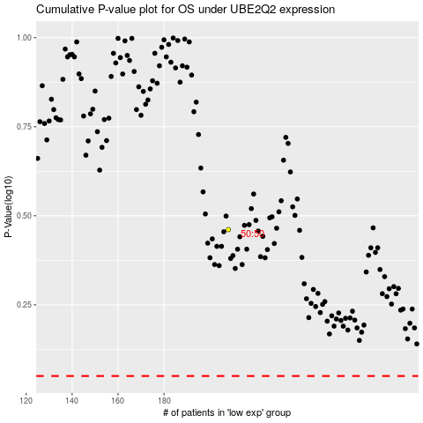

 |  |  |  |  |  | cases_OS | p_OS | rank | exp
 |  |  |  |  |  |  | cases_RFS | p_RFS | rank | exp

