UBE2QL1 _multivariate
Reported by Tex Li-Hsing Chi. tex@gate.sinica.edu.tw 2019-08-15

Table 2. The clinicopathological features of HNSCC cohort and UBE2QL1 expression. (Chi square test)
Cutoff at -0.324 (50.0%)
 |  | UBE2QL1 expression |  | UBE2QL1 expression |  | (Optimised)
 | Features | Low | (%) | High | (%) | Case no | P-value | Remark | Matthews
Gender | Female | 153 | 36.9 | 153 | 36.9 | 415 | 1 | 0 | 0
2 | Male | 54 | 13 | 55 | 13.3
Age at diagnosis | <=65y | 127 | 30.6 | 147 | 35.4 | 415 | 0.0573 | 0 | 0
4 | >65y | 80 | 19.3 | 61 | 14.7
Clinical T Status | T1+T2 | 61 | 14.7 | 88 | 21.2 | 415 | 0.0087 | 1 | 0
6 | T3+T4 | 146 | 35.2 | 120 | 28.9
Clinical N Status | N0 | 100 | 24.1 | 116 | 28 | 415 | 0.1548 | 0 | 0
8 | N1-3 | 107 | 25.8 | 92 | 22.2
Clinical M Status | M0 | 205 | 49.4 | 207 | 49.9 | 415 | 0.6232 | 0 | 0
10 | M1 | 2 | 0.5 | 1 | 0.2
Clinical Stage | Stage I+II | 38 | 9.2 | 64 | 15.4 | 415 | 0.0048 | 1 | 0
12 | Stage III+IV | 169 | 40.7 | 144 | 34.7
Surgical Margin status | Negative | 159 | 38.3 | 159 | 38.3 | 415 | 1 | 0 | 0
14 | Positive | 48 | 11.6 | 49 | 11.8
Tobacco Exposure | Low | 83 | 20 | 78 | 18.8 | 415 | 0.6152 | 0 | 0
16 | High | 124 | 29.9 | 130 | 31.3

Table 3. Univariate/Multivariate Cox's proportional hazards regression analyses on OS time of UBE2QL1 gene expression in HNSCC

 |  | Univariate |  |  |  | Multivariate
 | Features | HR | CI95%(L) | CI95%(H) | P-value | HR | CI95%(L) | CI95%(H) | P-value
1 | Female | 1 |  |  |  | 1
Gender | Male | 1.157 | 0.843 | 1.587 | 0.367 | 1.201 | 0.86 | 1.678 | 0.283
11 | <=65y | 1 |  |  |  | 1
Age at diagnosis | >65y | 1.329 | 0.99 | 1.784 | 0.058 | 1.395 | 1.025 | 1.899 | 0.034
12 | T1+T2 | 1 |  |  |  | 1
Clinical T Status | T3+T4 | 1.409 | 1.028 | 1.931 | 0.033 | 2.205 | 1.166 | 4.169 | 0.015
13 | N0 | 1 |  |  |  | 1
Clinical N Status | N1-3 | 1.185 | 0.89 | 1.577 | 0.246 | 1.242 | 0.87 | 1.772 | 0.233
14 | M0 | 1 |  |  |  | 1
Clinical M Status | M1 | 4.097 | 1.009 | 16.644 | 0.049 | 9.423 | 2.055 | 43.201 | 0.004
15 | Stage I+II | 1 |  |  |  | 1
Clinical Stage | Stage III+IV | 1.245 | 0.882 | 1.759 | 0.213 | 0.506 | 0.236 | 1.088 | 0.081
16 | Negative | 1 |  |  |  | 1
Surgical Margin status | Positive | 1.591 | 1.155 | 2.191 | 0.004 | 1.671 | 1.209 | 2.309 | 0.002
17 | Low | 1 |  |  |  | 1
Tobacco Exposure | High | 1.364 | 1.008 | 1.844 | 0.044 | 1.45 | 1.052 | 1.999 | 0.023
18 | Low | 1 |  |  |  | 1
RNAseq(z-score) | High | 0.992 | 0.745 | 1.322 | 0.956 | 1.028 | 0.768 | 1.377 | 0.852

Table 4. Univariate/Multivariate Cox's proportional hazards regression analyses on RFS time of UBE2QL1 gene expression in HNSCC

 |  | Univariate |  |  |  | Multivariate
 | Features | HR | CI95%(L) | CI95%(H) | P-value | HR | CI95%(L) | CI95%(H) | P-value
1 | Female | 1 |  |  |  | 1
Gender | Male | 1.157 | 0.843 | 1.587 | 0.367 | 1.201 | 0.86 | 1.678 | 0.283
11 | <=65y | 1 |  |  |  | 1
Age at diagnosis | >65y | 1.329 | 0.99 | 1.784 | 0.058 | 1.395 | 1.025 | 1.899 | 0.034
12 | T1+T2 | 1 |  |  |  | 1
Clinical T Status | T3+T4 | 1.409 | 1.028 | 1.931 | 0.033 | 2.205 | 1.166 | 4.169 | 0.015
13 | N0 | 1 |  |  |  | 1
Clinical N Status | N1-3 | 1.185 | 0.89 | 1.577 | 0.246 | 1.242 | 0.87 | 1.772 | 0.233
14 | M0 | 1 |  |  |  | 1
Clinical M Status | M1 | 4.097 | 1.009 | 16.644 | 0.049 | 9.423 | 2.055 | 43.201 | 0.004
15 | Stage I+II | 1 |  |  |  | 1
Clinical Stage | Stage III+IV | 1.245 | 0.882 | 1.759 | 0.213 | 0.506 | 0.236 | 1.088 | 0.081
16 | Negative | 1 |  |  |  | 1
Surgical Margin status | Positive | 1.591 | 1.155 | 2.191 | 0.004 | 1.671 | 1.209 | 2.309 | 0.002
17 | Low | 1 |  |  |  | 1
Tobacco Exposure | High | 1.364 | 1.008 | 1.844 | 0.044 | 1.45 | 1.052 | 1.999 | 0.023
18 | Low | 1 |  |  |  | 1
RNAseq(z-score) | High | 0.992 | 0.745 | 1.322 | 0.956 | 1.028 | 0.768 | 1.377 | 0.852

Kaplan-Meier survival estimate: Cutoff at -0.324 (50.0%)



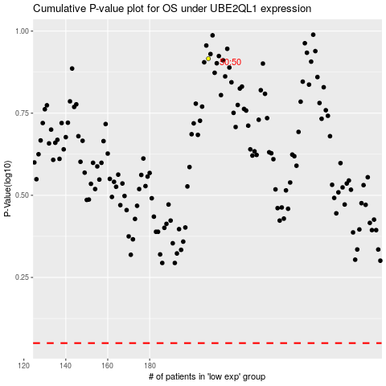

 |  |  |  |  |  | cases_OS | p_OS | rank | exp
 |  |  |  |  |  |  | cases_RFS | p_RFS | rank | exp

