UBE2R2 _multivariate
Reported by Tex Li-Hsing Chi. tex@gate.sinica.edu.tw 2019-08-15

Table 2. The clinicopathological features of HNSCC cohort and UBE2R2 expression. (Chi square test)
Cutoff at -0.15 (50.0%)
 |  | UBE2R2 expression |  | UBE2R2 expression |  | (Optimised)
 | Features | Low | (%) | High | (%) | Case no | P-value | Remark | Matthews
Gender | Female | 162 | 39 | 144 | 34.7 | 415 | 0.0479 | 1 | 0
2 | Male | 45 | 10.8 | 64 | 15.4
Age at diagnosis | <=65y | 148 | 35.7 | 126 | 30.4 | 415 | 0.0248 | 1 | 0
4 | >65y | 59 | 14.2 | 82 | 19.8
Clinical T Status | T1+T2 | 79 | 19 | 70 | 16.9 | 415 | 0.3924 | 0 | 0
6 | T3+T4 | 128 | 30.8 | 138 | 33.3
Clinical N Status | N0 | 102 | 24.6 | 114 | 27.5 | 415 | 0.3031 | 0 | 0
8 | N1-3 | 105 | 25.3 | 94 | 22.7
Clinical M Status | M0 | 204 | 49.2 | 208 | 50.1 | 415 | 0.1232 | 0 | 0
10 | M1 | 3 | 0.7 | 0 | 0
Clinical Stage | Stage I+II | 44 | 10.6 | 58 | 14 | 415 | 0.1459 | 0 | 0
12 | Stage III+IV | 163 | 39.3 | 150 | 36.1
Surgical Margin status | Negative | 154 | 37.1 | 164 | 39.5 | 415 | 0.2984 | 0 | 0
14 | Positive | 53 | 12.8 | 44 | 10.6
Tobacco Exposure | Low | 73 | 17.6 | 88 | 21.2 | 415 | 0.1587 | 0 | 0
16 | High | 134 | 32.3 | 120 | 28.9

Table 3. Univariate/Multivariate Cox's proportional hazards regression analyses on OS time of UBE2R2 gene expression in HNSCC

 |  | Univariate |  |  |  | Multivariate
 | Features | HR | CI95%(L) | CI95%(H) | P-value | HR | CI95%(L) | CI95%(H) | P-value
1 | Female | 1 |  |  |  | 1
Gender | Male | 1.157 | 0.843 | 1.587 | 0.367 | 1.201 | 0.859 | 1.678 | 0.284
11 | <=65y | 1 |  |  |  | 1
Age at diagnosis | >65y | 1.329 | 0.99 | 1.784 | 0.058 | 1.383 | 1.017 | 1.881 | 0.039
12 | T1+T2 | 1 |  |  |  | 1
Clinical T Status | T3+T4 | 1.409 | 1.028 | 1.931 | 0.033 | 2.137 | 1.125 | 4.062 | 0.02
13 | N0 | 1 |  |  |  | 1
Clinical N Status | N1-3 | 1.185 | 0.89 | 1.577 | 0.246 | 1.233 | 0.864 | 1.76 | 0.247
14 | M0 | 1 |  |  |  | 1
Clinical M Status | M1 | 4.097 | 1.009 | 16.644 | 0.049 | 9.702 | 2.112 | 44.574 | 0.003
15 | Stage I+II | 1 |  |  |  | 1
Clinical Stage | Stage III+IV | 1.245 | 0.882 | 1.759 | 0.213 | 0.526 | 0.243 | 1.137 | 0.102
16 | Negative | 1 |  |  |  | 1
Surgical Margin status | Positive | 1.591 | 1.155 | 2.191 | 0.004 | 1.668 | 1.207 | 2.304 | 0.002
17 | Low | 1 |  |  |  | 1
Tobacco Exposure | High | 1.364 | 1.008 | 1.844 | 0.044 | 1.468 | 1.064 | 2.027 | 0.02
18 | Low | 1 |  |  |  | 1
RNAseq(z-score) | High | 1.146 | 0.858 | 1.532 | 0.356 | 1.12 | 0.833 | 1.507 | 0.453

Table 4. Univariate/Multivariate Cox's proportional hazards regression analyses on RFS time of UBE2R2 gene expression in HNSCC

 |  | Univariate |  |  |  | Multivariate
 | Features | HR | CI95%(L) | CI95%(H) | P-value | HR | CI95%(L) | CI95%(H) | P-value
1 | Female | 1 |  |  |  | 1
Gender | Male | 1.157 | 0.843 | 1.587 | 0.367 | 1.201 | 0.859 | 1.678 | 0.284
11 | <=65y | 1 |  |  |  | 1
Age at diagnosis | >65y | 1.329 | 0.99 | 1.784 | 0.058 | 1.383 | 1.017 | 1.881 | 0.039
12 | T1+T2 | 1 |  |  |  | 1
Clinical T Status | T3+T4 | 1.409 | 1.028 | 1.931 | 0.033 | 2.137 | 1.125 | 4.062 | 0.02
13 | N0 | 1 |  |  |  | 1
Clinical N Status | N1-3 | 1.185 | 0.89 | 1.577 | 0.246 | 1.233 | 0.864 | 1.76 | 0.247
14 | M0 | 1 |  |  |  | 1
Clinical M Status | M1 | 4.097 | 1.009 | 16.644 | 0.049 | 9.702 | 2.112 | 44.574 | 0.003
15 | Stage I+II | 1 |  |  |  | 1
Clinical Stage | Stage III+IV | 1.245 | 0.882 | 1.759 | 0.213 | 0.526 | 0.243 | 1.137 | 0.102
16 | Negative | 1 |  |  |  | 1
Surgical Margin status | Positive | 1.591 | 1.155 | 2.191 | 0.004 | 1.668 | 1.207 | 2.304 | 0.002
17 | Low | 1 |  |  |  | 1
Tobacco Exposure | High | 1.364 | 1.008 | 1.844 | 0.044 | 1.468 | 1.064 | 2.027 | 0.02
18 | Low | 1 |  |  |  | 1
RNAseq(z-score) | High | 1.146 | 0.858 | 1.532 | 0.356 | 1.12 | 0.833 | 1.507 | 0.453

Kaplan-Meier survival estimate: Cutoff at -0.15 (50.0%)



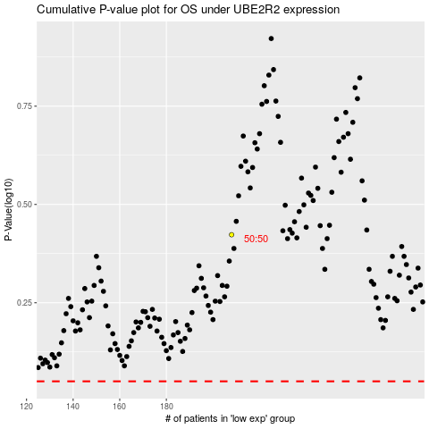

 |  |  |  |  |  | cases_OS | p_OS | rank | exp
 |  |  |  |  |  |  | cases_RFS | p_RFS | rank | exp

