UBE2S _multivariate
Reported by Tex Li-Hsing Chi. tex@gate.sinica.edu.tw 2019-08-15

Table 2. The clinicopathological features of HNSCC cohort and UBE2S expression. (Chi square test)
Cutoff at -0.192 (49.8%)
 |  | UBE2S expression |  | UBE2S expression |  | (Optimised)
 | Features | Low | (%) | High | (%) | Case no | P-value | Remark | Matthews
Gender | Female | 140 | 33.7 | 166 | 40 | 415 | 0.0068 | 1 | 0
2 | Male | 67 | 16.1 | 42 | 10.1
Age at diagnosis | <=65y | 135 | 32.5 | 139 | 33.5 | 415 | 0.8084 | 0 | 0
4 | >65y | 72 | 17.3 | 69 | 16.6
Clinical T Status | T1+T2 | 70 | 16.9 | 79 | 19 | 415 | 0.4343 | 0 | 0
6 | T3+T4 | 137 | 33 | 129 | 31.1
Clinical N Status | N0 | 113 | 27.2 | 103 | 24.8 | 415 | 0.3495 | 1 | 0
8 | N1-3 | 94 | 22.7 | 105 | 25.3
Clinical M Status | M0 | 207 | 49.9 | 205 | 49.4 | 415 | 0.2482 | 0 | 0
10 | M1 | 0 | 0 | 3 | 0.7
Clinical Stage | Stage I+II | 50 | 12 | 52 | 12.5 | 415 | 0.9315 | 0 | 0
12 | Stage III+IV | 157 | 37.8 | 156 | 37.6
Surgical Margin status | Negative | 164 | 39.5 | 154 | 37.1 | 415 | 0.2462 | 0 | 0
14 | Positive | 43 | 10.4 | 54 | 13
Tobacco Exposure | Low | 91 | 21.9 | 70 | 16.9 | 415 | 0.0346 | 1 | 0
16 | High | 116 | 28 | 138 | 33.3

Table 3. Univariate/Multivariate Cox's proportional hazards regression analyses on OS time of UBE2S gene expression in HNSCC

 |  | Univariate |  |  |  | Multivariate
 | Features | HR | CI95%(L) | CI95%(H) | P-value | HR | CI95%(L) | CI95%(H) | P-value
1 | Female | 1 |  |  |  | 1
Gender | Male | 1.157 | 0.843 | 1.587 | 0.367 | 1.194 | 0.853 | 1.67 | 0.301
11 | <=65y | 1 |  |  |  | 1
Age at diagnosis | >65y | 1.329 | 0.99 | 1.784 | 0.058 | 1.391 | 1.024 | 1.892 | 0.035
12 | T1+T2 | 1 |  |  |  | 1
Clinical T Status | T3+T4 | 1.409 | 1.028 | 1.931 | 0.033 | 2.206 | 1.167 | 4.172 | 0.015
13 | N0 | 1 |  |  |  | 1
Clinical N Status | N1-3 | 1.185 | 0.89 | 1.577 | 0.246 | 1.252 | 0.875 | 1.791 | 0.219
14 | M0 | 1 |  |  |  | 1
Clinical M Status | M1 | 4.097 | 1.009 | 16.644 | 0.049 | 9.671 | 2.096 | 44.627 | 0.004
15 | Stage I+II | 1 |  |  |  | 1
Clinical Stage | Stage III+IV | 1.245 | 0.882 | 1.759 | 0.213 | 0.499 | 0.232 | 1.074 | 0.075
16 | Negative | 1 |  |  |  | 1
Surgical Margin status | Positive | 1.591 | 1.155 | 2.191 | 0.004 | 1.678 | 1.214 | 2.321 | 0.002
17 | Low | 1 |  |  |  | 1
Tobacco Exposure | High | 1.364 | 1.008 | 1.844 | 0.044 | 1.463 | 1.06 | 2.02 | 0.021
18 | Low | 1 |  |  |  | 1
RNAseq(z-score) | High | 1.012 | 0.76 | 1.348 | 0.933 | 0.943 | 0.701 | 1.267 | 0.696

Table 4. Univariate/Multivariate Cox's proportional hazards regression analyses on RFS time of UBE2S gene expression in HNSCC

 |  | Univariate |  |  |  | Multivariate
 | Features | HR | CI95%(L) | CI95%(H) | P-value | HR | CI95%(L) | CI95%(H) | P-value
1 | Female | 1 |  |  |  | 1
Gender | Male | 1.157 | 0.843 | 1.587 | 0.367 | 1.194 | 0.853 | 1.67 | 0.301
11 | <=65y | 1 |  |  |  | 1
Age at diagnosis | >65y | 1.329 | 0.99 | 1.784 | 0.058 | 1.391 | 1.024 | 1.892 | 0.035
12 | T1+T2 | 1 |  |  |  | 1
Clinical T Status | T3+T4 | 1.409 | 1.028 | 1.931 | 0.033 | 2.206 | 1.167 | 4.172 | 0.015
13 | N0 | 1 |  |  |  | 1
Clinical N Status | N1-3 | 1.185 | 0.89 | 1.577 | 0.246 | 1.252 | 0.875 | 1.791 | 0.219
14 | M0 | 1 |  |  |  | 1
Clinical M Status | M1 | 4.097 | 1.009 | 16.644 | 0.049 | 9.671 | 2.096 | 44.627 | 0.004
15 | Stage I+II | 1 |  |  |  | 1
Clinical Stage | Stage III+IV | 1.245 | 0.882 | 1.759 | 0.213 | 0.499 | 0.232 | 1.074 | 0.075
16 | Negative | 1 |  |  |  | 1
Surgical Margin status | Positive | 1.591 | 1.155 | 2.191 | 0.004 | 1.678 | 1.214 | 2.321 | 0.002
17 | Low | 1 |  |  |  | 1
Tobacco Exposure | High | 1.364 | 1.008 | 1.844 | 0.044 | 1.463 | 1.06 | 2.02 | 0.021
18 | Low | 1 |  |  |  | 1
RNAseq(z-score) | High | 1.012 | 0.76 | 1.348 | 0.933 | 0.943 | 0.701 | 1.267 | 0.696

Kaplan-Meier survival estimate: Cutoff at -0.192 (49.8%)



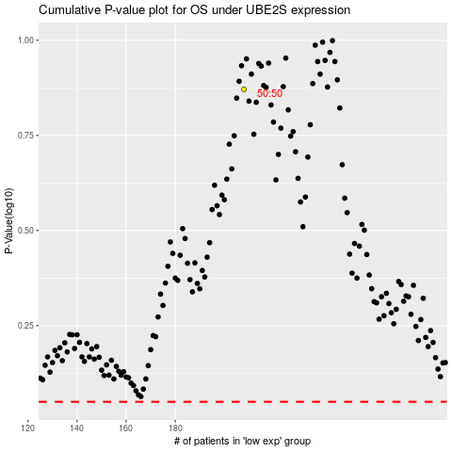

 |  |  |  |  |  | cases_OS | p_OS | rank | exp
 |  |  |  |  |  |  | cases_RFS | p_RFS | rank | exp

