UBE2V2 _multivariate
Reported by Tex Li-Hsing Chi. tex@gate.sinica.edu.tw 2019-08-15

Table 2. The clinicopathological features of HNSCC cohort and UBE2V2 expression. (Chi square test)
Cutoff at -0.152 (50.0%)
 |  | UBE2V2 expression |  | UBE2V2 expression |  | (Optimised)
 | Features | Low | (%) | High | (%) | Case no | P-value | Remark | Matthews
Gender | Female | 153 | 36.9 | 153 | 36.9 | 415 | 1 | 0 | 0
2 | Male | 54 | 13 | 55 | 13.3
Age at diagnosis | <=65y | 143 | 34.5 | 131 | 31.6 | 415 | 0.2269 | 0 | 0
4 | >65y | 64 | 15.4 | 77 | 18.6
Clinical T Status | T1+T2 | 71 | 17.1 | 78 | 18.8 | 415 | 0.5638 | 0 | 0
6 | T3+T4 | 136 | 32.8 | 130 | 31.3
Clinical N Status | N0 | 111 | 26.7 | 105 | 25.3 | 415 | 0.5875 | 0 | 0
8 | N1-3 | 96 | 23.1 | 103 | 24.8
Clinical M Status | M0 | 204 | 49.2 | 208 | 50.1 | 415 | 0.1232 | 0 | 0
10 | M1 | 3 | 0.7 | 0 | 0
Clinical Stage | Stage I+II | 47 | 11.3 | 55 | 13.3 | 415 | 0.4413 | 0 | 0
12 | Stage III+IV | 160 | 38.6 | 153 | 36.9
Surgical Margin status | Negative | 159 | 38.3 | 159 | 38.3 | 415 | 1 | 0 | 0
14 | Positive | 48 | 11.6 | 49 | 11.8
Tobacco Exposure | Low | 76 | 18.3 | 85 | 20.5 | 415 | 0.4207 | 0 | 0
16 | High | 131 | 31.6 | 123 | 29.6

Table 3. Univariate/Multivariate Cox's proportional hazards regression analyses on OS time of UBE2V2 gene expression in HNSCC

 |  | Univariate |  |  |  | Multivariate
 | Features | HR | CI95%(L) | CI95%(H) | P-value | HR | CI95%(L) | CI95%(H) | P-value
1 | Female | 1 |  |  |  | 1
Gender | Male | 1.157 | 0.843 | 1.587 | 0.367 | 1.205 | 0.862 | 1.683 | 0.275
11 | <=65y | 1 |  |  |  | 1
Age at diagnosis | >65y | 1.329 | 0.99 | 1.784 | 0.058 | 1.388 | 1.021 | 1.887 | 0.036
12 | T1+T2 | 1 |  |  |  | 1
Clinical T Status | T3+T4 | 1.409 | 1.028 | 1.931 | 0.033 | 2.198 | 1.163 | 4.155 | 0.015
13 | N0 | 1 |  |  |  | 1
Clinical N Status | N1-3 | 1.185 | 0.89 | 1.577 | 0.246 | 1.233 | 0.863 | 1.76 | 0.25
14 | M0 | 1 |  |  |  | 1
Clinical M Status | M1 | 4.097 | 1.009 | 16.644 | 0.049 | 9.749 | 2.113 | 44.978 | 0.004
15 | Stage I+II | 1 |  |  |  | 1
Clinical Stage | Stage III+IV | 1.245 | 0.882 | 1.759 | 0.213 | 0.514 | 0.239 | 1.106 | 0.089
16 | Negative | 1 |  |  |  | 1
Surgical Margin status | Positive | 1.591 | 1.155 | 2.191 | 0.004 | 1.661 | 1.201 | 2.297 | 0.002
17 | Low | 1 |  |  |  | 1
Tobacco Exposure | High | 1.364 | 1.008 | 1.844 | 0.044 | 1.453 | 1.054 | 2.002 | 0.022
18 | Low | 1 |  |  |  | 1
RNAseq(z-score) | High | 1.059 | 0.795 | 1.411 | 0.693 | 1.077 | 0.804 | 1.444 | 0.618

Table 4. Univariate/Multivariate Cox's proportional hazards regression analyses on RFS time of UBE2V2 gene expression in HNSCC

 |  | Univariate |  |  |  | Multivariate
 | Features | HR | CI95%(L) | CI95%(H) | P-value | HR | CI95%(L) | CI95%(H) | P-value
1 | Female | 1 |  |  |  | 1
Gender | Male | 1.157 | 0.843 | 1.587 | 0.367 | 1.205 | 0.862 | 1.683 | 0.275
11 | <=65y | 1 |  |  |  | 1
Age at diagnosis | >65y | 1.329 | 0.99 | 1.784 | 0.058 | 1.388 | 1.021 | 1.887 | 0.036
12 | T1+T2 | 1 |  |  |  | 1
Clinical T Status | T3+T4 | 1.409 | 1.028 | 1.931 | 0.033 | 2.198 | 1.163 | 4.155 | 0.015
13 | N0 | 1 |  |  |  | 1
Clinical N Status | N1-3 | 1.185 | 0.89 | 1.577 | 0.246 | 1.233 | 0.863 | 1.76 | 0.25
14 | M0 | 1 |  |  |  | 1
Clinical M Status | M1 | 4.097 | 1.009 | 16.644 | 0.049 | 9.749 | 2.113 | 44.978 | 0.004
15 | Stage I+II | 1 |  |  |  | 1
Clinical Stage | Stage III+IV | 1.245 | 0.882 | 1.759 | 0.213 | 0.514 | 0.239 | 1.106 | 0.089
16 | Negative | 1 |  |  |  | 1
Surgical Margin status | Positive | 1.591 | 1.155 | 2.191 | 0.004 | 1.661 | 1.201 | 2.297 | 0.002
17 | Low | 1 |  |  |  | 1
Tobacco Exposure | High | 1.364 | 1.008 | 1.844 | 0.044 | 1.453 | 1.054 | 2.002 | 0.022
18 | Low | 1 |  |  |  | 1
RNAseq(z-score) | High | 1.059 | 0.795 | 1.411 | 0.693 | 1.077 | 0.804 | 1.444 | 0.618

Kaplan-Meier survival estimate: Cutoff at -0.152 (50.0%)



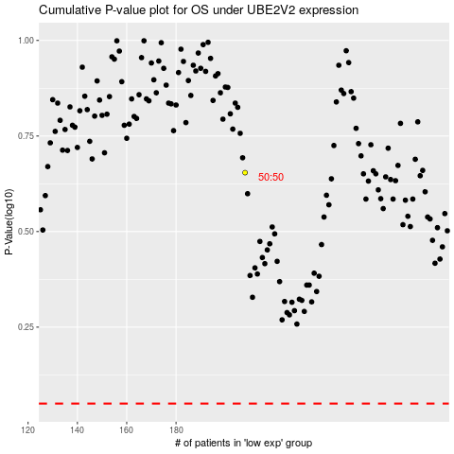

 |  |  |  |  |  | cases_OS | p_OS | rank | exp
 |  |  |  |  |  |  | cases_RFS | p_RFS | rank | exp

