UBE2W _multivariate
Reported by Tex Li-Hsing Chi. tex@gate.sinica.edu.tw 2019-08-15

Table 2. The clinicopathological features of HNSCC cohort and UBE2W expression. (Chi square test)
Cutoff at -0.398 (31.2%)
 |  | UBE2W expression |  | UBE2W expression |  | (Optimised)
 | Features | Low | (%) | High | (%) | Case no | P-value | Remark | Matthews
Gender | Female | 90 | 21.7 | 216 | 52 | 415 | 0.2657 | 0 | 0
2 | Male | 39 | 9.4 | 70 | 16.9
Age at diagnosis | <=65y | 79 | 19 | 195 | 47 | 415 | 0.2041 | 0 | 0
4 | >65y | 50 | 12 | 91 | 21.9
Clinical T Status | T1+T2 | 47 | 11.3 | 102 | 24.6 | 415 | 0.9675 | 0 | 0
6 | T3+T4 | 82 | 19.8 | 184 | 44.3
Clinical N Status | N0 | 72 | 17.3 | 144 | 34.7 | 415 | 0.3549 | 0 | 0
8 | N1-3 | 57 | 13.7 | 142 | 34.2
Clinical M Status | M0 | 128 | 30.8 | 284 | 68.4 | 415 | 1 | 0 | 0
10 | M1 | 1 | 0.2 | 2 | 0.5
Clinical Stage | Stage I+II | 31 | 7.5 | 71 | 17.1 | 415 | 0.9595 | 0 | 0
12 | Stage III+IV | 98 | 23.6 | 215 | 51.8
Surgical Margin status | Negative | 99 | 23.9 | 219 | 52.8 | 415 | 1 | 0 | 0
14 | Positive | 30 | 7.2 | 67 | 16.1
Tobacco Exposure | Low | 52 | 12.5 | 109 | 26.3 | 415 | 0.7441 | 0 | 0
16 | High | 77 | 18.6 | 177 | 42.7

Table 3. Univariate/Multivariate Cox's proportional hazards regression analyses on OS time of UBE2W gene expression in HNSCC

 |  | Univariate |  |  |  | Multivariate
 | Features | HR | CI95%(L) | CI95%(H) | P-value | HR | CI95%(L) | CI95%(H) | P-value
1 | Female | 1 |  |  |  | 1
Gender | Male | 1.157 | 0.843 | 1.587 | 0.367 | 1.233 | 0.883 | 1.721 | 0.219
11 | <=65y | 1 |  |  |  | 1
Age at diagnosis | >65y | 1.329 | 0.99 | 1.784 | 0.058 | 1.432 | 1.052 | 1.95 | 0.022
12 | T1+T2 | 1 |  |  |  | 1
Clinical T Status | T3+T4 | 1.409 | 1.028 | 1.931 | 0.033 | 2.129 | 1.125 | 4.027 | 0.02
13 | N0 | 1 |  |  |  | 1
Clinical N Status | N1-3 | 1.185 | 0.89 | 1.577 | 0.246 | 1.212 | 0.849 | 1.73 | 0.289
14 | M0 | 1 |  |  |  | 1
Clinical M Status | M1 | 4.097 | 1.009 | 16.644 | 0.049 | 9.562 | 2.087 | 43.802 | 0.004
15 | Stage I+II | 1 |  |  |  | 1
Clinical Stage | Stage III+IV | 1.245 | 0.882 | 1.759 | 0.213 | 0.528 | 0.246 | 1.135 | 0.102
16 | Negative | 1 |  |  |  | 1
Surgical Margin status | Positive | 1.591 | 1.155 | 2.191 | 0.004 | 1.678 | 1.215 | 2.319 | 0.002
17 | Low | 1 |  |  |  | 1
Tobacco Exposure | High | 1.364 | 1.008 | 1.844 | 0.044 | 1.5 | 1.088 | 2.068 | 0.013
18 | Low | 1 |  |  |  | 1
RNAseq(z-score) | High | 1.394 | 1.009 | 1.927 | 0.044 | 1.48 | 1.067 | 2.053 | 0.019

Table 4. Univariate/Multivariate Cox's proportional hazards regression analyses on RFS time of UBE2W gene expression in HNSCC

 |  | Univariate |  |  |  | Multivariate
 | Features | HR | CI95%(L) | CI95%(H) | P-value | HR | CI95%(L) | CI95%(H) | P-value
1 | Female | 1 |  |  |  | 1
Gender | Male | 1.157 | 0.843 | 1.587 | 0.367 | 1.233 | 0.883 | 1.721 | 0.219
11 | <=65y | 1 |  |  |  | 1
Age at diagnosis | >65y | 1.329 | 0.99 | 1.784 | 0.058 | 1.432 | 1.052 | 1.95 | 0.022
12 | T1+T2 | 1 |  |  |  | 1
Clinical T Status | T3+T4 | 1.409 | 1.028 | 1.931 | 0.033 | 2.129 | 1.125 | 4.027 | 0.02
13 | N0 | 1 |  |  |  | 1
Clinical N Status | N1-3 | 1.185 | 0.89 | 1.577 | 0.246 | 1.212 | 0.849 | 1.73 | 0.289
14 | M0 | 1 |  |  |  | 1
Clinical M Status | M1 | 4.097 | 1.009 | 16.644 | 0.049 | 9.562 | 2.087 | 43.802 | 0.004
15 | Stage I+II | 1 |  |  |  | 1
Clinical Stage | Stage III+IV | 1.245 | 0.882 | 1.759 | 0.213 | 0.528 | 0.246 | 1.135 | 0.102
16 | Negative | 1 |  |  |  | 1
Surgical Margin status | Positive | 1.591 | 1.155 | 2.191 | 0.004 | 1.678 | 1.215 | 2.319 | 0.002
17 | Low | 1 |  |  |  | 1
Tobacco Exposure | High | 1.364 | 1.008 | 1.844 | 0.044 | 1.5 | 1.088 | 2.068 | 0.013
18 | Low | 1 |  |  |  | 1
RNAseq(z-score) | High | 1.394 | 1.009 | 1.927 | 0.044 | 1.48 | 1.067 | 2.053 | 0.019

Kaplan-Meier survival estimate: Cutoff at -0.398 (31.2%)



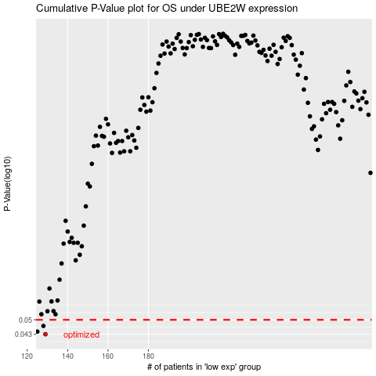

 |  |  |  |  |  | cases_OS | p_OS | rank | exp
 |  |  |  |  |  | 129 | 0.043 | 236 | -0.39817365917
 |  |  |  |  |  | 125 | 0.0442 | 196 | -0.4332815501
 |  |  |  |  |  | 128 | 0.0469 | 348 | -0.40583064425
 |  |  |  |  |  |  | cases_RFS | p_RFS | rank | exp
 |  |  |  |  |  |  | 128 | 0.043 | 348 | -0.40583064425
 |  |  |  |  |  |  |  | 0.0442 | 272 | -0.43426789217
 |  |  |  |  |  |  | 127 | 0.0469 | 367 | -0.42270592341

