UBE2Z _multivariate
Reported by Tex Li-Hsing Chi. tex@gate.sinica.edu.tw 2019-08-15

Table 2. The clinicopathological features of HNSCC cohort and UBE2Z expression. (Chi square test)
Cutoff at 0.228 (63.3%)
 |  | UBE2Z expression |  | UBE2Z expression |  | (Optimised)
 | Features | Low | (%) | High | (%) | Case no | P-value | Remark | Matthews
Gender | Female | 195 | 47 | 111 | 26.7 | 415 | 0.7612 | 0 | 0
2 | Male | 67 | 16.1 | 42 | 10.1
Age at diagnosis | <=65y | 170 | 41 | 104 | 25.1 | 415 | 0.5937 | 0 | 0
4 | >65y | 92 | 22.2 | 49 | 11.8
Clinical T Status | T1+T2 | 97 | 23.4 | 52 | 12.5 | 415 | 0.6059 | 0 | 0
6 | T3+T4 | 165 | 39.8 | 101 | 24.3
Clinical N Status | N0 | 146 | 35.2 | 70 | 16.9 | 415 | 0.0629 | 0 | 0
8 | N1-3 | 116 | 28 | 83 | 20
Clinical M Status | M0 | 261 | 62.9 | 151 | 36.4 | 415 | 0.5577 | 0 | 0
10 | M1 | 1 | 0.2 | 2 | 0.5
Clinical Stage | Stage I+II | 68 | 16.4 | 34 | 8.2 | 415 | 0.4631 | 0 | 0
12 | Stage III+IV | 194 | 46.7 | 119 | 28.7
Surgical Margin status | Negative | 200 | 48.2 | 118 | 28.4 | 415 | 0.9046 | 0 | 0
14 | Positive | 62 | 14.9 | 35 | 8.4
Tobacco Exposure | Low | 105 | 25.3 | 56 | 13.5 | 415 | 0.5314 | 0 | 0
16 | High | 157 | 37.8 | 97 | 23.4

Table 3. Univariate/Multivariate Cox's proportional hazards regression analyses on OS time of UBE2Z gene expression in HNSCC

 |  | Univariate |  |  |  | Multivariate
 | Features | HR | CI95%(L) | CI95%(H) | P-value | HR | CI95%(L) | CI95%(H) | P-value
1 | Female | 1 |  |  |  | 1
Gender | Male | 1.157 | 0.843 | 1.587 | 0.367 | 1.254 | 0.895 | 1.756 | 0.188
11 | <=65y | 1 |  |  |  | 1
Age at diagnosis | >65y | 1.329 | 0.99 | 1.784 | 0.058 | 1.435 | 1.053 | 1.956 | 0.022
12 | T1+T2 | 1 |  |  |  | 1
Clinical T Status | T3+T4 | 1.409 | 1.028 | 1.931 | 0.033 | 2.193 | 1.157 | 4.158 | 0.016
13 | N0 | 1 |  |  |  | 1
Clinical N Status | N1-3 | 1.185 | 0.89 | 1.577 | 0.246 | 1.193 | 0.835 | 1.705 | 0.332
14 | M0 | 1 |  |  |  | 1
Clinical M Status | M1 | 4.097 | 1.009 | 16.644 | 0.049 | 8.931 | 1.944 | 41.022 | 0.005
15 | Stage I+II | 1 |  |  |  | 1
Clinical Stage | Stage III+IV | 1.245 | 0.882 | 1.759 | 0.213 | 0.497 | 0.231 | 1.068 | 0.073
16 | Negative | 1 |  |  |  | 1
Surgical Margin status | Positive | 1.591 | 1.155 | 2.191 | 0.004 | 1.718 | 1.241 | 2.378 | 0.001
17 | Low | 1 |  |  |  | 1
Tobacco Exposure | High | 1.364 | 1.008 | 1.844 | 0.044 | 1.488 | 1.076 | 2.058 | 0.016
18 | Low | 1 |  |  |  | 1
RNAseq(z-score) | High | 1.424 | 1.065 | 1.905 | 0.017 | 1.477 | 1.096 | 1.989 | 0.01

Table 4. Univariate/Multivariate Cox's proportional hazards regression analyses on RFS time of UBE2Z gene expression in HNSCC

 |  | Univariate |  |  |  | Multivariate
 | Features | HR | CI95%(L) | CI95%(H) | P-value | HR | CI95%(L) | CI95%(H) | P-value
1 | Female | 1 |  |  |  | 1
Gender | Male | 1.157 | 0.843 | 1.587 | 0.367 | 1.254 | 0.895 | 1.756 | 0.188
11 | <=65y | 1 |  |  |  | 1
Age at diagnosis | >65y | 1.329 | 0.99 | 1.784 | 0.058 | 1.435 | 1.053 | 1.956 | 0.022
12 | T1+T2 | 1 |  |  |  | 1
Clinical T Status | T3+T4 | 1.409 | 1.028 | 1.931 | 0.033 | 2.193 | 1.157 | 4.158 | 0.016
13 | N0 | 1 |  |  |  | 1
Clinical N Status | N1-3 | 1.185 | 0.89 | 1.577 | 0.246 | 1.193 | 0.835 | 1.705 | 0.332
14 | M0 | 1 |  |  |  | 1
Clinical M Status | M1 | 4.097 | 1.009 | 16.644 | 0.049 | 8.931 | 1.944 | 41.022 | 0.005
15 | Stage I+II | 1 |  |  |  | 1
Clinical Stage | Stage III+IV | 1.245 | 0.882 | 1.759 | 0.213 | 0.497 | 0.231 | 1.068 | 0.073
16 | Negative | 1 |  |  |  | 1
Surgical Margin status | Positive | 1.591 | 1.155 | 2.191 | 0.004 | 1.718 | 1.241 | 2.378 | 0.001
17 | Low | 1 |  |  |  | 1
Tobacco Exposure | High | 1.364 | 1.008 | 1.844 | 0.044 | 1.488 | 1.076 | 2.058 | 0.016
18 | Low | 1 |  |  |  | 1
RNAseq(z-score) | High | 1.424 | 1.065 | 1.905 | 0.017 | 1.477 | 1.096 | 1.989 | 0.01

Kaplan-Meier survival estimate: Cutoff at 0.228 (63.3%)

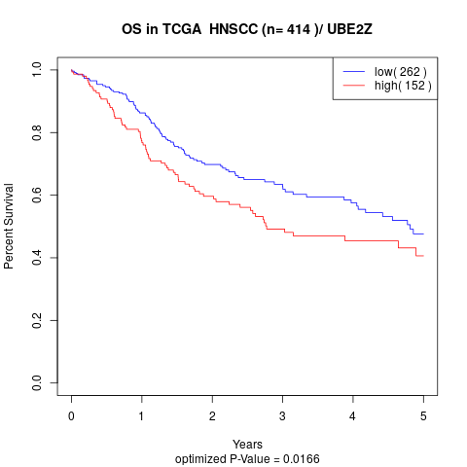

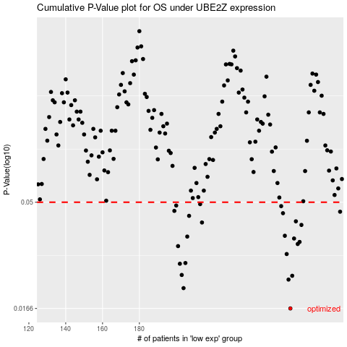

 |  |  |  |  |  | cases_OS | p_OS | rank | exp
 |  |  |  |  |  | 262 | 0.0166 | 68 | 0.22812211671
 |  |  |  |  |  | 204 | 0.0205 | 163 | -0.0074890368988
 |  |  |  |  |  | 261 | 0.0224 | 127 | 0.22267982827
 |  |  |  |  |  | 263 | 0.0233 | 225 | 0.22938060723
 |  |  |  |  |  | 203 | 0.0235 | 367 | -0.0075886104785
 |  |  |  |  |  | 202 | 0.0264 | 8 | -0.014919701941
 |  |  |  |  |  | 205 | 0.0266 | 54 | -0.0016455725823
 |  |  |  |  |  | 260 | 0.0292 | 165 | 0.20919812055
 |  |  |  |  |  | 201 | 0.0317 | 170 | -0.029981246425
 |  |  |  |  |  | 266 | 0.0324 | 280 | 0.23178883641
 |  |  |  |  |  | 267 | 0.0331 | 82 | 0.23182981846
 |  |  |  |  |  | 264 | 0.0343 | 323 | 0.22968882641
 |  |  |  |  |  | 206 | 0.035 | 375 | -0.00064204592682
 |  |  |  |  |  | 259 | 0.0353 | 15 | 0.20760803827
 |  |  |  |  |  | 268 | 0.0395 | 86 | 0.23925866919
 |  |  |  |  |  | 214 | 0.0405 | 413 | 0.035533686582
 |  |  |  |  |  | 265 | 0.041 | 327 | 0.2298406948
 |  |  |  |  |  | 207 | 0.0434 | 186 | 0.018482484814
 |  |  |  |  |  | 258 | 0.0446 | 192 | 0.20326468782
 |  |  |  |  |  | 289 | 0.0453 | 283 | 0.43170088732
 |  |  |  |  |  | 199 | 0.0457 | 218 | -0.038068371368
 |  |  |  |  |  | 257 | 0.048 | 319 | 0.1987518595
 |  |  |  |  |  | 200 | 0.0483 | 183 | -0.037926961944
 |  |  |  |  |  | 213 | 0.049 | 174 | 0.035466343678
 |  |  |  |  |  |  | cases_RFS | p_RFS | rank | exp
 |  |  |  |  |  |  | 261 | 0.0166 | 127 | 0.22267982827
 |  |  |  |  |  |  | 203 | 0.0205 | 367 | -0.0075886104785
 |  |  |  |  |  |  | 260 | 0.0224 | 165 | 0.20919812055
 |  |  |  |  |  |  | 262 | 0.0233 | 68 | 0.22812211671
 |  |  |  |  |  |  | 202 | 0.0235 | 8 | -0.014919701941
 |  |  |  |  |  |  | 201 | 0.0264 | 170 | -0.029981246425
 |  |  |  |  |  |  | 204 | 0.0266 | 163 | -0.0074890368988
 |  |  |  |  |  |  | 259 | 0.0292 | 15 | 0.20760803827
 |  |  |  |  |  |  | 200 | 0.0317 | 183 | -0.037926961944
 |  |  |  |  |  |  | 265 | 0.0324 | 327 | 0.2298406948
 |  |  |  |  |  |  | 266 | 0.0331 | 280 | 0.23178883641
 |  |  |  |  |  |  | 263 | 0.0343 | 225 | 0.22938060723
 |  |  |  |  |  |  | 205 | 0.035 | 54 | -0.0016455725823
 |  |  |  |  |  |  | 258 | 0.0353 | 192 | 0.20326468782
 |  |  |  |  |  |  | 267 | 0.0395 | 82 | 0.23182981846
 |  |  |  |  |  |  | 213 | 0.0405 | 174 | 0.035466343678
 |  |  |  |  |  |  | 264 | 0.041 | 323 | 0.22968882641
 |  |  |  |  |  |  | 206 | 0.0434 | 375 | -0.00064204592682
 |  |  |  |  |  |  | 257 | 0.0446 | 319 | 0.1987518595
 |  |  |  |  |  |  | 288 | 0.0453 | 139 | 0.4308251094
 |  |  |  |  |  |  | 198 | 0.0457 | 175 | -0.044399884966
 |  |  |  |  |  |  | 256 | 0.048 | 393 | 0.19506059327
 |  |  |  |  |  |  | 199 | 0.0483 | 218 | -0.038068371368
 |  |  |  |  |  |  | 212 | 0.049 | 384 | 0.031346793652

