UBE3A _multivariate
Reported by Tex Li-Hsing Chi. tex@gate.sinica.edu.tw 2019-08-15

Table 2. The clinicopathological features of HNSCC cohort and UBE3A expression. (Chi square test)
Cutoff at -0.101 (49.8%)
 |  | UBE3A expression |  | UBE3A expression |  | (Optimised)
 | Features | Low | (%) | High | (%) | Case no | P-value | Remark | Matthews
Gender | Female | 148 | 35.7 | 158 | 38.1 | 415 | 0.3567 | 0 | 0
2 | Male | 59 | 14.2 | 50 | 12
Age at diagnosis | <=65y | 141 | 34 | 133 | 32 | 415 | 0.4272 | 0 | 0
4 | >65y | 66 | 15.9 | 75 | 18.1
Clinical T Status | T1+T2 | 76 | 18.3 | 73 | 17.6 | 415 | 0.8092 | 0 | 0
6 | T3+T4 | 131 | 31.6 | 135 | 32.5
Clinical N Status | N0 | 110 | 26.5 | 106 | 25.5 | 415 | 0.7294 | 0 | 0
8 | N1-3 | 97 | 23.4 | 102 | 24.6
Clinical M Status | M0 | 204 | 49.2 | 208 | 50.1 | 415 | 0.1232 | 0 | 0
10 | M1 | 3 | 0.7 | 0 | 0
Clinical Stage | Stage I+II | 54 | 13 | 48 | 11.6 | 415 | 0.5498 | 0 | 0
12 | Stage III+IV | 153 | 36.9 | 160 | 38.6
Surgical Margin status | Negative | 155 | 37.3 | 163 | 39.3 | 415 | 0.4187 | 0 | 0
14 | Positive | 52 | 12.5 | 45 | 10.8
Tobacco Exposure | Low | 82 | 19.8 | 79 | 19 | 415 | 0.763 | 0 | 0
16 | High | 125 | 30.1 | 129 | 31.1

Table 3. Univariate/Multivariate Cox's proportional hazards regression analyses on OS time of UBE3A gene expression in HNSCC

 |  | Univariate |  |  |  | Multivariate
 | Features | HR | CI95%(L) | CI95%(H) | P-value | HR | CI95%(L) | CI95%(H) | P-value
1 | Female | 1 |  |  |  | 1
Gender | Male | 1.157 | 0.843 | 1.587 | 0.367 | 1.206 | 0.862 | 1.689 | 0.274
11 | <=65y | 1 |  |  |  | 1
Age at diagnosis | >65y | 1.329 | 0.99 | 1.784 | 0.058 | 1.391 | 1.023 | 1.891 | 0.035
12 | T1+T2 | 1 |  |  |  | 1
Clinical T Status | T3+T4 | 1.409 | 1.028 | 1.931 | 0.033 | 2.209 | 1.167 | 4.178 | 0.015
13 | N0 | 1 |  |  |  | 1
Clinical N Status | N1-3 | 1.185 | 0.89 | 1.577 | 0.246 | 1.243 | 0.871 | 1.774 | 0.231
14 | M0 | 1 |  |  |  | 1
Clinical M Status | M1 | 4.097 | 1.009 | 16.644 | 0.049 | 9.59 | 2.07 | 44.431 | 0.004
15 | Stage I+II | 1 |  |  |  | 1
Clinical Stage | Stage III+IV | 1.245 | 0.882 | 1.759 | 0.213 | 0.502 | 0.234 | 1.08 | 0.078
16 | Negative | 1 |  |  |  | 1
Surgical Margin status | Positive | 1.591 | 1.155 | 2.191 | 0.004 | 1.677 | 1.212 | 2.321 | 0.002
17 | Low | 1 |  |  |  | 1
Tobacco Exposure | High | 1.364 | 1.008 | 1.844 | 0.044 | 1.455 | 1.056 | 2.006 | 0.022
18 | Low | 1 |  |  |  | 1
RNAseq(z-score) | High | 0.946 | 0.71 | 1.26 | 0.705 | 1.032 | 0.77 | 1.383 | 0.833

Table 4. Univariate/Multivariate Cox's proportional hazards regression analyses on RFS time of UBE3A gene expression in HNSCC

 |  | Univariate |  |  |  | Multivariate
 | Features | HR | CI95%(L) | CI95%(H) | P-value | HR | CI95%(L) | CI95%(H) | P-value
1 | Female | 1 |  |  |  | 1
Gender | Male | 1.157 | 0.843 | 1.587 | 0.367 | 1.206 | 0.862 | 1.689 | 0.274
11 | <=65y | 1 |  |  |  | 1
Age at diagnosis | >65y | 1.329 | 0.99 | 1.784 | 0.058 | 1.391 | 1.023 | 1.891 | 0.035
12 | T1+T2 | 1 |  |  |  | 1
Clinical T Status | T3+T4 | 1.409 | 1.028 | 1.931 | 0.033 | 2.209 | 1.167 | 4.178 | 0.015
13 | N0 | 1 |  |  |  | 1
Clinical N Status | N1-3 | 1.185 | 0.89 | 1.577 | 0.246 | 1.243 | 0.871 | 1.774 | 0.231
14 | M0 | 1 |  |  |  | 1
Clinical M Status | M1 | 4.097 | 1.009 | 16.644 | 0.049 | 9.59 | 2.07 | 44.431 | 0.004
15 | Stage I+II | 1 |  |  |  | 1
Clinical Stage | Stage III+IV | 1.245 | 0.882 | 1.759 | 0.213 | 0.502 | 0.234 | 1.08 | 0.078
16 | Negative | 1 |  |  |  | 1
Surgical Margin status | Positive | 1.591 | 1.155 | 2.191 | 0.004 | 1.677 | 1.212 | 2.321 | 0.002
17 | Low | 1 |  |  |  | 1
Tobacco Exposure | High | 1.364 | 1.008 | 1.844 | 0.044 | 1.455 | 1.056 | 2.006 | 0.022
18 | Low | 1 |  |  |  | 1
RNAseq(z-score) | High | 0.946 | 0.71 | 1.26 | 0.705 | 1.032 | 0.77 | 1.383 | 0.833

Kaplan-Meier survival estimate: Cutoff at -0.101 (49.8%)



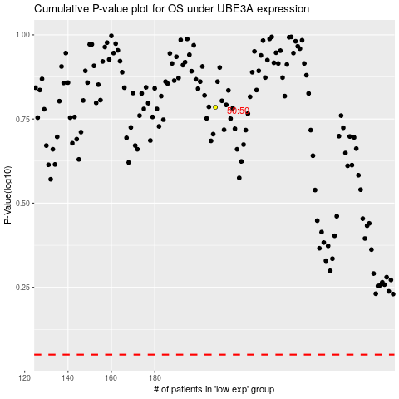

 |  |  |  |  |  | cases_OS | p_OS | rank | exp
 |  |  |  |  |  |  | cases_RFS | p_RFS | rank | exp

