UBE3B _multivariate
Reported by Tex Li-Hsing Chi. tex@gate.sinica.edu.tw 2019-08-15

Table 2. The clinicopathological features of HNSCC cohort and UBE3B expression. (Chi square test)
Cutoff at -0.165 (49.8%)
 |  | UBE3B expression |  | UBE3B expression |  | (Optimised)
 | Features | Low | (%) | High | (%) | Case no | P-value | Remark | Matthews
Gender | Female | 161 | 38.8 | 145 | 34.9 | 415 | 0.0792 | 0 | 0
2 | Male | 46 | 11.1 | 63 | 15.2
Age at diagnosis | <=65y | 134 | 32.3 | 140 | 33.7 | 415 | 0.6529 | 0 | 0
4 | >65y | 73 | 17.6 | 68 | 16.4
Clinical T Status | T1+T2 | 67 | 16.1 | 82 | 19.8 | 415 | 0.1628 | 0 | 0
6 | T3+T4 | 140 | 33.7 | 126 | 30.4
Clinical N Status | N0 | 97 | 23.4 | 119 | 28.7 | 415 | 0.0442 | 1 | 0
8 | N1-3 | 110 | 26.5 | 89 | 21.4
Clinical M Status | M0 | 206 | 49.6 | 206 | 49.6 | 415 | 1 | 0 | 0
10 | M1 | 1 | 0.2 | 2 | 0.5
Clinical Stage | Stage I+II | 44 | 10.6 | 58 | 14 | 415 | 0.1459 | 0 | 0
12 | Stage III+IV | 163 | 39.3 | 150 | 36.1
Surgical Margin status | Negative | 157 | 37.8 | 161 | 38.8 | 415 | 0.729 | 0 | 0
14 | Positive | 50 | 12 | 47 | 11.3
Tobacco Exposure | Low | 67 | 16.1 | 94 | 22.7 | 415 | 0.0088 | 1 | 0
16 | High | 140 | 33.7 | 114 | 27.5

Table 3. Univariate/Multivariate Cox's proportional hazards regression analyses on OS time of UBE3B gene expression in HNSCC

 |  | Univariate |  |  |  | Multivariate
 | Features | HR | CI95%(L) | CI95%(H) | P-value | HR | CI95%(L) | CI95%(H) | P-value
1 | Female | 1 |  |  |  | 1
Gender | Male | 1.157 | 0.843 | 1.587 | 0.367 | 1.177 | 0.842 | 1.644 | 0.34
11 | <=65y | 1 |  |  |  | 1
Age at diagnosis | >65y | 1.329 | 0.99 | 1.784 | 0.058 | 1.431 | 1.051 | 1.948 | 0.023
12 | T1+T2 | 1 |  |  |  | 1
Clinical T Status | T3+T4 | 1.409 | 1.028 | 1.931 | 0.033 | 2.339 | 1.233 | 4.437 | 0.009
13 | N0 | 1 |  |  |  | 1
Clinical N Status | N1-3 | 1.185 | 0.89 | 1.577 | 0.246 | 1.286 | 0.9 | 1.837 | 0.168
14 | M0 | 1 |  |  |  | 1
Clinical M Status | M1 | 4.097 | 1.009 | 16.644 | 0.049 | 9.482 | 2.067 | 43.497 | 0.004
15 | Stage I+II | 1 |  |  |  | 1
Clinical Stage | Stage III+IV | 1.245 | 0.882 | 1.759 | 0.213 | 0.474 | 0.22 | 1.021 | 0.057
16 | Negative | 1 |  |  |  | 1
Surgical Margin status | Positive | 1.591 | 1.155 | 2.191 | 0.004 | 1.699 | 1.228 | 2.349 | 0.001
17 | Low | 1 |  |  |  | 1
Tobacco Exposure | High | 1.364 | 1.008 | 1.844 | 0.044 | 1.498 | 1.086 | 2.066 | 0.014
18 | Low | 1 |  |  |  | 1
RNAseq(z-score) | High | 1.212 | 0.908 | 1.618 | 0.193 | 1.347 | 1.003 | 1.808 | 0.048

Table 4. Univariate/Multivariate Cox's proportional hazards regression analyses on RFS time of UBE3B gene expression in HNSCC

 |  | Univariate |  |  |  | Multivariate
 | Features | HR | CI95%(L) | CI95%(H) | P-value | HR | CI95%(L) | CI95%(H) | P-value
1 | Female | 1 |  |  |  | 1
Gender | Male | 1.157 | 0.843 | 1.587 | 0.367 | 1.177 | 0.842 | 1.644 | 0.34
11 | <=65y | 1 |  |  |  | 1
Age at diagnosis | >65y | 1.329 | 0.99 | 1.784 | 0.058 | 1.431 | 1.051 | 1.948 | 0.023
12 | T1+T2 | 1 |  |  |  | 1
Clinical T Status | T3+T4 | 1.409 | 1.028 | 1.931 | 0.033 | 2.339 | 1.233 | 4.437 | 0.009
13 | N0 | 1 |  |  |  | 1
Clinical N Status | N1-3 | 1.185 | 0.89 | 1.577 | 0.246 | 1.286 | 0.9 | 1.837 | 0.168
14 | M0 | 1 |  |  |  | 1
Clinical M Status | M1 | 4.097 | 1.009 | 16.644 | 0.049 | 9.482 | 2.067 | 43.497 | 0.004
15 | Stage I+II | 1 |  |  |  | 1
Clinical Stage | Stage III+IV | 1.245 | 0.882 | 1.759 | 0.213 | 0.474 | 0.22 | 1.021 | 0.057
16 | Negative | 1 |  |  |  | 1
Surgical Margin status | Positive | 1.591 | 1.155 | 2.191 | 0.004 | 1.699 | 1.228 | 2.349 | 0.001
17 | Low | 1 |  |  |  | 1
Tobacco Exposure | High | 1.364 | 1.008 | 1.844 | 0.044 | 1.498 | 1.086 | 2.066 | 0.014
18 | Low | 1 |  |  |  | 1
RNAseq(z-score) | High | 1.212 | 0.908 | 1.618 | 0.193 | 1.347 | 1.003 | 1.808 | 0.048

Kaplan-Meier survival estimate: Cutoff at -0.165 (49.8%)

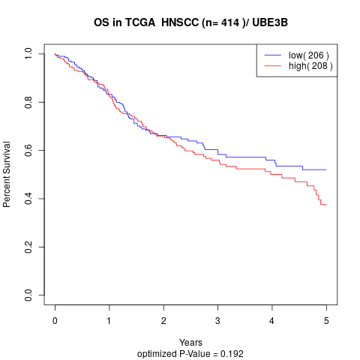

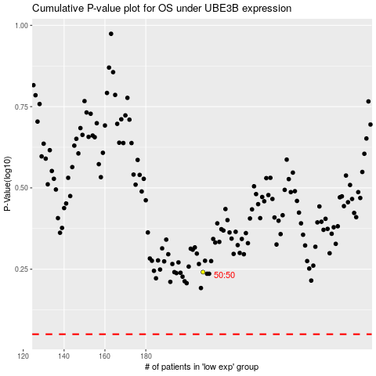

 |  |  |  |  |  | cases_OS | p_OS | rank | exp
 |  |  |  |  |  |  | cases_RFS | p_RFS | rank | exp

