UBE4A _multivariate
Reported by Tex Li-Hsing Chi. tex@gate.sinica.edu.tw 2019-08-15

Table 2. The clinicopathological features of HNSCC cohort and UBE4A expression. (Chi square test)
Cutoff at -0.134 (49.8%)
 |  | UBE4A expression |  | UBE4A expression |  | (Optimised)
 | Features | Low | (%) | High | (%) | Case no | P-value | Remark | Matthews
Gender | Female | 168 | 40.5 | 138 | 33.3 | 415 | 9e-04 | 1 | 0
2 | Male | 39 | 9.4 | 70 | 16.9
Age at diagnosis | <=65y | 149 | 35.9 | 125 | 30.1 | 415 | 0.0142 | 1 | 0
4 | >65y | 58 | 14 | 83 | 20
Clinical T Status | T1+T2 | 71 | 17.1 | 78 | 18.8 | 415 | 0.5638 | 0 | 0
6 | T3+T4 | 136 | 32.8 | 130 | 31.3
Clinical N Status | N0 | 89 | 21.4 | 127 | 30.6 | 415 | 3e-04 | 1 | 0
8 | N1-3 | 118 | 28.4 | 81 | 19.5
Clinical M Status | M0 | 205 | 49.4 | 207 | 49.9 | 415 | 0.6232 | 0 | 0
10 | M1 | 2 | 0.5 | 1 | 0.2
Clinical Stage | Stage I+II | 40 | 9.6 | 62 | 14.9 | 415 | 0.018 | 1 | 0
12 | Stage III+IV | 167 | 40.2 | 146 | 35.2
Surgical Margin status | Negative | 154 | 37.1 | 164 | 39.5 | 415 | 0.2984 | 0 | 0
14 | Positive | 53 | 12.8 | 44 | 10.6
Tobacco Exposure | Low | 72 | 17.3 | 89 | 21.4 | 415 | 0.1071 | 0 | 0
16 | High | 135 | 32.5 | 119 | 28.7

Table 3. Univariate/Multivariate Cox's proportional hazards regression analyses on OS time of UBE4A gene expression in HNSCC

 |  | Univariate |  |  |  | Multivariate
 | Features | HR | CI95%(L) | CI95%(H) | P-value | HR | CI95%(L) | CI95%(H) | P-value
1 | Female | 1 |  |  |  | 1
Gender | Male | 1.157 | 0.843 | 1.587 | 0.367 | 1.174 | 0.836 | 1.649 | 0.355
11 | <=65y | 1 |  |  |  | 1
Age at diagnosis | >65y | 1.329 | 0.99 | 1.784 | 0.058 | 1.385 | 1.018 | 1.883 | 0.038
12 | T1+T2 | 1 |  |  |  | 1
Clinical T Status | T3+T4 | 1.409 | 1.028 | 1.931 | 0.033 | 2.188 | 1.157 | 4.139 | 0.016
13 | N0 | 1 |  |  |  | 1
Clinical N Status | N1-3 | 1.185 | 0.89 | 1.577 | 0.246 | 1.256 | 0.879 | 1.794 | 0.21
14 | M0 | 1 |  |  |  | 1
Clinical M Status | M1 | 4.097 | 1.009 | 16.644 | 0.049 | 9.291 | 2.026 | 42.609 | 0.004
15 | Stage I+II | 1 |  |  |  | 1
Clinical Stage | Stage III+IV | 1.245 | 0.882 | 1.759 | 0.213 | 0.514 | 0.239 | 1.105 | 0.088
16 | Negative | 1 |  |  |  | 1
Surgical Margin status | Positive | 1.591 | 1.155 | 2.191 | 0.004 | 1.685 | 1.218 | 2.33 | 0.002
17 | Low | 1 |  |  |  | 1
Tobacco Exposure | High | 1.364 | 1.008 | 1.844 | 0.044 | 1.46 | 1.06 | 2.012 | 0.021
18 | Low | 1 |  |  |  | 1
RNAseq(z-score) | High | 1.09 | 0.818 | 1.453 | 0.555 | 1.119 | 0.828 | 1.512 | 0.466

Table 4. Univariate/Multivariate Cox's proportional hazards regression analyses on RFS time of UBE4A gene expression in HNSCC

 |  | Univariate |  |  |  | Multivariate
 | Features | HR | CI95%(L) | CI95%(H) | P-value | HR | CI95%(L) | CI95%(H) | P-value
1 | Female | 1 |  |  |  | 1
Gender | Male | 1.157 | 0.843 | 1.587 | 0.367 | 1.174 | 0.836 | 1.649 | 0.355
11 | <=65y | 1 |  |  |  | 1
Age at diagnosis | >65y | 1.329 | 0.99 | 1.784 | 0.058 | 1.385 | 1.018 | 1.883 | 0.038
12 | T1+T2 | 1 |  |  |  | 1
Clinical T Status | T3+T4 | 1.409 | 1.028 | 1.931 | 0.033 | 2.188 | 1.157 | 4.139 | 0.016
13 | N0 | 1 |  |  |  | 1
Clinical N Status | N1-3 | 1.185 | 0.89 | 1.577 | 0.246 | 1.256 | 0.879 | 1.794 | 0.21
14 | M0 | 1 |  |  |  | 1
Clinical M Status | M1 | 4.097 | 1.009 | 16.644 | 0.049 | 9.291 | 2.026 | 42.609 | 0.004
15 | Stage I+II | 1 |  |  |  | 1
Clinical Stage | Stage III+IV | 1.245 | 0.882 | 1.759 | 0.213 | 0.514 | 0.239 | 1.105 | 0.088
16 | Negative | 1 |  |  |  | 1
Surgical Margin status | Positive | 1.591 | 1.155 | 2.191 | 0.004 | 1.685 | 1.218 | 2.33 | 0.002
17 | Low | 1 |  |  |  | 1
Tobacco Exposure | High | 1.364 | 1.008 | 1.844 | 0.044 | 1.46 | 1.06 | 2.012 | 0.021
18 | Low | 1 |  |  |  | 1
RNAseq(z-score) | High | 1.09 | 0.818 | 1.453 | 0.555 | 1.119 | 0.828 | 1.512 | 0.466

Kaplan-Meier survival estimate: Cutoff at -0.134 (49.8%)



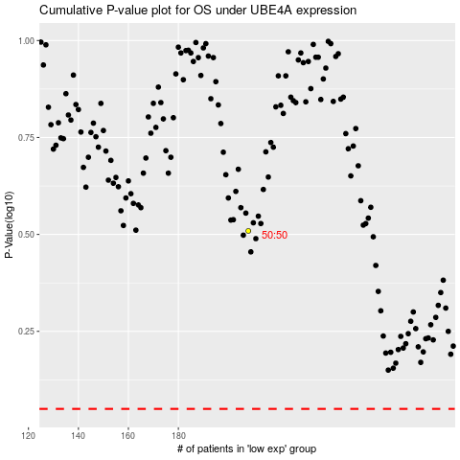

 |  |  |  |  |  | cases_OS | p_OS | rank | exp
 |  |  |  |  |  |  | cases_RFS | p_RFS | rank | exp

