UBL3 _multivariate
Reported by Tex Li-Hsing Chi. tex@gate.sinica.edu.tw 2019-08-15

Table 2. The clinicopathological features of HNSCC cohort and UBL3 expression. (Chi square test)
Cutoff at -0.318 (50.0%)
 |  | UBL3 expression |  | UBL3 expression |  | (Optimised)
 | Features | Low | (%) | High | (%) | Case no | P-value | Remark | Matthews
Gender | Female | 159 | 38.3 | 147 | 35.4 | 415 | 0.1905 | 0 | 0
2 | Male | 48 | 11.6 | 61 | 14.7
Age at diagnosis | <=65y | 139 | 33.5 | 135 | 32.5 | 415 | 0.7044 | 0 | 0
4 | >65y | 68 | 16.4 | 73 | 17.6
Clinical T Status | T1+T2 | 71 | 17.1 | 78 | 18.8 | 415 | 0.5638 | 0 | 0
6 | T3+T4 | 136 | 32.8 | 130 | 31.3
Clinical N Status | N0 | 108 | 26 | 108 | 26 | 415 | 1 | 0 | 0
8 | N1-3 | 99 | 23.9 | 100 | 24.1
Clinical M Status | M0 | 204 | 49.2 | 208 | 50.1 | 415 | 0.1232 | 0 | 0
10 | M1 | 3 | 0.7 | 0 | 0
Clinical Stage | Stage I+II | 50 | 12 | 52 | 12.5 | 415 | 0.9315 | 0 | 0
12 | Stage III+IV | 157 | 37.8 | 156 | 37.6
Surgical Margin status | Negative | 153 | 36.9 | 165 | 39.8 | 415 | 0.2036 | 0 | 0
14 | Positive | 54 | 13 | 43 | 10.4
Tobacco Exposure | Low | 81 | 19.5 | 80 | 19.3 | 415 | 0.9199 | 0 | 0
16 | High | 126 | 30.4 | 128 | 30.8

Table 3. Univariate/Multivariate Cox's proportional hazards regression analyses on OS time of UBL3 gene expression in HNSCC

 |  | Univariate |  |  |  | Multivariate
 | Features | HR | CI95%(L) | CI95%(H) | P-value | HR | CI95%(L) | CI95%(H) | P-value
1 | Female | 1 |  |  |  | 1
Gender | Male | 1.157 | 0.843 | 1.587 | 0.367 | 1.205 | 0.862 | 1.684 | 0.276
11 | <=65y | 1 |  |  |  | 1
Age at diagnosis | >65y | 1.329 | 0.99 | 1.784 | 0.058 | 1.39 | 1.022 | 1.889 | 0.036
12 | T1+T2 | 1 |  |  |  | 1
Clinical T Status | T3+T4 | 1.409 | 1.028 | 1.931 | 0.033 | 2.188 | 1.156 | 4.143 | 0.016
13 | N0 | 1 |  |  |  | 1
Clinical N Status | N1-3 | 1.185 | 0.89 | 1.577 | 0.246 | 1.24 | 0.869 | 1.769 | 0.236
14 | M0 | 1 |  |  |  | 1
Clinical M Status | M1 | 4.097 | 1.009 | 16.644 | 0.049 | 9.134 | 1.972 | 42.306 | 0.005
15 | Stage I+II | 1 |  |  |  | 1
Clinical Stage | Stage III+IV | 1.245 | 0.882 | 1.759 | 0.213 | 0.509 | 0.237 | 1.095 | 0.084
16 | Negative | 1 |  |  |  | 1
Surgical Margin status | Positive | 1.591 | 1.155 | 2.191 | 0.004 | 1.666 | 1.205 | 2.303 | 0.002
17 | Low | 1 |  |  |  | 1
Tobacco Exposure | High | 1.364 | 1.008 | 1.844 | 0.044 | 1.453 | 1.055 | 2.003 | 0.022
18 | Low | 1 |  |  |  | 1
RNAseq(z-score) | High | 0.886 | 0.665 | 1.179 | 0.406 | 0.954 | 0.714 | 1.274 | 0.749

Table 4. Univariate/Multivariate Cox's proportional hazards regression analyses on RFS time of UBL3 gene expression in HNSCC

 |  | Univariate |  |  |  | Multivariate
 | Features | HR | CI95%(L) | CI95%(H) | P-value | HR | CI95%(L) | CI95%(H) | P-value
1 | Female | 1 |  |  |  | 1
Gender | Male | 1.157 | 0.843 | 1.587 | 0.367 | 1.205 | 0.862 | 1.684 | 0.276
11 | <=65y | 1 |  |  |  | 1
Age at diagnosis | >65y | 1.329 | 0.99 | 1.784 | 0.058 | 1.39 | 1.022 | 1.889 | 0.036
12 | T1+T2 | 1 |  |  |  | 1
Clinical T Status | T3+T4 | 1.409 | 1.028 | 1.931 | 0.033 | 2.188 | 1.156 | 4.143 | 0.016
13 | N0 | 1 |  |  |  | 1
Clinical N Status | N1-3 | 1.185 | 0.89 | 1.577 | 0.246 | 1.24 | 0.869 | 1.769 | 0.236
14 | M0 | 1 |  |  |  | 1
Clinical M Status | M1 | 4.097 | 1.009 | 16.644 | 0.049 | 9.134 | 1.972 | 42.306 | 0.005
15 | Stage I+II | 1 |  |  |  | 1
Clinical Stage | Stage III+IV | 1.245 | 0.882 | 1.759 | 0.213 | 0.509 | 0.237 | 1.095 | 0.084
16 | Negative | 1 |  |  |  | 1
Surgical Margin status | Positive | 1.591 | 1.155 | 2.191 | 0.004 | 1.666 | 1.205 | 2.303 | 0.002
17 | Low | 1 |  |  |  | 1
Tobacco Exposure | High | 1.364 | 1.008 | 1.844 | 0.044 | 1.453 | 1.055 | 2.003 | 0.022
18 | Low | 1 |  |  |  | 1
RNAseq(z-score) | High | 0.886 | 0.665 | 1.179 | 0.406 | 0.954 | 0.714 | 1.274 | 0.749

Kaplan-Meier survival estimate: Cutoff at -0.318 (50.0%)



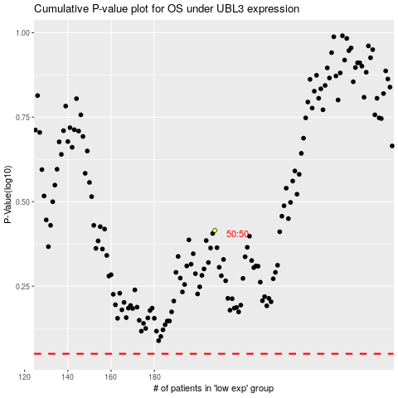

 |  |  |  |  |  | cases_OS | p_OS | rank | exp
 |  |  |  |  |  |  | cases_RFS | p_RFS | rank | exp

