UBL4A _multivariate
Reported by Tex Li-Hsing Chi. tex@gate.sinica.edu.tw 2019-08-15

Table 2. The clinicopathological features of HNSCC cohort and UBL4A expression. (Chi square test)
Cutoff at -0.223 (49.8%)
 |  | UBL4A expression |  | UBL4A expression |  | (Optimised)
 | Features | Low | (%) | High | (%) | Case no | P-value | Remark | Matthews
Gender | Female | 150 | 36.1 | 156 | 37.6 | 415 | 0.6344 | 0 | 0
2 | Male | 57 | 13.7 | 52 | 12.5
Age at diagnosis | <=65y | 125 | 30.1 | 149 | 35.9 | 415 | 0.0206 | 1 | 0
4 | >65y | 82 | 19.8 | 59 | 14.2
Clinical T Status | T1+T2 | 80 | 19.3 | 69 | 16.6 | 415 | 0.2891 | 0 | 0
6 | T3+T4 | 127 | 30.6 | 139 | 33.5
Clinical N Status | N0 | 112 | 27 | 104 | 25.1 | 415 | 0.4599 | 0 | 0
8 | N1-3 | 95 | 22.9 | 104 | 25.1
Clinical M Status | M0 | 207 | 49.9 | 205 | 49.4 | 415 | 0.2482 | 0 | 0
10 | M1 | 0 | 0 | 3 | 0.7
Clinical Stage | Stage I+II | 55 | 13.3 | 47 | 11.3 | 415 | 0.4087 | 0 | 0
12 | Stage III+IV | 152 | 36.6 | 161 | 38.8
Surgical Margin status | Negative | 160 | 38.6 | 158 | 38.1 | 415 | 0.8167 | 0 | 0
14 | Positive | 47 | 11.3 | 50 | 12
Tobacco Exposure | Low | 98 | 23.6 | 63 | 15.2 | 415 | 4e-04 | 1 | 0
16 | High | 109 | 26.3 | 145 | 34.9

Table 3. Univariate/Multivariate Cox's proportional hazards regression analyses on OS time of UBL4A gene expression in HNSCC

 |  | Univariate |  |  |  | Multivariate
 | Features | HR | CI95%(L) | CI95%(H) | P-value | HR | CI95%(L) | CI95%(H) | P-value
1 | Female | 1 |  |  |  | 1
Gender | Male | 1.157 | 0.843 | 1.587 | 0.367 | 1.206 | 0.863 | 1.685 | 0.273
11 | <=65y | 1 |  |  |  | 1
Age at diagnosis | >65y | 1.329 | 0.99 | 1.784 | 0.058 | 1.378 | 1.011 | 1.88 | 0.043
12 | T1+T2 | 1 |  |  |  | 1
Clinical T Status | T3+T4 | 1.409 | 1.028 | 1.931 | 0.033 | 2.208 | 1.167 | 4.176 | 0.015
13 | N0 | 1 |  |  |  | 1
Clinical N Status | N1-3 | 1.185 | 0.89 | 1.577 | 0.246 | 1.236 | 0.866 | 1.764 | 0.244
14 | M0 | 1 |  |  |  | 1
Clinical M Status | M1 | 4.097 | 1.009 | 16.644 | 0.049 | 9.732 | 2.105 | 45.007 | 0.004
15 | Stage I+II | 1 |  |  |  | 1
Clinical Stage | Stage III+IV | 1.245 | 0.882 | 1.759 | 0.213 | 0.509 | 0.237 | 1.093 | 0.083
16 | Negative | 1 |  |  |  | 1
Surgical Margin status | Positive | 1.591 | 1.155 | 2.191 | 0.004 | 1.687 | 1.217 | 2.339 | 0.002
17 | Low | 1 |  |  |  | 1
Tobacco Exposure | High | 1.364 | 1.008 | 1.844 | 0.044 | 1.465 | 1.061 | 2.023 | 0.021
18 | Low | 1 |  |  |  | 1
RNAseq(z-score) | High | 1.049 | 0.788 | 1.398 | 0.742 | 0.939 | 0.695 | 1.268 | 0.681

Table 4. Univariate/Multivariate Cox's proportional hazards regression analyses on RFS time of UBL4A gene expression in HNSCC

 |  | Univariate |  |  |  | Multivariate
 | Features | HR | CI95%(L) | CI95%(H) | P-value | HR | CI95%(L) | CI95%(H) | P-value
1 | Female | 1 |  |  |  | 1
Gender | Male | 1.157 | 0.843 | 1.587 | 0.367 | 1.206 | 0.863 | 1.685 | 0.273
11 | <=65y | 1 |  |  |  | 1
Age at diagnosis | >65y | 1.329 | 0.99 | 1.784 | 0.058 | 1.378 | 1.011 | 1.88 | 0.043
12 | T1+T2 | 1 |  |  |  | 1
Clinical T Status | T3+T4 | 1.409 | 1.028 | 1.931 | 0.033 | 2.208 | 1.167 | 4.176 | 0.015
13 | N0 | 1 |  |  |  | 1
Clinical N Status | N1-3 | 1.185 | 0.89 | 1.577 | 0.246 | 1.236 | 0.866 | 1.764 | 0.244
14 | M0 | 1 |  |  |  | 1
Clinical M Status | M1 | 4.097 | 1.009 | 16.644 | 0.049 | 9.732 | 2.105 | 45.007 | 0.004
15 | Stage I+II | 1 |  |  |  | 1
Clinical Stage | Stage III+IV | 1.245 | 0.882 | 1.759 | 0.213 | 0.509 | 0.237 | 1.093 | 0.083
16 | Negative | 1 |  |  |  | 1
Surgical Margin status | Positive | 1.591 | 1.155 | 2.191 | 0.004 | 1.687 | 1.217 | 2.339 | 0.002
17 | Low | 1 |  |  |  | 1
Tobacco Exposure | High | 1.364 | 1.008 | 1.844 | 0.044 | 1.465 | 1.061 | 2.023 | 0.021
18 | Low | 1 |  |  |  | 1
RNAseq(z-score) | High | 1.049 | 0.788 | 1.398 | 0.742 | 0.939 | 0.695 | 1.268 | 0.681

Kaplan-Meier survival estimate: Cutoff at -0.223 (49.8%)



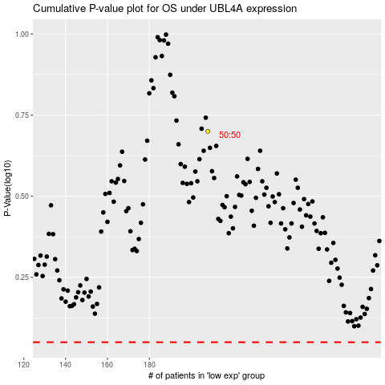

 |  |  |  |  |  | cases_OS | p_OS | rank | exp
 |  |  |  |  |  |  | cases_RFS | p_RFS | rank | exp

