UBL5 _multivariate
Reported by Tex Li-Hsing Chi. tex@gate.sinica.edu.tw 2019-08-15

Table 2. The clinicopathological features of HNSCC cohort and UBL5 expression. (Chi square test)
Cutoff at -0.32 (50.0%)
 |  | UBL5 expression |  | UBL5 expression |  | (Optimised)
 | Features | Low | (%) | High | (%) | Case no | P-value | Remark | Matthews
Gender | Female | 151 | 36.4 | 155 | 37.3 | 415 | 0.8007 | 0 | 0
2 | Male | 56 | 13.5 | 53 | 12.8
Age at diagnosis | <=65y | 134 | 32.3 | 140 | 33.7 | 415 | 0.6529 | 0 | 0
4 | >65y | 73 | 17.6 | 68 | 16.4
Clinical T Status | T1+T2 | 87 | 21 | 62 | 14.9 | 415 | 0.0127 | 1 | 0
6 | T3+T4 | 120 | 28.9 | 146 | 35.2
Clinical N Status | N0 | 103 | 24.8 | 113 | 27.2 | 415 | 0.4047 | 0 | 0
8 | N1-3 | 104 | 25.1 | 95 | 22.9
Clinical M Status | M0 | 205 | 49.4 | 207 | 49.9 | 415 | 0.6232 | 0 | 0
10 | M1 | 2 | 0.5 | 1 | 0.2
Clinical Stage | Stage I+II | 60 | 14.5 | 42 | 10.1 | 415 | 0.0493 | 1 | 0
12 | Stage III+IV | 147 | 35.4 | 166 | 40
Surgical Margin status | Negative | 168 | 40.5 | 150 | 36.1 | 415 | 0.0366 | 1 | 0
14 | Positive | 39 | 9.4 | 58 | 14
Tobacco Exposure | Low | 79 | 19 | 82 | 19.8 | 415 | 0.8405 | 0 | 0
16 | High | 128 | 30.8 | 126 | 30.4

Table 3. Univariate/Multivariate Cox's proportional hazards regression analyses on OS time of UBL5 gene expression in HNSCC

 |  | Univariate |  |  |  | Multivariate
 | Features | HR | CI95%(L) | CI95%(H) | P-value | HR | CI95%(L) | CI95%(H) | P-value
1 | Female | 1 |  |  |  | 1
Gender | Male | 1.157 | 0.843 | 1.587 | 0.367 | 1.216 | 0.869 | 1.701 | 0.254
11 | <=65y | 1 |  |  |  | 1
Age at diagnosis | >65y | 1.329 | 0.99 | 1.784 | 0.058 | 1.388 | 1.021 | 1.887 | 0.037
12 | T1+T2 | 1 |  |  |  | 1
Clinical T Status | T3+T4 | 1.409 | 1.028 | 1.931 | 0.033 | 2.21 | 1.169 | 4.181 | 0.015
13 | N0 | 1 |  |  |  | 1
Clinical N Status | N1-3 | 1.185 | 0.89 | 1.577 | 0.246 | 1.218 | 0.851 | 1.743 | 0.282
14 | M0 | 1 |  |  |  | 1
Clinical M Status | M1 | 4.097 | 1.009 | 16.644 | 0.049 | 9.413 | 2.054 | 43.146 | 0.004
15 | Stage I+II | 1 |  |  |  | 1
Clinical Stage | Stage III+IV | 1.245 | 0.882 | 1.759 | 0.213 | 0.515 | 0.239 | 1.107 | 0.089
16 | Negative | 1 |  |  |  | 1
Surgical Margin status | Positive | 1.591 | 1.155 | 2.191 | 0.004 | 1.713 | 1.232 | 2.381 | 0.001
17 | Low | 1 |  |  |  | 1
Tobacco Exposure | High | 1.364 | 1.008 | 1.844 | 0.044 | 1.46 | 1.059 | 2.012 | 0.021
18 | Low | 1 |  |  |  | 1
RNAseq(z-score) | High | 0.974 | 0.731 | 1.297 | 0.856 | 0.889 | 0.661 | 1.195 | 0.436

Table 4. Univariate/Multivariate Cox's proportional hazards regression analyses on RFS time of UBL5 gene expression in HNSCC

 |  | Univariate |  |  |  | Multivariate
 | Features | HR | CI95%(L) | CI95%(H) | P-value | HR | CI95%(L) | CI95%(H) | P-value
1 | Female | 1 |  |  |  | 1
Gender | Male | 1.157 | 0.843 | 1.587 | 0.367 | 1.216 | 0.869 | 1.701 | 0.254
11 | <=65y | 1 |  |  |  | 1
Age at diagnosis | >65y | 1.329 | 0.99 | 1.784 | 0.058 | 1.388 | 1.021 | 1.887 | 0.037
12 | T1+T2 | 1 |  |  |  | 1
Clinical T Status | T3+T4 | 1.409 | 1.028 | 1.931 | 0.033 | 2.21 | 1.169 | 4.181 | 0.015
13 | N0 | 1 |  |  |  | 1
Clinical N Status | N1-3 | 1.185 | 0.89 | 1.577 | 0.246 | 1.218 | 0.851 | 1.743 | 0.282
14 | M0 | 1 |  |  |  | 1
Clinical M Status | M1 | 4.097 | 1.009 | 16.644 | 0.049 | 9.413 | 2.054 | 43.146 | 0.004
15 | Stage I+II | 1 |  |  |  | 1
Clinical Stage | Stage III+IV | 1.245 | 0.882 | 1.759 | 0.213 | 0.515 | 0.239 | 1.107 | 0.089
16 | Negative | 1 |  |  |  | 1
Surgical Margin status | Positive | 1.591 | 1.155 | 2.191 | 0.004 | 1.713 | 1.232 | 2.381 | 0.001
17 | Low | 1 |  |  |  | 1
Tobacco Exposure | High | 1.364 | 1.008 | 1.844 | 0.044 | 1.46 | 1.059 | 2.012 | 0.021
18 | Low | 1 |  |  |  | 1
RNAseq(z-score) | High | 0.974 | 0.731 | 1.297 | 0.856 | 0.889 | 0.661 | 1.195 | 0.436

Kaplan-Meier survival estimate: Cutoff at -0.32 (50.0%)



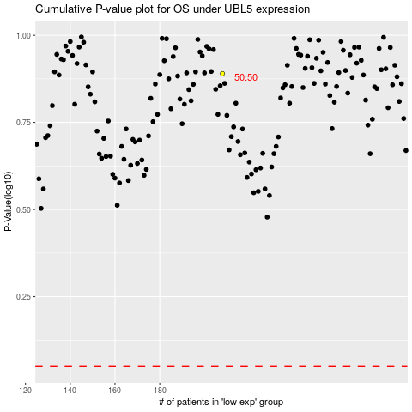

 |  |  |  |  |  | cases_OS | p_OS | rank | exp
 |  |  |  |  |  |  | cases_RFS | p_RFS | rank | exp

