UBLCP1 _multivariate
Reported by Tex Li-Hsing Chi. tex@gate.sinica.edu.tw 2019-08-15

Table 2. The clinicopathological features of HNSCC cohort and UBLCP1 expression. (Chi square test)
Cutoff at -0.099 (50.0%)
 |  | UBLCP1 expression |  | UBLCP1 expression |  | (Optimised)
 | Features | Low | (%) | High | (%) | Case no | P-value | Remark | Matthews
Gender | Female | 160 | 38.6 | 146 | 35.2 | 415 | 0.1254 | 0 | 0
2 | Male | 47 | 11.3 | 62 | 14.9
Age at diagnosis | <=65y | 140 | 33.7 | 134 | 32.3 | 415 | 0.5574 | 0 | 0
4 | >65y | 67 | 16.1 | 74 | 17.8
Clinical T Status | T1+T2 | 68 | 16.4 | 81 | 19.5 | 415 | 0.2336 | 0 | 0
6 | T3+T4 | 139 | 33.5 | 127 | 30.6
Clinical N Status | N0 | 104 | 25.1 | 112 | 27 | 415 | 0.5243 | 0 | 0
8 | N1-3 | 103 | 24.8 | 96 | 23.1
Clinical M Status | M0 | 205 | 49.4 | 207 | 49.9 | 415 | 0.6232 | 0 | 0
10 | M1 | 2 | 0.5 | 1 | 0.2
Clinical Stage | Stage I+II | 44 | 10.6 | 58 | 14 | 415 | 0.1459 | 0 | 0
12 | Stage III+IV | 163 | 39.3 | 150 | 36.1
Surgical Margin status | Negative | 163 | 39.3 | 155 | 37.3 | 415 | 0.3537 | 0 | 0
14 | Positive | 44 | 10.6 | 53 | 12.8
Tobacco Exposure | Low | 70 | 16.9 | 91 | 21.9 | 415 | 0.0439 | 1 | 0
16 | High | 137 | 33 | 117 | 28.2

Table 3. Univariate/Multivariate Cox's proportional hazards regression analyses on OS time of UBLCP1 gene expression in HNSCC

 |  | Univariate |  |  |  | Multivariate
 | Features | HR | CI95%(L) | CI95%(H) | P-value | HR | CI95%(L) | CI95%(H) | P-value
1 | Female | 1 |  |  |  | 1
Gender | Male | 1.157 | 0.843 | 1.587 | 0.367 | 1.192 | 0.853 | 1.666 | 0.303
11 | <=65y | 1 |  |  |  | 1
Age at diagnosis | >65y | 1.329 | 0.99 | 1.784 | 0.058 | 1.399 | 1.029 | 1.903 | 0.032
12 | T1+T2 | 1 |  |  |  | 1
Clinical T Status | T3+T4 | 1.409 | 1.028 | 1.931 | 0.033 | 2.186 | 1.156 | 4.136 | 0.016
13 | N0 | 1 |  |  |  | 1
Clinical N Status | N1-3 | 1.185 | 0.89 | 1.577 | 0.246 | 1.244 | 0.872 | 1.775 | 0.227
14 | M0 | 1 |  |  |  | 1
Clinical M Status | M1 | 4.097 | 1.009 | 16.644 | 0.049 | 9.604 | 2.094 | 44.053 | 0.004
15 | Stage I+II | 1 |  |  |  | 1
Clinical Stage | Stage III+IV | 1.245 | 0.882 | 1.759 | 0.213 | 0.518 | 0.24 | 1.114 | 0.092
16 | Negative | 1 |  |  |  | 1
Surgical Margin status | Positive | 1.591 | 1.155 | 2.191 | 0.004 | 1.656 | 1.198 | 2.29 | 0.002
17 | Low | 1 |  |  |  | 1
Tobacco Exposure | High | 1.364 | 1.008 | 1.844 | 0.044 | 1.463 | 1.061 | 2.016 | 0.02
18 | Low | 1 |  |  |  | 1
RNAseq(z-score) | High | 1.096 | 0.823 | 1.46 | 0.53 | 1.124 | 0.839 | 1.507 | 0.434

Table 4. Univariate/Multivariate Cox's proportional hazards regression analyses on RFS time of UBLCP1 gene expression in HNSCC

 |  | Univariate |  |  |  | Multivariate
 | Features | HR | CI95%(L) | CI95%(H) | P-value | HR | CI95%(L) | CI95%(H) | P-value
1 | Female | 1 |  |  |  | 1
Gender | Male | 1.157 | 0.843 | 1.587 | 0.367 | 1.192 | 0.853 | 1.666 | 0.303
11 | <=65y | 1 |  |  |  | 1
Age at diagnosis | >65y | 1.329 | 0.99 | 1.784 | 0.058 | 1.399 | 1.029 | 1.903 | 0.032
12 | T1+T2 | 1 |  |  |  | 1
Clinical T Status | T3+T4 | 1.409 | 1.028 | 1.931 | 0.033 | 2.186 | 1.156 | 4.136 | 0.016
13 | N0 | 1 |  |  |  | 1
Clinical N Status | N1-3 | 1.185 | 0.89 | 1.577 | 0.246 | 1.244 | 0.872 | 1.775 | 0.227
14 | M0 | 1 |  |  |  | 1
Clinical M Status | M1 | 4.097 | 1.009 | 16.644 | 0.049 | 9.604 | 2.094 | 44.053 | 0.004
15 | Stage I+II | 1 |  |  |  | 1
Clinical Stage | Stage III+IV | 1.245 | 0.882 | 1.759 | 0.213 | 0.518 | 0.24 | 1.114 | 0.092
16 | Negative | 1 |  |  |  | 1
Surgical Margin status | Positive | 1.591 | 1.155 | 2.191 | 0.004 | 1.656 | 1.198 | 2.29 | 0.002
17 | Low | 1 |  |  |  | 1
Tobacco Exposure | High | 1.364 | 1.008 | 1.844 | 0.044 | 1.463 | 1.061 | 2.016 | 0.02
18 | Low | 1 |  |  |  | 1
RNAseq(z-score) | High | 1.096 | 0.823 | 1.46 | 0.53 | 1.124 | 0.839 | 1.507 | 0.434

Kaplan-Meier survival estimate: Cutoff at -0.099 (50.0%)



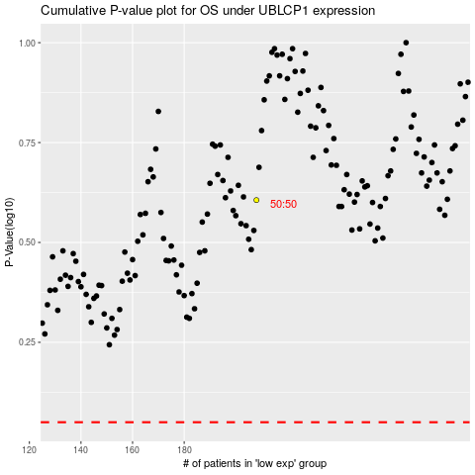

 |  |  |  |  |  | cases_OS | p_OS | rank | exp
 |  |  |  |  |  |  | cases_RFS | p_RFS | rank | exp

