UBQLN1 _multivariate
Reported by Tex Li-Hsing Chi. tex@gate.sinica.edu.tw 2019-08-15

Table 2. The clinicopathological features of HNSCC cohort and UBQLN1 expression. (Chi square test)
Cutoff at 0.441 (68.4%)
 |  | UBQLN1 expression |  | UBQLN1 expression |  | (Optimised)
 | Features | Low | (%) | High | (%) | Case no | P-value | Remark | Matthews
Gender | Female | 212 | 51.1 | 94 | 22.7 | 415 | 0.4979 | 0 | 0
2 | Male | 71 | 17.1 | 38 | 9.2
Age at diagnosis | <=65y | 193 | 46.5 | 81 | 19.5 | 415 | 0.2085 | 0 | 0
4 | >65y | 90 | 21.7 | 51 | 12.3
Clinical T Status | T1+T2 | 108 | 26 | 41 | 9.9 | 415 | 0.1954 | 0 | 0
6 | T3+T4 | 175 | 42.2 | 91 | 21.9
Clinical N Status | N0 | 151 | 36.4 | 65 | 15.7 | 415 | 0.4991 | 0 | 0
8 | N1-3 | 132 | 31.8 | 67 | 16.1
Clinical M Status | M0 | 281 | 67.7 | 131 | 31.6 | 415 | 1 | 0 | 0
10 | M1 | 2 | 0.5 | 1 | 0.2
Clinical Stage | Stage I+II | 75 | 18.1 | 27 | 6.5 | 415 | 0.2262 | 0 | 0
12 | Stage III+IV | 208 | 50.1 | 105 | 25.3
Surgical Margin status | Negative | 214 | 51.6 | 104 | 25.1 | 415 | 0.5343 | 0 | 0
14 | Positive | 69 | 16.6 | 28 | 6.7
Tobacco Exposure | Low | 119 | 28.7 | 42 | 10.1 | 415 | 0.0517 | 0 | 0
16 | High | 164 | 39.5 | 90 | 21.7

Table 3. Univariate/Multivariate Cox's proportional hazards regression analyses on OS time of UBQLN1 gene expression in HNSCC

 |  | Univariate |  |  |  | Multivariate
 | Features | HR | CI95%(L) | CI95%(H) | P-value | HR | CI95%(L) | CI95%(H) | P-value
1 | Female | 1 |  |  |  | 1
Gender | Male | 1.157 | 0.843 | 1.587 | 0.367 | 1.209 | 0.866 | 1.686 | 0.265
11 | <=65y | 1 |  |  |  | 1
Age at diagnosis | >65y | 1.329 | 0.99 | 1.784 | 0.058 | 1.325 | 0.97 | 1.809 | 0.077
12 | T1+T2 | 1 |  |  |  | 1
Clinical T Status | T3+T4 | 1.409 | 1.028 | 1.931 | 0.033 | 2.22 | 1.175 | 4.194 | 0.014
13 | N0 | 1 |  |  |  | 1
Clinical N Status | N1-3 | 1.185 | 0.89 | 1.577 | 0.246 | 1.227 | 0.861 | 1.75 | 0.258
14 | M0 | 1 |  |  |  | 1
Clinical M Status | M1 | 4.097 | 1.009 | 16.644 | 0.049 | 9.88 | 2.154 | 45.327 | 0.003
15 | Stage I+II | 1 |  |  |  | 1
Clinical Stage | Stage III+IV | 1.245 | 0.882 | 1.759 | 0.213 | 0.498 | 0.232 | 1.069 | 0.074
16 | Negative | 1 |  |  |  | 1
Surgical Margin status | Positive | 1.591 | 1.155 | 2.191 | 0.004 | 1.698 | 1.229 | 2.347 | 0.001
17 | Low | 1 |  |  |  | 1
Tobacco Exposure | High | 1.364 | 1.008 | 1.844 | 0.044 | 1.446 | 1.049 | 1.993 | 0.024
18 | Low | 1 |  |  |  | 1
RNAseq(z-score) | High | 1.375 | 1.023 | 1.847 | 0.035 | 1.349 | 0.999 | 1.823 | 0.051

Table 4. Univariate/Multivariate Cox's proportional hazards regression analyses on RFS time of UBQLN1 gene expression in HNSCC

 |  | Univariate |  |  |  | Multivariate
 | Features | HR | CI95%(L) | CI95%(H) | P-value | HR | CI95%(L) | CI95%(H) | P-value
1 | Female | 1 |  |  |  | 1
Gender | Male | 1.157 | 0.843 | 1.587 | 0.367 | 1.209 | 0.866 | 1.686 | 0.265
11 | <=65y | 1 |  |  |  | 1
Age at diagnosis | >65y | 1.329 | 0.99 | 1.784 | 0.058 | 1.325 | 0.97 | 1.809 | 0.077
12 | T1+T2 | 1 |  |  |  | 1
Clinical T Status | T3+T4 | 1.409 | 1.028 | 1.931 | 0.033 | 2.22 | 1.175 | 4.194 | 0.014
13 | N0 | 1 |  |  |  | 1
Clinical N Status | N1-3 | 1.185 | 0.89 | 1.577 | 0.246 | 1.227 | 0.861 | 1.75 | 0.258
14 | M0 | 1 |  |  |  | 1
Clinical M Status | M1 | 4.097 | 1.009 | 16.644 | 0.049 | 9.88 | 2.154 | 45.327 | 0.003
15 | Stage I+II | 1 |  |  |  | 1
Clinical Stage | Stage III+IV | 1.245 | 0.882 | 1.759 | 0.213 | 0.498 | 0.232 | 1.069 | 0.074
16 | Negative | 1 |  |  |  | 1
Surgical Margin status | Positive | 1.591 | 1.155 | 2.191 | 0.004 | 1.698 | 1.229 | 2.347 | 0.001
17 | Low | 1 |  |  |  | 1
Tobacco Exposure | High | 1.364 | 1.008 | 1.844 | 0.044 | 1.446 | 1.049 | 1.993 | 0.024
18 | Low | 1 |  |  |  | 1
RNAseq(z-score) | High | 1.375 | 1.023 | 1.847 | 0.035 | 1.349 | 0.999 | 1.823 | 0.051

Kaplan-Meier survival estimate: Cutoff at 0.441 (68.4%)

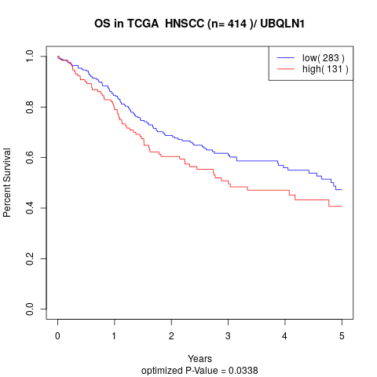

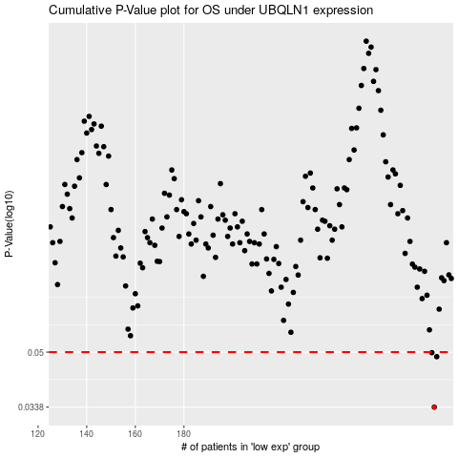

 |  |  |  |  |  | cases_OS | p_OS | rank | exp
 |  |  |  |  |  | 283 | 0.0338 | 201 | 0.44127370328
 |  |  |  |  |  | 284 | 0.0484 | 43 | 0.44342116665
 |  |  |  |  |  | 282 | 0.0498 | 403 | 0.44100431246
 |  |  |  |  |  |  | cases_RFS | p_RFS | rank | exp
 |  |  |  |  |  |  | 282 | 0.0338 | 403 | 0.44100431246
 |  |  |  |  |  |  | 283 | 0.0484 | 201 | 0.44127370328
 |  |  |  |  |  |  | 281 | 0.0498 | 310 | 0.44022216119

