UBQLNL _multivariate
Reported by Tex Li-Hsing Chi. tex@gate.sinica.edu.tw 2019-08-15

Table 2. The clinicopathological features of HNSCC cohort and UBQLNL expression. (Chi square test)
Cutoff at -0.27 (50.0%)
 |  | UBQLNL expression |  | UBQLNL expression |  | (Optimised)
 | Features | Low | (%) | High | (%) | Case no | P-value | Remark | Matthews
Gender | Female | 153 | 36.9 | 153 | 36.9 | 415 | 1 | 0 | 0
2 | Male | 54 | 13 | 55 | 13.3
Age at diagnosis | <=65y | 131 | 31.6 | 143 | 34.5 | 415 | 0.2839 | 0 | 0
4 | >65y | 76 | 18.3 | 65 | 15.7
Clinical T Status | T1+T2 | 66 | 15.9 | 83 | 20 | 415 | 0.1095 | 0 | 0
6 | T3+T4 | 141 | 34 | 125 | 30.1
Clinical N Status | N0 | 103 | 24.8 | 113 | 27.2 | 415 | 0.4047 | 0 | 0
8 | N1-3 | 104 | 25.1 | 95 | 22.9
Clinical M Status | M0 | 207 | 49.9 | 205 | 49.4 | 415 | 0.2482 | 0 | 0
10 | M1 | 0 | 0 | 3 | 0.7
Clinical Stage | Stage I+II | 46 | 11.1 | 56 | 13.5 | 415 | 0.3182 | 0 | 0
12 | Stage III+IV | 161 | 38.8 | 152 | 36.6
Surgical Margin status | Negative | 156 | 37.6 | 162 | 39 | 415 | 0.5636 | 0 | 0
14 | Positive | 51 | 12.3 | 46 | 11.1
Tobacco Exposure | Low | 67 | 16.1 | 94 | 22.7 | 415 | 0.0088 | 1 | 0
16 | High | 140 | 33.7 | 114 | 27.5

Table 3. Univariate/Multivariate Cox's proportional hazards regression analyses on OS time of UBQLNL gene expression in HNSCC

 |  | Univariate |  |  |  | Multivariate
 | Features | HR | CI95%(L) | CI95%(H) | P-value | HR | CI95%(L) | CI95%(H) | P-value
1 | Female | 1 |  |  |  | 1
Gender | Male | 1.157 | 0.843 | 1.587 | 0.367 | 1.197 | 0.856 | 1.672 | 0.293
11 | <=65y | 1 |  |  |  | 1
Age at diagnosis | >65y | 1.329 | 0.99 | 1.784 | 0.058 | 1.402 | 1.029 | 1.909 | 0.032
12 | T1+T2 | 1 |  |  |  | 1
Clinical T Status | T3+T4 | 1.409 | 1.028 | 1.931 | 0.033 | 2.217 | 1.171 | 4.196 | 0.014
13 | N0 | 1 |  |  |  | 1
Clinical N Status | N1-3 | 1.185 | 0.89 | 1.577 | 0.246 | 1.248 | 0.874 | 1.782 | 0.223
14 | M0 | 1 |  |  |  | 1
Clinical M Status | M1 | 4.097 | 1.009 | 16.644 | 0.049 | 9.139 | 1.983 | 42.122 | 0.005
15 | Stage I+II | 1 |  |  |  | 1
Clinical Stage | Stage III+IV | 1.245 | 0.882 | 1.759 | 0.213 | 0.501 | 0.233 | 1.075 | 0.076
16 | Negative | 1 |  |  |  | 1
Surgical Margin status | Positive | 1.591 | 1.155 | 2.191 | 0.004 | 1.67 | 1.209 | 2.308 | 0.002
17 | Low | 1 |  |  |  | 1
Tobacco Exposure | High | 1.364 | 1.008 | 1.844 | 0.044 | 1.47 | 1.062 | 2.035 | 0.02
18 | Low | 1 |  |  |  | 1
RNAseq(z-score) | High | 0.994 | 0.746 | 1.326 | 0.969 | 1.068 | 0.794 | 1.437 | 0.664

Table 4. Univariate/Multivariate Cox's proportional hazards regression analyses on RFS time of UBQLNL gene expression in HNSCC

 |  | Univariate |  |  |  | Multivariate
 | Features | HR | CI95%(L) | CI95%(H) | P-value | HR | CI95%(L) | CI95%(H) | P-value
1 | Female | 1 |  |  |  | 1
Gender | Male | 1.157 | 0.843 | 1.587 | 0.367 | 1.197 | 0.856 | 1.672 | 0.293
11 | <=65y | 1 |  |  |  | 1
Age at diagnosis | >65y | 1.329 | 0.99 | 1.784 | 0.058 | 1.402 | 1.029 | 1.909 | 0.032
12 | T1+T2 | 1 |  |  |  | 1
Clinical T Status | T3+T4 | 1.409 | 1.028 | 1.931 | 0.033 | 2.217 | 1.171 | 4.196 | 0.014
13 | N0 | 1 |  |  |  | 1
Clinical N Status | N1-3 | 1.185 | 0.89 | 1.577 | 0.246 | 1.248 | 0.874 | 1.782 | 0.223
14 | M0 | 1 |  |  |  | 1
Clinical M Status | M1 | 4.097 | 1.009 | 16.644 | 0.049 | 9.139 | 1.983 | 42.122 | 0.005
15 | Stage I+II | 1 |  |  |  | 1
Clinical Stage | Stage III+IV | 1.245 | 0.882 | 1.759 | 0.213 | 0.501 | 0.233 | 1.075 | 0.076
16 | Negative | 1 |  |  |  | 1
Surgical Margin status | Positive | 1.591 | 1.155 | 2.191 | 0.004 | 1.67 | 1.209 | 2.308 | 0.002
17 | Low | 1 |  |  |  | 1
Tobacco Exposure | High | 1.364 | 1.008 | 1.844 | 0.044 | 1.47 | 1.062 | 2.035 | 0.02
18 | Low | 1 |  |  |  | 1
RNAseq(z-score) | High | 0.994 | 0.746 | 1.326 | 0.969 | 1.068 | 0.794 | 1.437 | 0.664

Kaplan-Meier survival estimate: Cutoff at -0.27 (50.0%)

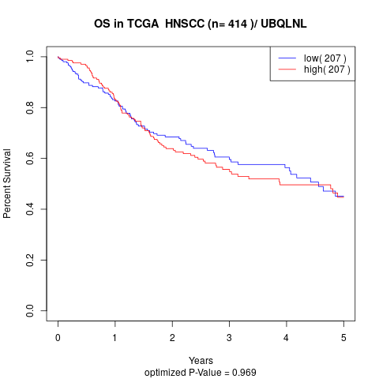

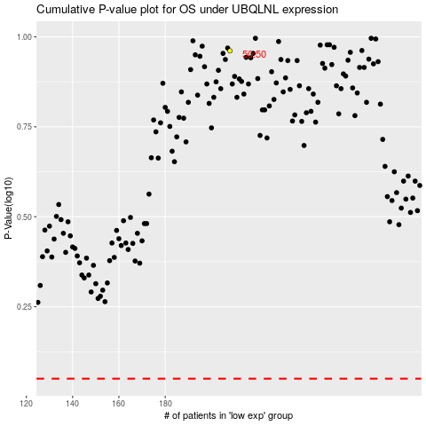

 |  |  |  |  |  | cases_OS | p_OS | rank | exp
 |  |  |  |  |  |  | cases_RFS | p_RFS | rank | exp

