UBR3 _multivariate
Reported by Tex Li-Hsing Chi. tex@gate.sinica.edu.tw 2019-08-15

Table 2. The clinicopathological features of HNSCC cohort and UBR3 expression. (Chi square test)
Cutoff at -0.139 (50.0%)
 |  | UBR3 expression |  | UBR3 expression |  | (Optimised)
 | Features | Low | (%) | High | (%) | Case no | P-value | Remark | Matthews
Gender | Female | 154 | 37.1 | 152 | 36.6 | 415 | 0.8463 | 0 | 0
2 | Male | 53 | 12.8 | 56 | 13.5
Age at diagnosis | <=65y | 133 | 32 | 141 | 34 | 415 | 0.5111 | 0 | 0
4 | >65y | 74 | 17.8 | 67 | 16.1
Clinical T Status | T1+T2 | 79 | 19 | 70 | 16.9 | 415 | 0.3924 | 0 | 0
6 | T3+T4 | 128 | 30.8 | 138 | 33.3
Clinical N Status | N0 | 103 | 24.8 | 113 | 27.2 | 415 | 0.4047 | 0 | 0
8 | N1-3 | 104 | 25.1 | 95 | 22.9
Clinical M Status | M0 | 204 | 49.2 | 208 | 50.1 | 415 | 0.1232 | 0 | 0
10 | M1 | 3 | 0.7 | 0 | 0
Clinical Stage | Stage I+II | 52 | 12.5 | 50 | 12 | 415 | 0.8871 | 0 | 0
12 | Stage III+IV | 155 | 37.3 | 158 | 38.1
Surgical Margin status | Negative | 149 | 35.9 | 169 | 40.7 | 415 | 0.0278 | 1 | 0
14 | Positive | 58 | 14 | 39 | 9.4
Tobacco Exposure | Low | 89 | 21.4 | 72 | 17.3 | 415 | 0.0872 | 0 | 0
16 | High | 118 | 28.4 | 136 | 32.8

Table 3. Univariate/Multivariate Cox's proportional hazards regression analyses on OS time of UBR3 gene expression in HNSCC

 |  | Univariate |  |  |  | Multivariate
 | Features | HR | CI95%(L) | CI95%(H) | P-value | HR | CI95%(L) | CI95%(H) | P-value
1 | Female | 1 |  |  |  | 1
Gender | Male | 1.157 | 0.843 | 1.587 | 0.367 | 1.197 | 0.859 | 1.669 | 0.289
11 | <=65y | 1 |  |  |  | 1
Age at diagnosis | >65y | 1.329 | 0.99 | 1.784 | 0.058 | 1.425 | 1.047 | 1.939 | 0.025
12 | T1+T2 | 1 |  |  |  | 1
Clinical T Status | T3+T4 | 1.409 | 1.028 | 1.931 | 0.033 | 2.181 | 1.154 | 4.123 | 0.016
13 | N0 | 1 |  |  |  | 1
Clinical N Status | N1-3 | 1.185 | 0.89 | 1.577 | 0.246 | 1.287 | 0.9 | 1.841 | 0.167
14 | M0 | 1 |  |  |  | 1
Clinical M Status | M1 | 4.097 | 1.009 | 16.644 | 0.049 | 10.535 | 2.282 | 48.632 | 0.003
15 | Stage I+II | 1 |  |  |  | 1
Clinical Stage | Stage III+IV | 1.245 | 0.882 | 1.759 | 0.213 | 0.489 | 0.227 | 1.05 | 0.067
16 | Negative | 1 |  |  |  | 1
Surgical Margin status | Positive | 1.591 | 1.155 | 2.191 | 0.004 | 1.734 | 1.251 | 2.403 | 0.001
17 | Low | 1 |  |  |  | 1
Tobacco Exposure | High | 1.364 | 1.008 | 1.844 | 0.044 | 1.462 | 1.062 | 2.013 | 0.02
18 | Low | 1 |  |  |  | 1
RNAseq(z-score) | High | 1.15 | 0.862 | 1.534 | 0.342 | 1.271 | 0.943 | 1.713 | 0.115

Table 4. Univariate/Multivariate Cox's proportional hazards regression analyses on RFS time of UBR3 gene expression in HNSCC

 |  | Univariate |  |  |  | Multivariate
 | Features | HR | CI95%(L) | CI95%(H) | P-value | HR | CI95%(L) | CI95%(H) | P-value
1 | Female | 1 |  |  |  | 1
Gender | Male | 1.157 | 0.843 | 1.587 | 0.367 | 1.197 | 0.859 | 1.669 | 0.289
11 | <=65y | 1 |  |  |  | 1
Age at diagnosis | >65y | 1.329 | 0.99 | 1.784 | 0.058 | 1.425 | 1.047 | 1.939 | 0.025
12 | T1+T2 | 1 |  |  |  | 1
Clinical T Status | T3+T4 | 1.409 | 1.028 | 1.931 | 0.033 | 2.181 | 1.154 | 4.123 | 0.016
13 | N0 | 1 |  |  |  | 1
Clinical N Status | N1-3 | 1.185 | 0.89 | 1.577 | 0.246 | 1.287 | 0.9 | 1.841 | 0.167
14 | M0 | 1 |  |  |  | 1
Clinical M Status | M1 | 4.097 | 1.009 | 16.644 | 0.049 | 10.535 | 2.282 | 48.632 | 0.003
15 | Stage I+II | 1 |  |  |  | 1
Clinical Stage | Stage III+IV | 1.245 | 0.882 | 1.759 | 0.213 | 0.489 | 0.227 | 1.05 | 0.067
16 | Negative | 1 |  |  |  | 1
Surgical Margin status | Positive | 1.591 | 1.155 | 2.191 | 0.004 | 1.734 | 1.251 | 2.403 | 0.001
17 | Low | 1 |  |  |  | 1
Tobacco Exposure | High | 1.364 | 1.008 | 1.844 | 0.044 | 1.462 | 1.062 | 2.013 | 0.02
18 | Low | 1 |  |  |  | 1
RNAseq(z-score) | High | 1.15 | 0.862 | 1.534 | 0.342 | 1.271 | 0.943 | 1.713 | 0.115

Kaplan-Meier survival estimate: Cutoff at -0.139 (50.0%)



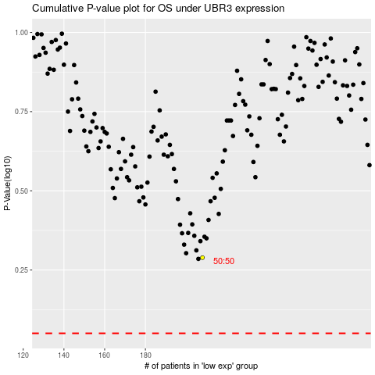

 |  |  |  |  |  | cases_OS | p_OS | rank | exp
 |  |  |  |  |  |  | cases_RFS | p_RFS | rank | exp

