UBTF _multivariate
Reported by Tex Li-Hsing Chi. tex@gate.sinica.edu.tw 2019-08-15

Table 2. The clinicopathological features of HNSCC cohort and UBTF expression. (Chi square test)
Cutoff at -0.127 (49.8%)
 |  | UBTF expression |  | UBTF expression |  | (Optimised)
 | Features | Low | (%) | High | (%) | Case no | P-value | Remark | Matthews
Gender | Female | 143 | 34.5 | 163 | 39.3 | 415 | 0.0416 | 1 | 0
2 | Male | 64 | 15.4 | 45 | 10.8
Age at diagnosis | <=65y | 124 | 29.9 | 150 | 36.1 | 415 | 0.0116 | 1 | 0
4 | >65y | 83 | 20 | 58 | 14
Clinical T Status | T1+T2 | 72 | 17.3 | 77 | 18.6 | 415 | 0.7095 | 0 | 0
6 | T3+T4 | 135 | 32.5 | 131 | 31.6
Clinical N Status | N0 | 104 | 25.1 | 112 | 27 | 415 | 0.5243 | 0 | 0
8 | N1-3 | 103 | 24.8 | 96 | 23.1
Clinical M Status | M0 | 206 | 49.6 | 206 | 49.6 | 415 | 1 | 0 | 0
10 | M1 | 1 | 0.2 | 2 | 0.5
Clinical Stage | Stage I+II | 53 | 12.8 | 49 | 11.8 | 415 | 0.7113 | 0 | 0
12 | Stage III+IV | 154 | 37.1 | 159 | 38.3
Surgical Margin status | Negative | 163 | 39.3 | 155 | 37.3 | 415 | 0.3537 | 0 | 0
14 | Positive | 44 | 10.6 | 53 | 12.8
Tobacco Exposure | Low | 90 | 21.7 | 71 | 17.1 | 415 | 0.0559 | 0 | 0
16 | High | 117 | 28.2 | 137 | 33

Table 3. Univariate/Multivariate Cox's proportional hazards regression analyses on OS time of UBTF gene expression in HNSCC

 |  | Univariate |  |  |  | Multivariate
 | Features | HR | CI95%(L) | CI95%(H) | P-value | HR | CI95%(L) | CI95%(H) | P-value
1 | Female | 1 |  |  |  | 1
Gender | Male | 1.157 | 0.843 | 1.587 | 0.367 | 1.192 | 0.852 | 1.667 | 0.305
11 | <=65y | 1 |  |  |  | 1
Age at diagnosis | >65y | 1.329 | 0.99 | 1.784 | 0.058 | 1.387 | 1.02 | 1.885 | 0.037
12 | T1+T2 | 1 |  |  |  | 1
Clinical T Status | T3+T4 | 1.409 | 1.028 | 1.931 | 0.033 | 2.187 | 1.156 | 4.139 | 0.016
13 | N0 | 1 |  |  |  | 1
Clinical N Status | N1-3 | 1.185 | 0.89 | 1.577 | 0.246 | 1.228 | 0.858 | 1.756 | 0.261
14 | M0 | 1 |  |  |  | 1
Clinical M Status | M1 | 4.097 | 1.009 | 16.644 | 0.049 | 9.551 | 2.081 | 43.834 | 0.004
15 | Stage I+II | 1 |  |  |  | 1
Clinical Stage | Stage III+IV | 1.245 | 0.882 | 1.759 | 0.213 | 0.515 | 0.239 | 1.109 | 0.09
16 | Negative | 1 |  |  |  | 1
Surgical Margin status | Positive | 1.591 | 1.155 | 2.191 | 0.004 | 1.685 | 1.218 | 2.333 | 0.002
17 | Low | 1 |  |  |  | 1
Tobacco Exposure | High | 1.364 | 1.008 | 1.844 | 0.044 | 1.453 | 1.055 | 2.001 | 0.022
18 | Low | 1 |  |  |  | 1
RNAseq(z-score) | High | 0.948 | 0.712 | 1.263 | 0.716 | 0.932 | 0.694 | 1.25 | 0.637

Table 4. Univariate/Multivariate Cox's proportional hazards regression analyses on RFS time of UBTF gene expression in HNSCC

 |  | Univariate |  |  |  | Multivariate
 | Features | HR | CI95%(L) | CI95%(H) | P-value | HR | CI95%(L) | CI95%(H) | P-value
1 | Female | 1 |  |  |  | 1
Gender | Male | 1.157 | 0.843 | 1.587 | 0.367 | 1.192 | 0.852 | 1.667 | 0.305
11 | <=65y | 1 |  |  |  | 1
Age at diagnosis | >65y | 1.329 | 0.99 | 1.784 | 0.058 | 1.387 | 1.02 | 1.885 | 0.037
12 | T1+T2 | 1 |  |  |  | 1
Clinical T Status | T3+T4 | 1.409 | 1.028 | 1.931 | 0.033 | 2.187 | 1.156 | 4.139 | 0.016
13 | N0 | 1 |  |  |  | 1
Clinical N Status | N1-3 | 1.185 | 0.89 | 1.577 | 0.246 | 1.228 | 0.858 | 1.756 | 0.261
14 | M0 | 1 |  |  |  | 1
Clinical M Status | M1 | 4.097 | 1.009 | 16.644 | 0.049 | 9.551 | 2.081 | 43.834 | 0.004
15 | Stage I+II | 1 |  |  |  | 1
Clinical Stage | Stage III+IV | 1.245 | 0.882 | 1.759 | 0.213 | 0.515 | 0.239 | 1.109 | 0.09
16 | Negative | 1 |  |  |  | 1
Surgical Margin status | Positive | 1.591 | 1.155 | 2.191 | 0.004 | 1.685 | 1.218 | 2.333 | 0.002
17 | Low | 1 |  |  |  | 1
Tobacco Exposure | High | 1.364 | 1.008 | 1.844 | 0.044 | 1.453 | 1.055 | 2.001 | 0.022
18 | Low | 1 |  |  |  | 1
RNAseq(z-score) | High | 0.948 | 0.712 | 1.263 | 0.716 | 0.932 | 0.694 | 1.25 | 0.637

Kaplan-Meier survival estimate: Cutoff at -0.127 (49.8%)

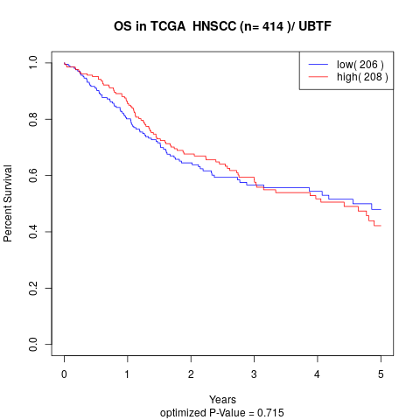

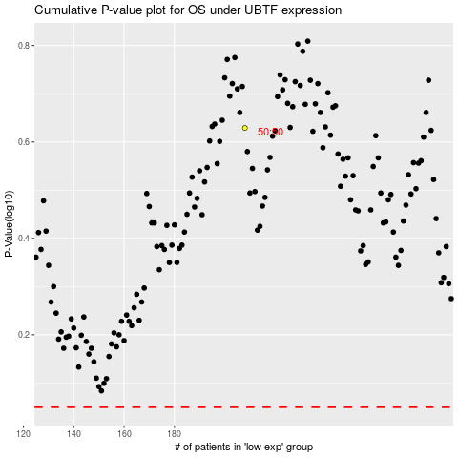

 |  |  |  |  |  | cases_OS | p_OS | rank | exp
 |  |  |  |  |  |  | cases_RFS | p_RFS | rank | exp

