UBXN1 _multivariate
Reported by Tex Li-Hsing Chi. tex@gate.sinica.edu.tw 2019-08-15

Table 2. The clinicopathological features of HNSCC cohort and UBXN1 expression. (Chi square test)
Cutoff at -0.481 (31.9%)
 |  | UBXN1 expression |  | UBXN1 expression |  | (Optimised)
 | Features | Low | (%) | High | (%) | Case no | P-value | Remark | Matthews
Gender | Female | 90 | 21.7 | 216 | 52 | 415 | 0.1019 | 0 | 0
2 | Male | 42 | 10.1 | 67 | 16.1
Age at diagnosis | <=65y | 82 | 19.8 | 192 | 46.3 | 415 | 0.3006 | 0 | 0
4 | >65y | 50 | 12 | 91 | 21.9
Clinical T Status | T1+T2 | 52 | 12.5 | 97 | 23.4 | 415 | 0.3668 | 0 | 0
6 | T3+T4 | 80 | 19.3 | 186 | 44.8
Clinical N Status | N0 | 76 | 18.3 | 140 | 33.7 | 415 | 0.1516 | 0 | 0
8 | N1-3 | 56 | 13.5 | 143 | 34.5
Clinical M Status | M0 | 132 | 31.8 | 280 | 67.5 | 415 | 0.5546 | 0 | 0
10 | M1 | 0 | 0 | 3 | 0.7
Clinical Stage | Stage I+II | 36 | 8.7 | 66 | 15.9 | 415 | 0.4543 | 0 | 0
12 | Stage III+IV | 96 | 23.1 | 217 | 52.3
Surgical Margin status | Negative | 109 | 26.3 | 209 | 50.4 | 415 | 0.0614 | 0 | 0
14 | Positive | 23 | 5.5 | 74 | 17.8
Tobacco Exposure | Low | 48 | 11.6 | 113 | 27.2 | 415 | 0.5175 | 0 | 0
16 | High | 84 | 20.2 | 170 | 41

Table 3. Univariate/Multivariate Cox's proportional hazards regression analyses on OS time of UBXN1 gene expression in HNSCC

 |  | Univariate |  |  |  | Multivariate
 | Features | HR | CI95%(L) | CI95%(H) | P-value | HR | CI95%(L) | CI95%(H) | P-value
1 | Female | 1 |  |  |  | 1
Gender | Male | 1.157 | 0.843 | 1.587 | 0.367 | 1.213 | 0.867 | 1.697 | 0.26
11 | <=65y | 1 |  |  |  | 1
Age at diagnosis | >65y | 1.329 | 0.99 | 1.784 | 0.058 | 1.408 | 1.034 | 1.915 | 0.03
12 | T1+T2 | 1 |  |  |  | 1
Clinical T Status | T3+T4 | 1.409 | 1.028 | 1.931 | 0.033 | 2.155 | 1.139 | 4.076 | 0.018
13 | N0 | 1 |  |  |  | 1
Clinical N Status | N1-3 | 1.185 | 0.89 | 1.577 | 0.246 | 1.213 | 0.849 | 1.733 | 0.288
14 | M0 | 1 |  |  |  | 1
Clinical M Status | M1 | 4.097 | 1.009 | 16.644 | 0.049 | 8.597 | 1.869 | 39.535 | 0.006
15 | Stage I+II | 1 |  |  |  | 1
Clinical Stage | Stage III+IV | 1.245 | 0.882 | 1.759 | 0.213 | 0.518 | 0.241 | 1.114 | 0.092
16 | Negative | 1 |  |  |  | 1
Surgical Margin status | Positive | 1.591 | 1.155 | 2.191 | 0.004 | 1.593 | 1.148 | 2.21 | 0.005
17 | Low | 1 |  |  |  | 1
Tobacco Exposure | High | 1.364 | 1.008 | 1.844 | 0.044 | 1.481 | 1.072 | 2.047 | 0.017
18 | Low | 1 |  |  |  | 1
RNAseq(z-score) | High | 1.416 | 1.018 | 1.969 | 0.039 | 1.33 | 0.95 | 1.862 | 0.097

Table 4. Univariate/Multivariate Cox's proportional hazards regression analyses on RFS time of UBXN1 gene expression in HNSCC

 |  | Univariate |  |  |  | Multivariate
 | Features | HR | CI95%(L) | CI95%(H) | P-value | HR | CI95%(L) | CI95%(H) | P-value
1 | Female | 1 |  |  |  | 1
Gender | Male | 1.157 | 0.843 | 1.587 | 0.367 | 1.213 | 0.867 | 1.697 | 0.26
11 | <=65y | 1 |  |  |  | 1
Age at diagnosis | >65y | 1.329 | 0.99 | 1.784 | 0.058 | 1.408 | 1.034 | 1.915 | 0.03
12 | T1+T2 | 1 |  |  |  | 1
Clinical T Status | T3+T4 | 1.409 | 1.028 | 1.931 | 0.033 | 2.155 | 1.139 | 4.076 | 0.018
13 | N0 | 1 |  |  |  | 1
Clinical N Status | N1-3 | 1.185 | 0.89 | 1.577 | 0.246 | 1.213 | 0.849 | 1.733 | 0.288
14 | M0 | 1 |  |  |  | 1
Clinical M Status | M1 | 4.097 | 1.009 | 16.644 | 0.049 | 8.597 | 1.869 | 39.535 | 0.006
15 | Stage I+II | 1 |  |  |  | 1
Clinical Stage | Stage III+IV | 1.245 | 0.882 | 1.759 | 0.213 | 0.518 | 0.241 | 1.114 | 0.092
16 | Negative | 1 |  |  |  | 1
Surgical Margin status | Positive | 1.591 | 1.155 | 2.191 | 0.004 | 1.593 | 1.148 | 2.21 | 0.005
17 | Low | 1 |  |  |  | 1
Tobacco Exposure | High | 1.364 | 1.008 | 1.844 | 0.044 | 1.481 | 1.072 | 2.047 | 0.017
18 | Low | 1 |  |  |  | 1
RNAseq(z-score) | High | 1.416 | 1.018 | 1.969 | 0.039 | 1.33 | 0.95 | 1.862 | 0.097

Kaplan-Meier survival estimate: Cutoff at -0.481 (31.9%)



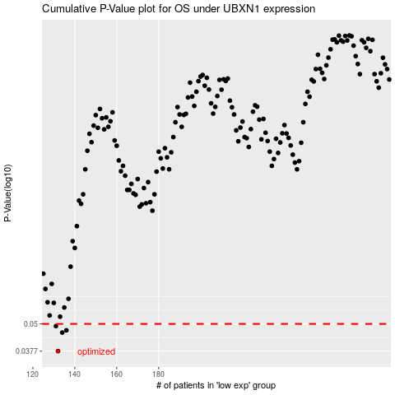

 |  |  |  |  |  | cases_OS | p_OS | rank | exp
 |  |  |  |  |  | 132 | 0.0377 | 394 | -0.48077813443
 |  |  |  |  |  | 134 | 0.0457 | 258 | -0.47679165099
 |  |  |  |  |  | 136 | 0.0468 | 276 | -0.46952741226
 |  |  |  |  |  | 131 | 0.0489 | 282 | -0.4836249915
 |  |  |  |  |  |  | cases_RFS | p_RFS | rank | exp
 |  |  |  |  |  |  | 131 | 0.0377 | 282 | -0.4836249915
 |  |  |  |  |  |  | 133 | 0.0457 | 15 | -0.47858666481
 |  |  |  |  |  |  | 135 | 0.0468 | 255 | -0.47240936622
 |  |  |  |  |  |  | 130 | 0.0489 | 397 | -0.48386641558

