UBXN4 _multivariate
Reported by Tex Li-Hsing Chi. tex@gate.sinica.edu.tw 2019-08-15

Table 2. The clinicopathological features of HNSCC cohort and UBXN4 expression. (Chi square test)
Cutoff at -0.044 (49.8%)
 |  | UBXN4 expression |  | UBXN4 expression |  | (Optimised)
 | Features | Low | (%) | High | (%) | Case no | P-value | Remark | Matthews
Gender | Female | 150 | 36.1 | 156 | 37.6 | 415 | 0.6344 | 0 | 0
2 | Male | 57 | 13.7 | 52 | 12.5
Age at diagnosis | <=65y | 128 | 30.8 | 146 | 35.2 | 415 | 0.0904 | 0 | 0
4 | >65y | 79 | 19 | 62 | 14.9
Clinical T Status | T1+T2 | 77 | 18.6 | 72 | 17.3 | 415 | 0.6556 | 0 | 0
6 | T3+T4 | 130 | 31.3 | 136 | 32.8
Clinical N Status | N0 | 108 | 26 | 108 | 26 | 415 | 1 | 0 | 0
8 | N1-3 | 99 | 23.9 | 100 | 24.1
Clinical M Status | M0 | 204 | 49.2 | 208 | 50.1 | 415 | 0.1232 | 0 | 0
10 | M1 | 3 | 0.7 | 0 | 0
Clinical Stage | Stage I+II | 52 | 12.5 | 50 | 12 | 415 | 0.8871 | 0 | 0
12 | Stage III+IV | 155 | 37.3 | 158 | 38.1
Surgical Margin status | Negative | 156 | 37.6 | 162 | 39 | 415 | 0.5636 | 0 | 0
14 | Positive | 51 | 12.3 | 46 | 11.1
Tobacco Exposure | Low | 94 | 22.7 | 67 | 16.1 | 415 | 0.0065 | 1 | 0
16 | High | 113 | 27.2 | 141 | 34

Table 3. Univariate/Multivariate Cox's proportional hazards regression analyses on OS time of UBXN4 gene expression in HNSCC

 |  | Univariate |  |  |  | Multivariate
 | Features | HR | CI95%(L) | CI95%(H) | P-value | HR | CI95%(L) | CI95%(H) | P-value
1 | Female | 1 |  |  |  | 1
Gender | Male | 1.157 | 0.843 | 1.587 | 0.367 | 1.203 | 0.861 | 1.68 | 0.278
11 | <=65y | 1 |  |  |  | 1
Age at diagnosis | >65y | 1.329 | 0.99 | 1.784 | 0.058 | 1.397 | 1.027 | 1.901 | 0.033
12 | T1+T2 | 1 |  |  |  | 1
Clinical T Status | T3+T4 | 1.409 | 1.028 | 1.931 | 0.033 | 2.201 | 1.164 | 4.162 | 0.015
13 | N0 | 1 |  |  |  | 1
Clinical N Status | N1-3 | 1.185 | 0.89 | 1.577 | 0.246 | 1.242 | 0.87 | 1.771 | 0.233
14 | M0 | 1 |  |  |  | 1
Clinical M Status | M1 | 4.097 | 1.009 | 16.644 | 0.049 | 9.667 | 2.091 | 44.695 | 0.004
15 | Stage I+II | 1 |  |  |  | 1
Clinical Stage | Stage III+IV | 1.245 | 0.882 | 1.759 | 0.213 | 0.503 | 0.234 | 1.08 | 0.078
16 | Negative | 1 |  |  |  | 1
Surgical Margin status | Positive | 1.591 | 1.155 | 2.191 | 0.004 | 1.679 | 1.214 | 2.323 | 0.002
17 | Low | 1 |  |  |  | 1
Tobacco Exposure | High | 1.364 | 1.008 | 1.844 | 0.044 | 1.45 | 1.052 | 1.998 | 0.023
18 | Low | 1 |  |  |  | 1
RNAseq(z-score) | High | 0.995 | 0.747 | 1.325 | 0.971 | 1.051 | 0.784 | 1.408 | 0.739

Table 4. Univariate/Multivariate Cox's proportional hazards regression analyses on RFS time of UBXN4 gene expression in HNSCC

 |  | Univariate |  |  |  | Multivariate
 | Features | HR | CI95%(L) | CI95%(H) | P-value | HR | CI95%(L) | CI95%(H) | P-value
1 | Female | 1 |  |  |  | 1
Gender | Male | 1.157 | 0.843 | 1.587 | 0.367 | 1.203 | 0.861 | 1.68 | 0.278
11 | <=65y | 1 |  |  |  | 1
Age at diagnosis | >65y | 1.329 | 0.99 | 1.784 | 0.058 | 1.397 | 1.027 | 1.901 | 0.033
12 | T1+T2 | 1 |  |  |  | 1
Clinical T Status | T3+T4 | 1.409 | 1.028 | 1.931 | 0.033 | 2.201 | 1.164 | 4.162 | 0.015
13 | N0 | 1 |  |  |  | 1
Clinical N Status | N1-3 | 1.185 | 0.89 | 1.577 | 0.246 | 1.242 | 0.87 | 1.771 | 0.233
14 | M0 | 1 |  |  |  | 1
Clinical M Status | M1 | 4.097 | 1.009 | 16.644 | 0.049 | 9.667 | 2.091 | 44.695 | 0.004
15 | Stage I+II | 1 |  |  |  | 1
Clinical Stage | Stage III+IV | 1.245 | 0.882 | 1.759 | 0.213 | 0.503 | 0.234 | 1.08 | 0.078
16 | Negative | 1 |  |  |  | 1
Surgical Margin status | Positive | 1.591 | 1.155 | 2.191 | 0.004 | 1.679 | 1.214 | 2.323 | 0.002
17 | Low | 1 |  |  |  | 1
Tobacco Exposure | High | 1.364 | 1.008 | 1.844 | 0.044 | 1.45 | 1.052 | 1.998 | 0.023
18 | Low | 1 |  |  |  | 1
RNAseq(z-score) | High | 0.995 | 0.747 | 1.325 | 0.971 | 1.051 | 0.784 | 1.408 | 0.739

Kaplan-Meier survival estimate: Cutoff at -0.044 (49.8%)



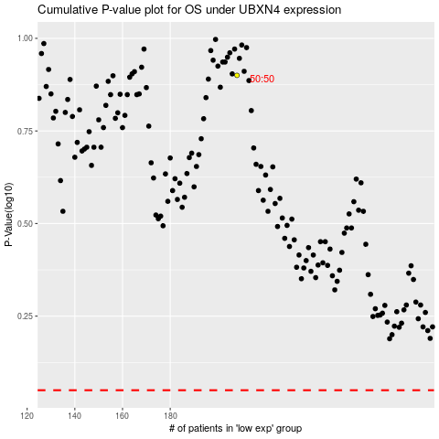

 |  |  |  |  |  | cases_OS | p_OS | rank | exp
 |  |  |  |  |  |  | cases_RFS | p_RFS | rank | exp

