UBXN7 _multivariate
Reported by Tex Li-Hsing Chi. tex@gate.sinica.edu.tw 2019-08-15

Table 2. The clinicopathological features of HNSCC cohort and UBXN7 expression. (Chi square test)
Cutoff at -0.151 (49.8%)
 |  | UBXN7 expression |  | UBXN7 expression |  | (Optimised)
 | Features | Low | (%) | High | (%) | Case no | P-value | Remark | Matthews
Gender | Female | 146 | 35.2 | 160 | 38.6 | 415 | 0.1714 | 0 | 0
2 | Male | 61 | 14.7 | 48 | 11.6
Age at diagnosis | <=65y | 128 | 30.8 | 146 | 35.2 | 415 | 0.0904 | 0 | 0
4 | >65y | 79 | 19 | 62 | 14.9
Clinical T Status | T1+T2 | 76 | 18.3 | 73 | 17.6 | 415 | 0.8092 | 0 | 0
6 | T3+T4 | 131 | 31.6 | 135 | 32.5
Clinical N Status | N0 | 116 | 28 | 100 | 24.1 | 415 | 0.1273 | 1 | 0
8 | N1-3 | 91 | 21.9 | 108 | 26
Clinical M Status | M0 | 204 | 49.2 | 208 | 50.1 | 415 | 0.1232 | 0 | 0
10 | M1 | 3 | 0.7 | 0 | 0
Clinical Stage | Stage I+II | 53 | 12.8 | 49 | 11.8 | 415 | 0.7113 | 0 | 0
12 | Stage III+IV | 154 | 37.1 | 159 | 38.3
Surgical Margin status | Negative | 154 | 37.1 | 164 | 39.5 | 415 | 0.2984 | 0 | 0
14 | Positive | 53 | 12.8 | 44 | 10.6
Tobacco Exposure | Low | 96 | 23.1 | 65 | 15.7 | 415 | 0.0018 | 1 | 0
16 | High | 111 | 26.7 | 143 | 34.5

Table 3. Univariate/Multivariate Cox's proportional hazards regression analyses on OS time of UBXN7 gene expression in HNSCC

 |  | Univariate |  |  |  | Multivariate
 | Features | HR | CI95%(L) | CI95%(H) | P-value | HR | CI95%(L) | CI95%(H) | P-value
1 | Female | 1 |  |  |  | 1
Gender | Male | 1.157 | 0.843 | 1.587 | 0.367 | 1.212 | 0.867 | 1.695 | 0.261
11 | <=65y | 1 |  |  |  | 1
Age at diagnosis | >65y | 1.329 | 0.99 | 1.784 | 0.058 | 1.397 | 1.027 | 1.9 | 0.033
12 | T1+T2 | 1 |  |  |  | 1
Clinical T Status | T3+T4 | 1.409 | 1.028 | 1.931 | 0.033 | 2.205 | 1.166 | 4.171 | 0.015
13 | N0 | 1 |  |  |  | 1
Clinical N Status | N1-3 | 1.185 | 0.89 | 1.577 | 0.246 | 1.233 | 0.863 | 1.761 | 0.249
14 | M0 | 1 |  |  |  | 1
Clinical M Status | M1 | 4.097 | 1.009 | 16.644 | 0.049 | 9.894 | 2.136 | 45.834 | 0.003
15 | Stage I+II | 1 |  |  |  | 1
Clinical Stage | Stage III+IV | 1.245 | 0.882 | 1.759 | 0.213 | 0.507 | 0.236 | 1.089 | 0.082
16 | Negative | 1 |  |  |  | 1
Surgical Margin status | Positive | 1.591 | 1.155 | 2.191 | 0.004 | 1.691 | 1.22 | 2.342 | 0.002
17 | Low | 1 |  |  |  | 1
Tobacco Exposure | High | 1.364 | 1.008 | 1.844 | 0.044 | 1.441 | 1.045 | 1.987 | 0.026
18 | Low | 1 |  |  |  | 1
RNAseq(z-score) | High | 1.025 | 0.769 | 1.365 | 0.867 | 1.089 | 0.81 | 1.464 | 0.572

Table 4. Univariate/Multivariate Cox's proportional hazards regression analyses on RFS time of UBXN7 gene expression in HNSCC

 |  | Univariate |  |  |  | Multivariate
 | Features | HR | CI95%(L) | CI95%(H) | P-value | HR | CI95%(L) | CI95%(H) | P-value
1 | Female | 1 |  |  |  | 1
Gender | Male | 1.157 | 0.843 | 1.587 | 0.367 | 1.212 | 0.867 | 1.695 | 0.261
11 | <=65y | 1 |  |  |  | 1
Age at diagnosis | >65y | 1.329 | 0.99 | 1.784 | 0.058 | 1.397 | 1.027 | 1.9 | 0.033
12 | T1+T2 | 1 |  |  |  | 1
Clinical T Status | T3+T4 | 1.409 | 1.028 | 1.931 | 0.033 | 2.205 | 1.166 | 4.171 | 0.015
13 | N0 | 1 |  |  |  | 1
Clinical N Status | N1-3 | 1.185 | 0.89 | 1.577 | 0.246 | 1.233 | 0.863 | 1.761 | 0.249
14 | M0 | 1 |  |  |  | 1
Clinical M Status | M1 | 4.097 | 1.009 | 16.644 | 0.049 | 9.894 | 2.136 | 45.834 | 0.003
15 | Stage I+II | 1 |  |  |  | 1
Clinical Stage | Stage III+IV | 1.245 | 0.882 | 1.759 | 0.213 | 0.507 | 0.236 | 1.089 | 0.082
16 | Negative | 1 |  |  |  | 1
Surgical Margin status | Positive | 1.591 | 1.155 | 2.191 | 0.004 | 1.691 | 1.22 | 2.342 | 0.002
17 | Low | 1 |  |  |  | 1
Tobacco Exposure | High | 1.364 | 1.008 | 1.844 | 0.044 | 1.441 | 1.045 | 1.987 | 0.026
18 | Low | 1 |  |  |  | 1
RNAseq(z-score) | High | 1.025 | 0.769 | 1.365 | 0.867 | 1.089 | 0.81 | 1.464 | 0.572

Kaplan-Meier survival estimate: Cutoff at -0.151 (49.8%)



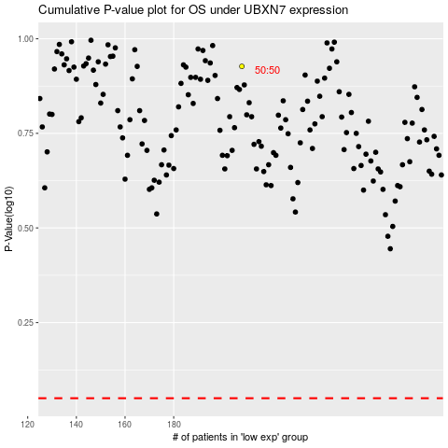

 |  |  |  |  |  | cases_OS | p_OS | rank | exp
 |  |  |  |  |  |  | cases_RFS | p_RFS | rank | exp

