UCA1 _multivariate
Reported by Tex Li-Hsing Chi. tex@gate.sinica.edu.tw 2019-08-15

Table 2. The clinicopathological features of HNSCC cohort and UCA1 expression. (Chi square test)
Cutoff at -0.292 (50.0%)
 |  | UCA1 expression |  | UCA1 expression |  | (Optimised)
 | Features | Low | (%) | High | (%) | Case no | P-value | Remark | Matthews
Gender | Female | 163 | 39.3 | 143 | 34.5 | 415 | 0.0277 | 1 | 0
2 | Male | 44 | 10.6 | 65 | 15.7
Age at diagnosis | <=65y | 135 | 32.5 | 139 | 33.5 | 415 | 0.8084 | 0 | 0
4 | >65y | 72 | 17.3 | 69 | 16.6
Clinical T Status | T1+T2 | 67 | 16.1 | 82 | 19.8 | 415 | 0.1628 | 0 | 0
6 | T3+T4 | 140 | 33.7 | 126 | 30.4
Clinical N Status | N0 | 104 | 25.1 | 112 | 27 | 415 | 0.5243 | 0 | 0
8 | N1-3 | 103 | 24.8 | 96 | 23.1
Clinical M Status | M0 | 206 | 49.6 | 206 | 49.6 | 415 | 1 | 0 | 0
10 | M1 | 1 | 0.2 | 2 | 0.5
Clinical Stage | Stage I+II | 44 | 10.6 | 58 | 14 | 415 | 0.1459 | 0 | 0
12 | Stage III+IV | 163 | 39.3 | 150 | 36.1
Surgical Margin status | Negative | 152 | 36.6 | 166 | 40 | 415 | 0.1329 | 0 | 0
14 | Positive | 55 | 13.3 | 42 | 10.1
Tobacco Exposure | Low | 68 | 16.4 | 93 | 22.4 | 415 | 0.0156 | 1 | 0
16 | High | 139 | 33.5 | 115 | 27.7

Table 3. Univariate/Multivariate Cox's proportional hazards regression analyses on OS time of UCA1 gene expression in HNSCC

 |  | Univariate |  |  |  | Multivariate
 | Features | HR | CI95%(L) | CI95%(H) | P-value | HR | CI95%(L) | CI95%(H) | P-value
1 | Female | 1 |  |  |  | 1
Gender | Male | 1.157 | 0.843 | 1.587 | 0.367 | 1.21 | 0.865 | 1.693 | 0.265
11 | <=65y | 1 |  |  |  | 1
Age at diagnosis | >65y | 1.329 | 0.99 | 1.784 | 0.058 | 1.39 | 1.023 | 1.889 | 0.036
12 | T1+T2 | 1 |  |  |  | 1
Clinical T Status | T3+T4 | 1.409 | 1.028 | 1.931 | 0.033 | 2.191 | 1.159 | 4.145 | 0.016
13 | N0 | 1 |  |  |  | 1
Clinical N Status | N1-3 | 1.185 | 0.89 | 1.577 | 0.246 | 1.242 | 0.871 | 1.772 | 0.232
14 | M0 | 1 |  |  |  | 1
Clinical M Status | M1 | 4.097 | 1.009 | 16.644 | 0.049 | 9.609 | 2.091 | 44.151 | 0.004
15 | Stage I+II | 1 |  |  |  | 1
Clinical Stage | Stage III+IV | 1.245 | 0.882 | 1.759 | 0.213 | 0.501 | 0.233 | 1.076 | 0.077
16 | Negative | 1 |  |  |  | 1
Surgical Margin status | Positive | 1.591 | 1.155 | 2.191 | 0.004 | 1.663 | 1.203 | 2.299 | 0.002
17 | Low | 1 |  |  |  | 1
Tobacco Exposure | High | 1.364 | 1.008 | 1.844 | 0.044 | 1.447 | 1.05 | 1.995 | 0.024
18 | Low | 1 |  |  |  | 1
RNAseq(z-score) | High | 0.875 | 0.656 | 1.166 | 0.362 | 0.929 | 0.693 | 1.246 | 0.623

Table 4. Univariate/Multivariate Cox's proportional hazards regression analyses on RFS time of UCA1 gene expression in HNSCC

 |  | Univariate |  |  |  | Multivariate
 | Features | HR | CI95%(L) | CI95%(H) | P-value | HR | CI95%(L) | CI95%(H) | P-value
1 | Female | 1 |  |  |  | 1
Gender | Male | 1.157 | 0.843 | 1.587 | 0.367 | 1.21 | 0.865 | 1.693 | 0.265
11 | <=65y | 1 |  |  |  | 1
Age at diagnosis | >65y | 1.329 | 0.99 | 1.784 | 0.058 | 1.39 | 1.023 | 1.889 | 0.036
12 | T1+T2 | 1 |  |  |  | 1
Clinical T Status | T3+T4 | 1.409 | 1.028 | 1.931 | 0.033 | 2.191 | 1.159 | 4.145 | 0.016
13 | N0 | 1 |  |  |  | 1
Clinical N Status | N1-3 | 1.185 | 0.89 | 1.577 | 0.246 | 1.242 | 0.871 | 1.772 | 0.232
14 | M0 | 1 |  |  |  | 1
Clinical M Status | M1 | 4.097 | 1.009 | 16.644 | 0.049 | 9.609 | 2.091 | 44.151 | 0.004
15 | Stage I+II | 1 |  |  |  | 1
Clinical Stage | Stage III+IV | 1.245 | 0.882 | 1.759 | 0.213 | 0.501 | 0.233 | 1.076 | 0.077
16 | Negative | 1 |  |  |  | 1
Surgical Margin status | Positive | 1.591 | 1.155 | 2.191 | 0.004 | 1.663 | 1.203 | 2.299 | 0.002
17 | Low | 1 |  |  |  | 1
Tobacco Exposure | High | 1.364 | 1.008 | 1.844 | 0.044 | 1.447 | 1.05 | 1.995 | 0.024
18 | Low | 1 |  |  |  | 1
RNAseq(z-score) | High | 0.875 | 0.656 | 1.166 | 0.362 | 0.929 | 0.693 | 1.246 | 0.623

Kaplan-Meier survival estimate: Cutoff at -0.292 (50.0%)



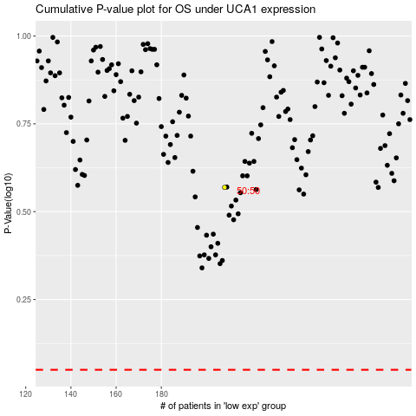

 |  |  |  |  |  | cases_OS | p_OS | rank | exp
 |  |  |  |  |  |  | cases_RFS | p_RFS | rank | exp

