UCHL1 _multivariate
Reported by Tex Li-Hsing Chi. tex@gate.sinica.edu.tw 2019-08-15

Table 2. The clinicopathological features of HNSCC cohort and UCHL1 expression. (Chi square test)
Cutoff at -0.375 (50.0%)
 |  | UCHL1 expression |  | UCHL1 expression |  | (Optimised)
 | Features | Low | (%) | High | (%) | Case no | P-value | Remark | Matthews
Gender | Female | 144 | 34.7 | 162 | 39 | 415 | 0.0697 | 0 | 0
2 | Male | 63 | 15.2 | 46 | 11.1
Age at diagnosis | <=65y | 125 | 30.1 | 149 | 35.9 | 415 | 0.0206 | 1 | 0
4 | >65y | 82 | 19.8 | 59 | 14.2
Clinical T Status | T1+T2 | 82 | 19.8 | 67 | 16.1 | 415 | 0.1417 | 0 | 0
6 | T3+T4 | 125 | 30.1 | 141 | 34
Clinical N Status | N0 | 115 | 27.7 | 101 | 24.3 | 415 | 0.184 | 1 | 0
8 | N1-3 | 92 | 22.2 | 107 | 25.8
Clinical M Status | M0 | 204 | 49.2 | 208 | 50.1 | 415 | 0.1232 | 0 | 0
10 | M1 | 3 | 0.7 | 0 | 0
Clinical Stage | Stage I+II | 61 | 14.7 | 41 | 9.9 | 415 | 0.0282 | 1 | 0
12 | Stage III+IV | 146 | 35.2 | 167 | 40.2
Surgical Margin status | Negative | 153 | 36.9 | 165 | 39.8 | 415 | 0.2036 | 0 | 0
14 | Positive | 54 | 13 | 43 | 10.4
Tobacco Exposure | Low | 97 | 23.4 | 64 | 15.4 | 415 | 9e-04 | 1 | 0
16 | High | 110 | 26.5 | 144 | 34.7

Table 3. Univariate/Multivariate Cox's proportional hazards regression analyses on OS time of UCHL1 gene expression in HNSCC

 |  | Univariate |  |  |  | Multivariate
 | Features | HR | CI95%(L) | CI95%(H) | P-value | HR | CI95%(L) | CI95%(H) | P-value
1 | Female | 1 |  |  |  | 1
Gender | Male | 1.157 | 0.843 | 1.587 | 0.367 | 1.184 | 0.846 | 1.657 | 0.324
11 | <=65y | 1 |  |  |  | 1
Age at diagnosis | >65y | 1.329 | 0.99 | 1.784 | 0.058 | 1.386 | 1.019 | 1.883 | 0.037
12 | T1+T2 | 1 |  |  |  | 1
Clinical T Status | T3+T4 | 1.409 | 1.028 | 1.931 | 0.033 | 2.196 | 1.161 | 4.154 | 0.016
13 | N0 | 1 |  |  |  | 1
Clinical N Status | N1-3 | 1.185 | 0.89 | 1.577 | 0.246 | 1.241 | 0.87 | 1.77 | 0.234
14 | M0 | 1 |  |  |  | 1
Clinical M Status | M1 | 4.097 | 1.009 | 16.644 | 0.049 | 8.708 | 1.881 | 40.319 | 0.006
15 | Stage I+II | 1 |  |  |  | 1
Clinical Stage | Stage III+IV | 1.245 | 0.882 | 1.759 | 0.213 | 0.518 | 0.241 | 1.115 | 0.092
16 | Negative | 1 |  |  |  | 1
Surgical Margin status | Positive | 1.591 | 1.155 | 2.191 | 0.004 | 1.657 | 1.198 | 2.291 | 0.002
17 | Low | 1 |  |  |  | 1
Tobacco Exposure | High | 1.364 | 1.008 | 1.844 | 0.044 | 1.48 | 1.071 | 2.045 | 0.018
18 | Low | 1 |  |  |  | 1
RNAseq(z-score) | High | 0.881 | 0.66 | 1.176 | 0.39 | 0.878 | 0.649 | 1.187 | 0.397

Table 4. Univariate/Multivariate Cox's proportional hazards regression analyses on RFS time of UCHL1 gene expression in HNSCC

 |  | Univariate |  |  |  | Multivariate
 | Features | HR | CI95%(L) | CI95%(H) | P-value | HR | CI95%(L) | CI95%(H) | P-value
1 | Female | 1 |  |  |  | 1
Gender | Male | 1.157 | 0.843 | 1.587 | 0.367 | 1.184 | 0.846 | 1.657 | 0.324
11 | <=65y | 1 |  |  |  | 1
Age at diagnosis | >65y | 1.329 | 0.99 | 1.784 | 0.058 | 1.386 | 1.019 | 1.883 | 0.037
12 | T1+T2 | 1 |  |  |  | 1
Clinical T Status | T3+T4 | 1.409 | 1.028 | 1.931 | 0.033 | 2.196 | 1.161 | 4.154 | 0.016
13 | N0 | 1 |  |  |  | 1
Clinical N Status | N1-3 | 1.185 | 0.89 | 1.577 | 0.246 | 1.241 | 0.87 | 1.77 | 0.234
14 | M0 | 1 |  |  |  | 1
Clinical M Status | M1 | 4.097 | 1.009 | 16.644 | 0.049 | 8.708 | 1.881 | 40.319 | 0.006
15 | Stage I+II | 1 |  |  |  | 1
Clinical Stage | Stage III+IV | 1.245 | 0.882 | 1.759 | 0.213 | 0.518 | 0.241 | 1.115 | 0.092
16 | Negative | 1 |  |  |  | 1
Surgical Margin status | Positive | 1.591 | 1.155 | 2.191 | 0.004 | 1.657 | 1.198 | 2.291 | 0.002
17 | Low | 1 |  |  |  | 1
Tobacco Exposure | High | 1.364 | 1.008 | 1.844 | 0.044 | 1.48 | 1.071 | 2.045 | 0.018
18 | Low | 1 |  |  |  | 1
RNAseq(z-score) | High | 0.881 | 0.66 | 1.176 | 0.39 | 0.878 | 0.649 | 1.187 | 0.397

Kaplan-Meier survival estimate: Cutoff at -0.375 (50.0%)



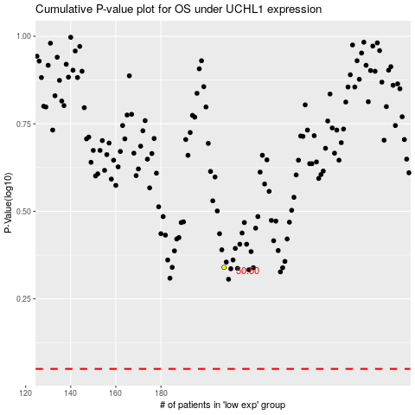

 |  |  |  |  |  | cases_OS | p_OS | rank | exp
 |  |  |  |  |  |  | cases_RFS | p_RFS | rank | exp

