UCHL5 _multivariate
Reported by Tex Li-Hsing Chi. tex@gate.sinica.edu.tw 2019-08-15

Table 2. The clinicopathological features of HNSCC cohort and UCHL5 expression. (Chi square test)
Cutoff at -0.141 (49.8%)
 |  | UCHL5 expression |  | UCHL5 expression |  | (Optimised)
 | Features | Low | (%) | High | (%) | Case no | P-value | Remark | Matthews
Gender | Female | 161 | 38.8 | 145 | 34.9 | 415 | 0.0792 | 0 | 0
2 | Male | 46 | 11.1 | 63 | 15.2
Age at diagnosis | <=65y | 144 | 34.7 | 130 | 31.3 | 415 | 0.1568 | 0 | 0
4 | >65y | 63 | 15.2 | 78 | 18.8
Clinical T Status | T1+T2 | 83 | 20 | 66 | 15.9 | 415 | 0.0941 | 0 | 0
6 | T3+T4 | 124 | 29.9 | 142 | 34.2
Clinical N Status | N0 | 101 | 24.3 | 115 | 27.7 | 415 | 0.2201 | 0 | 0
8 | N1-3 | 106 | 25.5 | 93 | 22.4
Clinical M Status | M0 | 205 | 49.4 | 207 | 49.9 | 415 | 0.6232 | 0 | 0
10 | M1 | 2 | 0.5 | 1 | 0.2
Clinical Stage | Stage I+II | 54 | 13 | 48 | 11.6 | 415 | 0.5498 | 0 | 0
12 | Stage III+IV | 153 | 36.9 | 160 | 38.6
Surgical Margin status | Negative | 166 | 40 | 152 | 36.6 | 415 | 0.1042 | 0 | 0
14 | Positive | 41 | 9.9 | 56 | 13.5
Tobacco Exposure | Low | 80 | 19.3 | 81 | 19.5 | 415 | 1 | 0 | 0
16 | High | 127 | 30.6 | 127 | 30.6

Table 3. Univariate/Multivariate Cox's proportional hazards regression analyses on OS time of UCHL5 gene expression in HNSCC

 |  | Univariate |  |  |  | Multivariate
 | Features | HR | CI95%(L) | CI95%(H) | P-value | HR | CI95%(L) | CI95%(H) | P-value
1 | Female | 1 |  |  |  | 1
Gender | Male | 1.157 | 0.843 | 1.587 | 0.367 | 1.169 | 0.833 | 1.639 | 0.366
11 | <=65y | 1 |  |  |  | 1
Age at diagnosis | >65y | 1.329 | 0.99 | 1.784 | 0.058 | 1.396 | 1.028 | 1.898 | 0.033
12 | T1+T2 | 1 |  |  |  | 1
Clinical T Status | T3+T4 | 1.409 | 1.028 | 1.931 | 0.033 | 2.195 | 1.161 | 4.151 | 0.016
13 | N0 | 1 |  |  |  | 1
Clinical N Status | N1-3 | 1.185 | 0.89 | 1.577 | 0.246 | 1.274 | 0.89 | 1.823 | 0.186
14 | M0 | 1 |  |  |  | 1
Clinical M Status | M1 | 4.097 | 1.009 | 16.644 | 0.049 | 9.694 | 2.113 | 44.487 | 0.003
15 | Stage I+II | 1 |  |  |  | 1
Clinical Stage | Stage III+IV | 1.245 | 0.882 | 1.759 | 0.213 | 0.5 | 0.233 | 1.074 | 0.076
16 | Negative | 1 |  |  |  | 1
Surgical Margin status | Positive | 1.591 | 1.155 | 2.191 | 0.004 | 1.637 | 1.182 | 2.266 | 0.003
17 | Low | 1 |  |  |  | 1
Tobacco Exposure | High | 1.364 | 1.008 | 1.844 | 0.044 | 1.449 | 1.052 | 1.997 | 0.023
18 | Low | 1 |  |  |  | 1
RNAseq(z-score) | High | 1.212 | 0.909 | 1.615 | 0.191 | 1.178 | 0.876 | 1.584 | 0.277

Table 4. Univariate/Multivariate Cox's proportional hazards regression analyses on RFS time of UCHL5 gene expression in HNSCC

 |  | Univariate |  |  |  | Multivariate
 | Features | HR | CI95%(L) | CI95%(H) | P-value | HR | CI95%(L) | CI95%(H) | P-value
1 | Female | 1 |  |  |  | 1
Gender | Male | 1.157 | 0.843 | 1.587 | 0.367 | 1.169 | 0.833 | 1.639 | 0.366
11 | <=65y | 1 |  |  |  | 1
Age at diagnosis | >65y | 1.329 | 0.99 | 1.784 | 0.058 | 1.396 | 1.028 | 1.898 | 0.033
12 | T1+T2 | 1 |  |  |  | 1
Clinical T Status | T3+T4 | 1.409 | 1.028 | 1.931 | 0.033 | 2.195 | 1.161 | 4.151 | 0.016
13 | N0 | 1 |  |  |  | 1
Clinical N Status | N1-3 | 1.185 | 0.89 | 1.577 | 0.246 | 1.274 | 0.89 | 1.823 | 0.186
14 | M0 | 1 |  |  |  | 1
Clinical M Status | M1 | 4.097 | 1.009 | 16.644 | 0.049 | 9.694 | 2.113 | 44.487 | 0.003
15 | Stage I+II | 1 |  |  |  | 1
Clinical Stage | Stage III+IV | 1.245 | 0.882 | 1.759 | 0.213 | 0.5 | 0.233 | 1.074 | 0.076
16 | Negative | 1 |  |  |  | 1
Surgical Margin status | Positive | 1.591 | 1.155 | 2.191 | 0.004 | 1.637 | 1.182 | 2.266 | 0.003
17 | Low | 1 |  |  |  | 1
Tobacco Exposure | High | 1.364 | 1.008 | 1.844 | 0.044 | 1.449 | 1.052 | 1.997 | 0.023
18 | Low | 1 |  |  |  | 1
RNAseq(z-score) | High | 1.212 | 0.909 | 1.615 | 0.191 | 1.178 | 0.876 | 1.584 | 0.277

Kaplan-Meier survival estimate: Cutoff at -0.141 (49.8%)



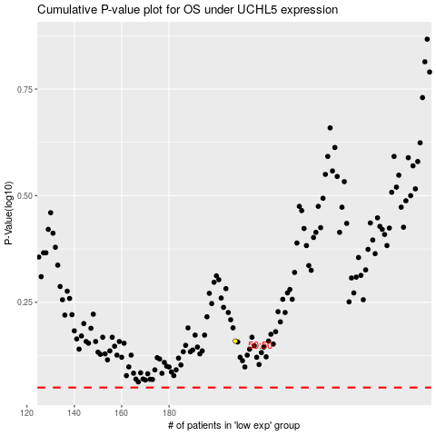

 |  |  |  |  |  | cases_OS | p_OS | rank | exp
 |  |  |  |  |  |  | cases_RFS | p_RFS | rank | exp

