UCK2 _multivariate
Reported by Tex Li-Hsing Chi. tex@gate.sinica.edu.tw 2019-08-15

Table 2. The clinicopathological features of HNSCC cohort and UCK2 expression. (Chi square test)
Cutoff at -0.298 (38.6%)
 |  | UCK2 expression |  | UCK2 expression |  | (Optimised)
 | Features | Low | (%) | High | (%) | Case no | P-value | Remark | Matthews
Gender | Female | 115 | 27.7 | 191 | 46 | 415 | 0.5704 | 0 | 0
2 | Male | 45 | 10.8 | 64 | 15.4
Age at diagnosis | <=65y | 111 | 26.7 | 163 | 39.3 | 415 | 0.3006 | 0 | 0
4 | >65y | 49 | 11.8 | 92 | 22.2
Clinical T Status | T1+T2 | 75 | 18.1 | 74 | 17.8 | 415 | 3e-04 | 1 | 0
6 | T3+T4 | 85 | 20.5 | 181 | 43.6
Clinical N Status | N0 | 88 | 21.2 | 128 | 30.8 | 415 | 0.3939 | 0 | 0
8 | N1-3 | 72 | 17.3 | 127 | 30.6
Clinical M Status | M0 | 160 | 38.6 | 252 | 60.7 | 415 | 0.2876 | 0 | 0
10 | M1 | 0 | 0 | 3 | 0.7
Clinical Stage | Stage I+II | 52 | 12.5 | 50 | 12 | 415 | 0.0043 | 1 | 0
12 | Stage III+IV | 108 | 26 | 205 | 49.4
Surgical Margin status | Negative | 131 | 31.6 | 187 | 45.1 | 415 | 0.0562 | 0 | 0
14 | Positive | 29 | 7 | 68 | 16.4
Tobacco Exposure | Low | 71 | 17.1 | 90 | 21.7 | 415 | 0.0784 | 0 | 0
16 | High | 89 | 21.4 | 165 | 39.8

Table 3. Univariate/Multivariate Cox's proportional hazards regression analyses on OS time of UCK2 gene expression in HNSCC

 |  | Univariate |  |  |  | Multivariate
 | Features | HR | CI95%(L) | CI95%(H) | P-value | HR | CI95%(L) | CI95%(H) | P-value
1 | Female | 1 |  |  |  | 1
Gender | Male | 1.157 | 0.843 | 1.587 | 0.367 | 1.199 | 0.858 | 1.675 | 0.287
11 | <=65y | 1 |  |  |  | 1
Age at diagnosis | >65y | 1.329 | 0.99 | 1.784 | 0.058 | 1.392 | 1.024 | 1.893 | 0.035
12 | T1+T2 | 1 |  |  |  | 1
Clinical T Status | T3+T4 | 1.409 | 1.028 | 1.931 | 0.033 | 2.141 | 1.13 | 4.056 | 0.02
13 | N0 | 1 |  |  |  | 1
Clinical N Status | N1-3 | 1.185 | 0.89 | 1.577 | 0.246 | 1.25 | 0.875 | 1.785 | 0.22
14 | M0 | 1 |  |  |  | 1
Clinical M Status | M1 | 4.097 | 1.009 | 16.644 | 0.049 | 8.671 | 1.877 | 40.058 | 0.006
15 | Stage I+II | 1 |  |  |  | 1
Clinical Stage | Stage III+IV | 1.245 | 0.882 | 1.759 | 0.213 | 0.5 | 0.233 | 1.073 | 0.075
16 | Negative | 1 |  |  |  | 1
Surgical Margin status | Positive | 1.591 | 1.155 | 2.191 | 0.004 | 1.638 | 1.183 | 2.268 | 0.003
17 | Low | 1 |  |  |  | 1
Tobacco Exposure | High | 1.364 | 1.008 | 1.844 | 0.044 | 1.431 | 1.038 | 1.974 | 0.029
18 | Low | 1 |  |  |  | 1
RNAseq(z-score) | High | 1.367 | 1.009 | 1.852 | 0.043 | 1.175 | 0.859 | 1.608 | 0.314

Table 4. Univariate/Multivariate Cox's proportional hazards regression analyses on RFS time of UCK2 gene expression in HNSCC

 |  | Univariate |  |  |  | Multivariate
 | Features | HR | CI95%(L) | CI95%(H) | P-value | HR | CI95%(L) | CI95%(H) | P-value
1 | Female | 1 |  |  |  | 1
Gender | Male | 1.157 | 0.843 | 1.587 | 0.367 | 1.199 | 0.858 | 1.675 | 0.287
11 | <=65y | 1 |  |  |  | 1
Age at diagnosis | >65y | 1.329 | 0.99 | 1.784 | 0.058 | 1.392 | 1.024 | 1.893 | 0.035
12 | T1+T2 | 1 |  |  |  | 1
Clinical T Status | T3+T4 | 1.409 | 1.028 | 1.931 | 0.033 | 2.141 | 1.13 | 4.056 | 0.02
13 | N0 | 1 |  |  |  | 1
Clinical N Status | N1-3 | 1.185 | 0.89 | 1.577 | 0.246 | 1.25 | 0.875 | 1.785 | 0.22
14 | M0 | 1 |  |  |  | 1
Clinical M Status | M1 | 4.097 | 1.009 | 16.644 | 0.049 | 8.671 | 1.877 | 40.058 | 0.006
15 | Stage I+II | 1 |  |  |  | 1
Clinical Stage | Stage III+IV | 1.245 | 0.882 | 1.759 | 0.213 | 0.5 | 0.233 | 1.073 | 0.075
16 | Negative | 1 |  |  |  | 1
Surgical Margin status | Positive | 1.591 | 1.155 | 2.191 | 0.004 | 1.638 | 1.183 | 2.268 | 0.003
17 | Low | 1 |  |  |  | 1
Tobacco Exposure | High | 1.364 | 1.008 | 1.844 | 0.044 | 1.431 | 1.038 | 1.974 | 0.029
18 | Low | 1 |  |  |  | 1
RNAseq(z-score) | High | 1.367 | 1.009 | 1.852 | 0.043 | 1.175 | 0.859 | 1.608 | 0.314

Kaplan-Meier survival estimate: Cutoff at -0.298 (38.6%)



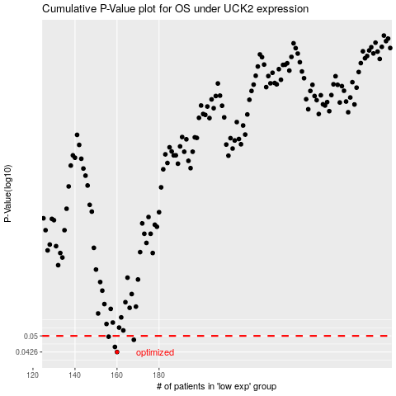

 |  |  |  |  |  | cases_OS | p_OS | rank | exp
 |  |  |  |  |  | 160 | 0.0426 | 237 | -0.29778701984
 |  |  |  |  |  | 159 | 0.0448 | 81 | -0.30139402446
 |  |  |  |  |  | 168 | 0.0481 | 241 | -0.27138361775
 |  |  |  |  |  | 156 | 0.0496 | 97 | -0.31022472118
 |  |  |  |  |  |  | cases_RFS | p_RFS | rank | exp
 |  |  |  |  |  |  | 159 | 0.0426 | 81 | -0.30139402446
 |  |  |  |  |  |  | 158 | 0.0448 | 41 | -0.30479765201
 |  |  |  |  |  |  | 167 | 0.0481 | 230 | -0.27390214542
 |  |  |  |  |  |  | 155 | 0.0496 | 16 | -0.32429656267

