UCKL1 _multivariate
Reported by Tex Li-Hsing Chi. tex@gate.sinica.edu.tw 2019-08-15

Table 2. The clinicopathological features of HNSCC cohort and UCKL1 expression. (Chi square test)
Cutoff at -0.203 (49.8%)
 |  | UCKL1 expression |  | UCKL1 expression |  | (Optimised)
 | Features | Low | (%) | High | (%) | Case no | P-value | Remark | Matthews
Gender | Female | 147 | 35.4 | 159 | 38.3 | 415 | 0.2523 | 0 | 0
2 | Male | 60 | 14.5 | 49 | 11.8
Age at diagnosis | <=65y | 137 | 33 | 137 | 33 | 415 | 1 | 0 | 0
4 | >65y | 70 | 16.9 | 71 | 17.1
Clinical T Status | T1+T2 | 82 | 19.8 | 67 | 16.1 | 415 | 0.1417 | 0 | 0
6 | T3+T4 | 125 | 30.1 | 141 | 34
Clinical N Status | N0 | 106 | 25.5 | 110 | 26.5 | 415 | 0.8075 | 0 | 0
8 | N1-3 | 101 | 24.3 | 98 | 23.6
Clinical M Status | M0 | 206 | 49.6 | 206 | 49.6 | 415 | 1 | 0 | 0
10 | M1 | 1 | 0.2 | 2 | 0.5
Clinical Stage | Stage I+II | 56 | 13.5 | 46 | 11.1 | 415 | 0.2918 | 0 | 0
12 | Stage III+IV | 151 | 36.4 | 162 | 39
Surgical Margin status | Negative | 166 | 40 | 152 | 36.6 | 415 | 0.1042 | 0 | 0
14 | Positive | 41 | 9.9 | 56 | 13.5
Tobacco Exposure | Low | 85 | 20.5 | 76 | 18.3 | 415 | 0.3655 | 0 | 0
16 | High | 122 | 29.4 | 132 | 31.8

Table 3. Univariate/Multivariate Cox's proportional hazards regression analyses on OS time of UCKL1 gene expression in HNSCC

 |  | Univariate |  |  |  | Multivariate
 | Features | HR | CI95%(L) | CI95%(H) | P-value | HR | CI95%(L) | CI95%(H) | P-value
1 | Female | 1 |  |  |  | 1
Gender | Male | 1.157 | 0.843 | 1.587 | 0.367 | 1.196 | 0.856 | 1.67 | 0.294
11 | <=65y | 1 |  |  |  | 1
Age at diagnosis | >65y | 1.329 | 0.99 | 1.784 | 0.058 | 1.402 | 1.031 | 1.906 | 0.031
12 | T1+T2 | 1 |  |  |  | 1
Clinical T Status | T3+T4 | 1.409 | 1.028 | 1.931 | 0.033 | 2.217 | 1.173 | 4.193 | 0.014
13 | N0 | 1 |  |  |  | 1
Clinical N Status | N1-3 | 1.185 | 0.89 | 1.577 | 0.246 | 1.242 | 0.871 | 1.772 | 0.231
14 | M0 | 1 |  |  |  | 1
Clinical M Status | M1 | 4.097 | 1.009 | 16.644 | 0.049 | 9.493 | 2.071 | 43.523 | 0.004
15 | Stage I+II | 1 |  |  |  | 1
Clinical Stage | Stage III+IV | 1.245 | 0.882 | 1.759 | 0.213 | 0.508 | 0.237 | 1.091 | 0.083
16 | Negative | 1 |  |  |  | 1
Surgical Margin status | Positive | 1.591 | 1.155 | 2.191 | 0.004 | 1.68 | 1.216 | 2.322 | 0.002
17 | Low | 1 |  |  |  | 1
Tobacco Exposure | High | 1.364 | 1.008 | 1.844 | 0.044 | 1.453 | 1.055 | 2.002 | 0.022
18 | Low | 1 |  |  |  | 1
RNAseq(z-score) | High | 0.978 | 0.734 | 1.304 | 0.88 | 0.904 | 0.676 | 1.21 | 0.497

Table 4. Univariate/Multivariate Cox's proportional hazards regression analyses on RFS time of UCKL1 gene expression in HNSCC

 |  | Univariate |  |  |  | Multivariate
 | Features | HR | CI95%(L) | CI95%(H) | P-value | HR | CI95%(L) | CI95%(H) | P-value
1 | Female | 1 |  |  |  | 1
Gender | Male | 1.157 | 0.843 | 1.587 | 0.367 | 1.196 | 0.856 | 1.67 | 0.294
11 | <=65y | 1 |  |  |  | 1
Age at diagnosis | >65y | 1.329 | 0.99 | 1.784 | 0.058 | 1.402 | 1.031 | 1.906 | 0.031
12 | T1+T2 | 1 |  |  |  | 1
Clinical T Status | T3+T4 | 1.409 | 1.028 | 1.931 | 0.033 | 2.217 | 1.173 | 4.193 | 0.014
13 | N0 | 1 |  |  |  | 1
Clinical N Status | N1-3 | 1.185 | 0.89 | 1.577 | 0.246 | 1.242 | 0.871 | 1.772 | 0.231
14 | M0 | 1 |  |  |  | 1
Clinical M Status | M1 | 4.097 | 1.009 | 16.644 | 0.049 | 9.493 | 2.071 | 43.523 | 0.004
15 | Stage I+II | 1 |  |  |  | 1
Clinical Stage | Stage III+IV | 1.245 | 0.882 | 1.759 | 0.213 | 0.508 | 0.237 | 1.091 | 0.083
16 | Negative | 1 |  |  |  | 1
Surgical Margin status | Positive | 1.591 | 1.155 | 2.191 | 0.004 | 1.68 | 1.216 | 2.322 | 0.002
17 | Low | 1 |  |  |  | 1
Tobacco Exposure | High | 1.364 | 1.008 | 1.844 | 0.044 | 1.453 | 1.055 | 2.002 | 0.022
18 | Low | 1 |  |  |  | 1
RNAseq(z-score) | High | 0.978 | 0.734 | 1.304 | 0.88 | 0.904 | 0.676 | 1.21 | 0.497

Kaplan-Meier survival estimate: Cutoff at -0.203 (49.8%)



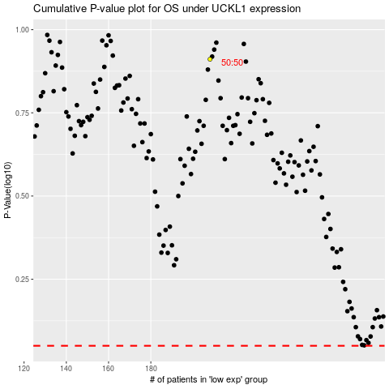

 |  |  |  |  |  | cases_OS | p_OS | rank | exp
 |  |  |  |  |  |  | cases_RFS | p_RFS | rank | exp

