UCKL1AS _multivariate
Reported by Tex Li-Hsing Chi. tex@gate.sinica.edu.tw 2019-08-15

Table 2. The clinicopathological features of HNSCC cohort and UCKL1AS expression. (Chi square test)
Cutoff at -0.001 (69.1%)
 |  | UCKL1AS expression |  | UCKL1AS expression |  | (Optimised)
 | Features | Low | (%) | High | (%) | Case no | P-value | Remark | Matthews
Gender | Female | 211 | 50.8 | 95 | 22.9 | 415 | 0.977 | 0 | 0
2 | Male | 76 | 18.3 | 33 | 8
Age at diagnosis | <=65y | 185 | 44.6 | 89 | 21.4 | 415 | 0.3707 | 0 | 0
4 | >65y | 102 | 24.6 | 39 | 9.4
Clinical T Status | T1+T2 | 107 | 25.8 | 42 | 10.1 | 415 | 0.4438 | 0 | 0
6 | T3+T4 | 180 | 43.4 | 86 | 20.7
Clinical N Status | N0 | 150 | 36.1 | 66 | 15.9 | 415 | 0.9793 | 0 | 0
8 | N1-3 | 137 | 33 | 62 | 14.9
Clinical M Status | M0 | 285 | 68.7 | 127 | 30.6 | 415 | 1 | 0 | 0
10 | M1 | 2 | 0.5 | 1 | 0.2
Clinical Stage | Stage I+II | 71 | 17.1 | 31 | 7.5 | 415 | 1 | 0 | 0
12 | Stage III+IV | 216 | 52 | 97 | 23.4
Surgical Margin status | Negative | 218 | 52.5 | 100 | 24.1 | 415 | 0.7068 | 0 | 0
14 | Positive | 69 | 16.6 | 28 | 6.7
Tobacco Exposure | Low | 111 | 26.7 | 50 | 12 | 415 | 1 | 0 | 0
16 | High | 176 | 42.4 | 78 | 18.8

Table 3. Univariate/Multivariate Cox's proportional hazards regression analyses on OS time of UCKL1AS gene expression in HNSCC

 |  | Univariate |  |  |  | Multivariate
 | Features | HR | CI95%(L) | CI95%(H) | P-value | HR | CI95%(L) | CI95%(H) | P-value
1 | Female | 1 |  |  |  | 1
Gender | Male | 1.157 | 0.843 | 1.587 | 0.367 | 1.236 | 0.885 | 1.726 | 0.213
11 | <=65y | 1 |  |  |  | 1
Age at diagnosis | >65y | 1.329 | 0.99 | 1.784 | 0.058 | 1.405 | 1.032 | 1.911 | 0.031
12 | T1+T2 | 1 |  |  |  | 1
Clinical T Status | T3+T4 | 1.409 | 1.028 | 1.931 | 0.033 | 2.278 | 1.204 | 4.31 | 0.011
13 | N0 | 1 |  |  |  | 1
Clinical N Status | N1-3 | 1.185 | 0.89 | 1.577 | 0.246 | 1.268 | 0.889 | 1.807 | 0.19
14 | M0 | 1 |  |  |  | 1
Clinical M Status | M1 | 4.097 | 1.009 | 16.644 | 0.049 | 10.04 | 2.189 | 46.043 | 0.003
15 | Stage I+II | 1 |  |  |  | 1
Clinical Stage | Stage III+IV | 1.245 | 0.882 | 1.759 | 0.213 | 0.493 | 0.23 | 1.059 | 0.07
16 | Negative | 1 |  |  |  | 1
Surgical Margin status | Positive | 1.591 | 1.155 | 2.191 | 0.004 | 1.657 | 1.2 | 2.288 | 0.002
17 | Low | 1 |  |  |  | 1
Tobacco Exposure | High | 1.364 | 1.008 | 1.844 | 0.044 | 1.438 | 1.044 | 1.982 | 0.026
18 | Low | 1 |  |  |  | 1
RNAseq(z-score) | High | 0.678 | 0.484 | 0.949 | 0.023 | 0.653 | 0.466 | 0.915 | 0.013

Table 4. Univariate/Multivariate Cox's proportional hazards regression analyses on RFS time of UCKL1AS gene expression in HNSCC

 |  | Univariate |  |  |  | Multivariate
 | Features | HR | CI95%(L) | CI95%(H) | P-value | HR | CI95%(L) | CI95%(H) | P-value
1 | Female | 1 |  |  |  | 1
Gender | Male | 1.157 | 0.843 | 1.587 | 0.367 | 1.236 | 0.885 | 1.726 | 0.213
11 | <=65y | 1 |  |  |  | 1
Age at diagnosis | >65y | 1.329 | 0.99 | 1.784 | 0.058 | 1.405 | 1.032 | 1.911 | 0.031
12 | T1+T2 | 1 |  |  |  | 1
Clinical T Status | T3+T4 | 1.409 | 1.028 | 1.931 | 0.033 | 2.278 | 1.204 | 4.31 | 0.011
13 | N0 | 1 |  |  |  | 1
Clinical N Status | N1-3 | 1.185 | 0.89 | 1.577 | 0.246 | 1.268 | 0.889 | 1.807 | 0.19
14 | M0 | 1 |  |  |  | 1
Clinical M Status | M1 | 4.097 | 1.009 | 16.644 | 0.049 | 10.04 | 2.189 | 46.043 | 0.003
15 | Stage I+II | 1 |  |  |  | 1
Clinical Stage | Stage III+IV | 1.245 | 0.882 | 1.759 | 0.213 | 0.493 | 0.23 | 1.059 | 0.07
16 | Negative | 1 |  |  |  | 1
Surgical Margin status | Positive | 1.591 | 1.155 | 2.191 | 0.004 | 1.657 | 1.2 | 2.288 | 0.002
17 | Low | 1 |  |  |  | 1
Tobacco Exposure | High | 1.364 | 1.008 | 1.844 | 0.044 | 1.438 | 1.044 | 1.982 | 0.026
18 | Low | 1 |  |  |  | 1
RNAseq(z-score) | High | 0.678 | 0.484 | 0.949 | 0.023 | 0.653 | 0.466 | 0.915 | 0.013

Kaplan-Meier survival estimate: Cutoff at -0.001 (69.1%)

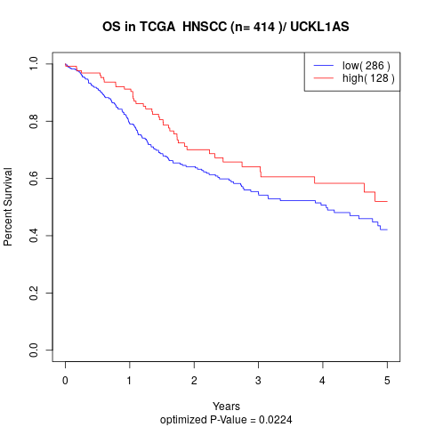

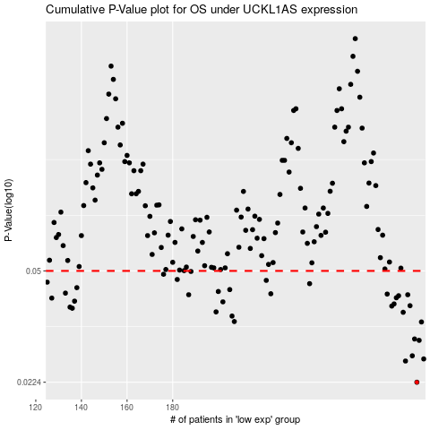

 |  |  |  |  |  | cases_OS | p_OS | rank | exp
 |  |  |  |  |  | 287 | 0.0224 | 140 | -0.0014178911558
 |  |  |  |  |  | 282 | 0.0261 | 182 | -0.015981785046
 |  |  |  |  |  | 290 | 0.0265 | 376 | 0.0097110366731
 |  |  |  |  |  | 285 | 0.0271 | 386 | -0.0064345111861
 |  |  |  |  |  | 288 | 0.0303 | 351 | 0.0045766981222
 |  |  |  |  |  | 286 | 0.0306 | 326 | -0.0039231827474
 |  |  |  |  |  | 289 | 0.0346 | 369 | 0.0070729344429
 |  |  |  |  |  | 207 | 0.0347 | 271 | -0.22014795764
 |  |  |  |  |  | 206 | 0.0361 | 280 | -0.22181714589
 |  |  |  |  |  | 281 | 0.0371 | 377 | -0.018459910826
 |  |  |  |  |  | 199 | 0.0372 | 91 | -0.23472694365
 |  |  |  |  |  | 136 | 0.0382 | 277 | -0.3292337867
 |  |  |  |  |  | 135 | 0.0385 | 10 | -0.3297589924
 |  |  |  |  |  | 276 | 0.0388 | 291 | -0.05293332681
 |  |  |  |  |  | 284 | 0.0389 | 264 | -0.0086590893825
 |  |  |  |  |  | 277 | 0.0394 | 197 | -0.048052535842
 |  |  |  |  |  | 202 | 0.04 | 109 | -0.23169342793
 |  |  |  |  |  | 137 | 0.0402 | 343 | -0.3271239086
 |  |  |  |  |  | 127 | 0.0411 | 177 | -0.34245146366
 |  |  |  |  |  | 278 | 0.0412 | 154 | -0.044523998648
 |  |  |  |  |  | 279 | 0.0418 | 30 | -0.042894049902
 |  |  |  |  |  | 283 | 0.0421 | 218 | -0.011472260182
 |  |  |  |  |  | 187 | 0.0421 | 334 | -0.25463646574
 |  |  |  |  |  | 274 | 0.0423 | 166 | -0.057364372661
 |  |  |  |  |  | 223 | 0.0424 | 40 | -0.18888916279
 |  |  |  |  |  | 133 | 0.0426 | 150 | -0.33294041088
 |  |  |  |  |  | 200 | 0.0431 | 337 | -0.23279817096
 |  |  |  |  |  | 205 | 0.0437 | 56 | -0.22868707801
 |  |  |  |  |  | 138 | 0.0443 | 194 | -0.32532794655
 |  |  |  |  |  | 240 | 0.0456 | 162 | -0.15687274362
 |  |  |  |  |  | 125 | 0.0461 | 11 | -0.34342641448
 |  |  |  |  |  | 221 | 0.0467 | 353 | -0.19620582161
 |  |  |  |  |  | 182 | 0.047 | 319 | -0.26498060343
 |  |  |  |  |  | 176 | 0.0488 | 20 | -0.27056770552
 |  |  |  |  |  | 188 | 0.0498 | 282 | -0.25360718329
 |  |  |  |  |  |  | cases_RFS | p_RFS | rank | exp
 |  |  |  |  |  |  | 286 | 0.0224 | 326 | -0.0039231827474
 |  |  |  |  |  |  | 281 | 0.0261 | 377 | -0.018459910826
 |  |  |  |  |  |  | 289 | 0.0265 | 369 | 0.0070729344429
 |  |  |  |  |  |  | 284 | 0.0271 | 264 | -0.0086590893825
 |  |  |  |  |  |  | 287 | 0.0303 | 140 | -0.0014178911558
 |  |  |  |  |  |  | 285 | 0.0306 | 386 | -0.0064345111861
 |  |  |  |  |  |  | 288 | 0.0346 | 351 | 0.0045766981222
 |  |  |  |  |  |  | 206 | 0.0347 | 280 | -0.22181714589
 |  |  |  |  |  |  | 205 | 0.0361 | 56 | -0.22868707801
 |  |  |  |  |  |  | 280 | 0.0371 | 38 | -0.033186799591
 |  |  |  |  |  |  | 198 | 0.0372 | 78 | -0.23620597121
 |  |  |  |  |  |  | 135 | 0.0382 | 10 | -0.3297589924
 |  |  |  |  |  |  | 134 | 0.0385 | 191 | -0.33174813356
 |  |  |  |  |  |  | 275 | 0.0388 | 196 | -0.057153083008
 |  |  |  |  |  |  | 283 | 0.0389 | 218 | -0.011472260182
 |  |  |  |  |  |  | 276 | 0.0394 | 291 | -0.05293332681
 |  |  |  |  |  |  | 201 | 0.04 | 185 | -0.23236653639
 |  |  |  |  |  |  | 136 | 0.0402 | 277 | -0.3292337867
 |  |  |  |  |  |  | 126 | 0.0411 | 253 | -0.34315777478
 |  |  |  |  |  |  | 277 | 0.0412 | 197 | -0.048052535842
 |  |  |  |  |  |  | 278 | 0.0418 | 154 | -0.044523998648
 |  |  |  |  |  |  | 186 | 0.0421 | 74 | -0.25619397232
 |  |  |  |  |  |  | 282 | 0.0421 | 182 | -0.015981785046
 |  |  |  |  |  |  | 273 | 0.0423 | 412 | -0.061867860678
 |  |  |  |  |  |  | 222 | 0.0424 | 375 | -0.18894349442
 |  |  |  |  |  |  | 132 | 0.0426 | 210 | -0.33345052447
 |  |  |  |  |  |  | 199 | 0.0431 | 91 | -0.23472694365
 |  |  |  |  |  |  | 204 | 0.0437 | 409 | -0.23004838706
 |  |  |  |  |  |  | 137 | 0.0443 | 343 | -0.3271239086
 |  |  |  |  |  |  | 239 | 0.0456 | 229 | -0.15824612636
 |  |  |  |  |  |  |  | 0.0461 | 242 | -0.3453340582
 |  |  |  |  |  |  | 220 | 0.0467 | 222 | -0.19648955343
 |  |  |  |  |  |  | 181 | 0.047 | 387 | -0.26838840368
 |  |  |  |  |  |  | 175 | 0.0488 | 405 | -0.27268663889
 |  |  |  |  |  |  | 187 | 0.0498 | 334 | -0.25463646574

