UCN2 _multivariate
Reported by Tex Li-Hsing Chi. tex@gate.sinica.edu.tw 2019-08-15

Table 2. The clinicopathological features of HNSCC cohort and UCN2 expression. (Chi square test)
Cutoff at -0.314 (43.7%)
 |  | UCN2 expression |  | UCN2 expression |  | (Optimised)
 | Features | Low | (%) | High | (%) | Case no | P-value | Remark | Matthews
Gender | Female | 139 | 33.5 | 167 | 40.2 | 415 | 0.257 | 0 | 0
2 | Male | 42 | 10.1 | 67 | 16.1
Age at diagnosis | <=65y | 120 | 28.9 | 154 | 37.1 | 415 | 1 | 0 | 0
4 | >65y | 61 | 14.7 | 80 | 19.3
Clinical T Status | T1+T2 | 65 | 15.7 | 84 | 20.2 | 415 | 1 | 0 | 0
6 | T3+T4 | 116 | 28 | 150 | 36.1
Clinical N Status | N0 | 83 | 20 | 133 | 32 | 415 | 0.0339 | 1 | 0
8 | N1-3 | 98 | 23.6 | 101 | 24.3
Clinical M Status | M0 | 179 | 43.1 | 233 | 56.1 | 415 | 0.5828 | 0 | 0
10 | M1 | 2 | 0.5 | 1 | 0.2
Clinical Stage | Stage I+II | 39 | 9.4 | 63 | 15.2 | 415 | 0.2516 | 0 | 0
12 | Stage III+IV | 142 | 34.2 | 171 | 41.2
Surgical Margin status | Negative | 137 | 33 | 181 | 43.6 | 415 | 0.7264 | 0 | 0
14 | Positive | 44 | 10.6 | 53 | 12.8
Tobacco Exposure | Low | 68 | 16.4 | 93 | 22.4 | 415 | 0.6851 | 0 | 0
16 | High | 113 | 27.2 | 141 | 34

Table 3. Univariate/Multivariate Cox's proportional hazards regression analyses on OS time of UCN2 gene expression in HNSCC

 |  | Univariate |  |  |  | Multivariate
 | Features | HR | CI95%(L) | CI95%(H) | P-value | HR | CI95%(L) | CI95%(H) | P-value
1 | Female | 1 |  |  |  | 1
Gender | Male | 1.157 | 0.843 | 1.587 | 0.367 | 1.215 | 0.871 | 1.694 | 0.251
11 | <=65y | 1 |  |  |  | 1
Age at diagnosis | >65y | 1.329 | 0.99 | 1.784 | 0.058 | 1.414 | 1.04 | 1.924 | 0.027
12 | T1+T2 | 1 |  |  |  | 1
Clinical T Status | T3+T4 | 1.409 | 1.028 | 1.931 | 0.033 | 2.32 | 1.226 | 4.39 | 0.01
13 | N0 | 1 |  |  |  | 1
Clinical N Status | N1-3 | 1.185 | 0.89 | 1.577 | 0.246 | 1.197 | 0.837 | 1.711 | 0.324
14 | M0 | 1 |  |  |  | 1
Clinical M Status | M1 | 4.097 | 1.009 | 16.644 | 0.049 | 8.966 | 1.953 | 41.167 | 0.005
15 | Stage I+II | 1 |  |  |  | 1
Clinical Stage | Stage III+IV | 1.245 | 0.882 | 1.759 | 0.213 | 0.485 | 0.226 | 1.042 | 0.064
16 | Negative | 1 |  |  |  | 1
Surgical Margin status | Positive | 1.591 | 1.155 | 2.191 | 0.004 | 1.697 | 1.227 | 2.345 | 0.001
17 | Low | 1 |  |  |  | 1
Tobacco Exposure | High | 1.364 | 1.008 | 1.844 | 0.044 | 1.493 | 1.082 | 2.059 | 0.015
18 | Low | 1 |  |  |  | 1
RNAseq(z-score) | High | 0.745 | 0.559 | 0.991 | 0.044 | 0.709 | 0.53 | 0.949 | 0.021

Table 4. Univariate/Multivariate Cox's proportional hazards regression analyses on RFS time of UCN2 gene expression in HNSCC

 |  | Univariate |  |  |  | Multivariate
 | Features | HR | CI95%(L) | CI95%(H) | P-value | HR | CI95%(L) | CI95%(H) | P-value
1 | Female | 1 |  |  |  | 1
Gender | Male | 1.157 | 0.843 | 1.587 | 0.367 | 1.215 | 0.871 | 1.694 | 0.251
11 | <=65y | 1 |  |  |  | 1
Age at diagnosis | >65y | 1.329 | 0.99 | 1.784 | 0.058 | 1.414 | 1.04 | 1.924 | 0.027
12 | T1+T2 | 1 |  |  |  | 1
Clinical T Status | T3+T4 | 1.409 | 1.028 | 1.931 | 0.033 | 2.32 | 1.226 | 4.39 | 0.01
13 | N0 | 1 |  |  |  | 1
Clinical N Status | N1-3 | 1.185 | 0.89 | 1.577 | 0.246 | 1.197 | 0.837 | 1.711 | 0.324
14 | M0 | 1 |  |  |  | 1
Clinical M Status | M1 | 4.097 | 1.009 | 16.644 | 0.049 | 8.966 | 1.953 | 41.167 | 0.005
15 | Stage I+II | 1 |  |  |  | 1
Clinical Stage | Stage III+IV | 1.245 | 0.882 | 1.759 | 0.213 | 0.485 | 0.226 | 1.042 | 0.064
16 | Negative | 1 |  |  |  | 1
Surgical Margin status | Positive | 1.591 | 1.155 | 2.191 | 0.004 | 1.697 | 1.227 | 2.345 | 0.001
17 | Low | 1 |  |  |  | 1
Tobacco Exposure | High | 1.364 | 1.008 | 1.844 | 0.044 | 1.493 | 1.082 | 2.059 | 0.015
18 | Low | 1 |  |  |  | 1
RNAseq(z-score) | High | 0.745 | 0.559 | 0.991 | 0.044 | 0.709 | 0.53 | 0.949 | 0.021

Kaplan-Meier survival estimate: Cutoff at -0.314 (43.7%)



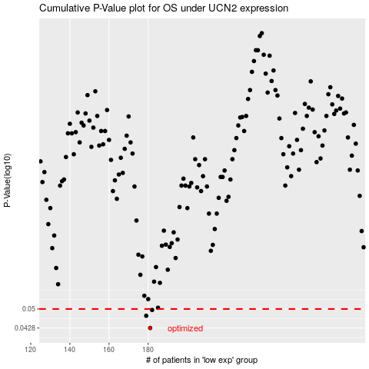

 |  |  |  |  |  | cases_OS | p_OS | rank | exp
 |  |  |  |  |  | 181 | 0.0428 | 91 | -0.31416377437
 |  |  |  |  |  | 179 | 0.0473 | 103 | -0.31480510267
 |  |  |  |  |  | 182 | 0.0496 | 71 | -0.31400744714
 |  |  |  |  |  |  | cases_RFS | p_RFS | rank | exp
 |  |  |  |  |  |  | 180 | 0.0428 | 237 | -0.31425933836
 |  |  |  |  |  |  | 178 | 0.0473 | 118 | -0.31530391358
 |  |  |  |  |  |  | 181 | 0.0496 | 91 | -0.31416377437

