UCP3 _multivariate
Reported by Tex Li-Hsing Chi. tex@gate.sinica.edu.tw 2019-08-15

Table 2. The clinicopathological features of HNSCC cohort and UCP3 expression. (Chi square test)
Cutoff at -0.192 (50.0%)
 |  | UCP3 expression |  | UCP3 expression |  | (Optimised)
 | Features | Low | (%) | High | (%) | Case no | P-value | Remark | Matthews
Gender | Female | 152 | 36.6 | 154 | 37.1 | 415 | 0.9766 | 0 | 0
2 | Male | 55 | 13.3 | 54 | 13
Age at diagnosis | <=65y | 127 | 30.6 | 147 | 35.4 | 415 | 0.0573 | 0 | 0
4 | >65y | 80 | 19.3 | 61 | 14.7
Clinical T Status | T1+T2 | 58 | 14 | 91 | 21.9 | 415 | 0.0012 | 1 | 0
6 | T3+T4 | 149 | 35.9 | 117 | 28.2
Clinical N Status | N0 | 101 | 24.3 | 115 | 27.7 | 415 | 0.2201 | 0 | 0
8 | N1-3 | 106 | 25.5 | 93 | 22.4
Clinical M Status | M0 | 205 | 49.4 | 207 | 49.9 | 415 | 0.6232 | 0 | 0
10 | M1 | 2 | 0.5 | 1 | 0.2
Clinical Stage | Stage I+II | 41 | 9.9 | 61 | 14.7 | 415 | 0.0325 | 1 | 0
12 | Stage III+IV | 166 | 40 | 147 | 35.4
Surgical Margin status | Negative | 156 | 37.6 | 162 | 39 | 415 | 0.5636 | 0 | 0
14 | Positive | 51 | 12.3 | 46 | 11.1
Tobacco Exposure | Low | 75 | 18.1 | 86 | 20.7 | 415 | 0.3141 | 0 | 0
16 | High | 132 | 31.8 | 122 | 29.4

Table 3. Univariate/Multivariate Cox's proportional hazards regression analyses on OS time of UCP3 gene expression in HNSCC

 |  | Univariate |  |  |  | Multivariate
 | Features | HR | CI95%(L) | CI95%(H) | P-value | HR | CI95%(L) | CI95%(H) | P-value
1 | Female | 1 |  |  |  | 1
Gender | Male | 1.157 | 0.843 | 1.587 | 0.367 | 1.204 | 0.862 | 1.683 | 0.276
11 | <=65y | 1 |  |  |  | 1
Age at diagnosis | >65y | 1.329 | 0.99 | 1.784 | 0.058 | 1.388 | 1.02 | 1.888 | 0.037
12 | T1+T2 | 1 |  |  |  | 1
Clinical T Status | T3+T4 | 1.409 | 1.028 | 1.931 | 0.033 | 2.187 | 1.153 | 4.147 | 0.017
13 | N0 | 1 |  |  |  | 1
Clinical N Status | N1-3 | 1.185 | 0.89 | 1.577 | 0.246 | 1.237 | 0.866 | 1.767 | 0.242
14 | M0 | 1 |  |  |  | 1
Clinical M Status | M1 | 4.097 | 1.009 | 16.644 | 0.049 | 9.344 | 2.036 | 42.879 | 0.004
15 | Stage I+II | 1 |  |  |  | 1
Clinical Stage | Stage III+IV | 1.245 | 0.882 | 1.759 | 0.213 | 0.507 | 0.236 | 1.091 | 0.082
16 | Negative | 1 |  |  |  | 1
Surgical Margin status | Positive | 1.591 | 1.155 | 2.191 | 0.004 | 1.672 | 1.21 | 2.31 | 0.002
17 | Low | 1 |  |  |  | 1
Tobacco Exposure | High | 1.364 | 1.008 | 1.844 | 0.044 | 1.45 | 1.052 | 1.999 | 0.023
18 | Low | 1 |  |  |  | 1
RNAseq(z-score) | High | 0.882 | 0.661 | 1.177 | 0.393 | 0.967 | 0.722 | 1.297 | 0.824

Table 4. Univariate/Multivariate Cox's proportional hazards regression analyses on RFS time of UCP3 gene expression in HNSCC

 |  | Univariate |  |  |  | Multivariate
 | Features | HR | CI95%(L) | CI95%(H) | P-value | HR | CI95%(L) | CI95%(H) | P-value
1 | Female | 1 |  |  |  | 1
Gender | Male | 1.157 | 0.843 | 1.587 | 0.367 | 1.204 | 0.862 | 1.683 | 0.276
11 | <=65y | 1 |  |  |  | 1
Age at diagnosis | >65y | 1.329 | 0.99 | 1.784 | 0.058 | 1.388 | 1.02 | 1.888 | 0.037
12 | T1+T2 | 1 |  |  |  | 1
Clinical T Status | T3+T4 | 1.409 | 1.028 | 1.931 | 0.033 | 2.187 | 1.153 | 4.147 | 0.017
13 | N0 | 1 |  |  |  | 1
Clinical N Status | N1-3 | 1.185 | 0.89 | 1.577 | 0.246 | 1.237 | 0.866 | 1.767 | 0.242
14 | M0 | 1 |  |  |  | 1
Clinical M Status | M1 | 4.097 | 1.009 | 16.644 | 0.049 | 9.344 | 2.036 | 42.879 | 0.004
15 | Stage I+II | 1 |  |  |  | 1
Clinical Stage | Stage III+IV | 1.245 | 0.882 | 1.759 | 0.213 | 0.507 | 0.236 | 1.091 | 0.082
16 | Negative | 1 |  |  |  | 1
Surgical Margin status | Positive | 1.591 | 1.155 | 2.191 | 0.004 | 1.672 | 1.21 | 2.31 | 0.002
17 | Low | 1 |  |  |  | 1
Tobacco Exposure | High | 1.364 | 1.008 | 1.844 | 0.044 | 1.45 | 1.052 | 1.999 | 0.023
18 | Low | 1 |  |  |  | 1
RNAseq(z-score) | High | 0.882 | 0.661 | 1.177 | 0.393 | 0.967 | 0.722 | 1.297 | 0.824

Kaplan-Meier survival estimate: Cutoff at -0.192 (50.0%)



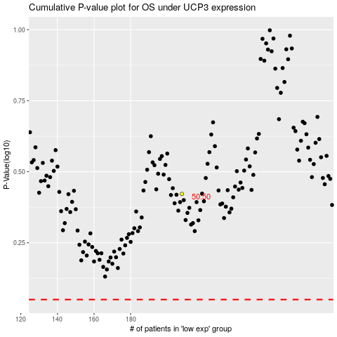

 |  |  |  |  |  | cases_OS | p_OS | rank | exp
 |  |  |  |  |  |  | cases_RFS | p_RFS | rank | exp

