UFD1L _multivariate
Reported by Tex Li-Hsing Chi. tex@gate.sinica.edu.tw 2019-08-15

Table 2. The clinicopathological features of HNSCC cohort and UFD1L expression. (Chi square test)
Cutoff at -0.186 (50.0%)
 |  | UFD1L expression |  | UFD1L expression |  | (Optimised)
 | Features | Low | (%) | High | (%) | Case no | P-value | Remark | Matthews
Gender | Female | 158 | 38.1 | 148 | 35.7 | 415 | 0.2774 | 0 | 0
2 | Male | 49 | 11.8 | 60 | 14.5
Age at diagnosis | <=65y | 144 | 34.7 | 130 | 31.3 | 415 | 0.1568 | 0 | 0
4 | >65y | 63 | 15.2 | 78 | 18.8
Clinical T Status | T1+T2 | 77 | 18.6 | 72 | 17.3 | 415 | 0.6556 | 0 | 0
6 | T3+T4 | 130 | 31.3 | 136 | 32.8
Clinical N Status | N0 | 105 | 25.3 | 111 | 26.7 | 415 | 0.6598 | 0 | 0
8 | N1-3 | 102 | 24.6 | 97 | 23.4
Clinical M Status | M0 | 206 | 49.6 | 206 | 49.6 | 415 | 1 | 0 | 0
10 | M1 | 1 | 0.2 | 2 | 0.5
Clinical Stage | Stage I+II | 52 | 12.5 | 50 | 12 | 415 | 0.8871 | 0 | 0
12 | Stage III+IV | 155 | 37.3 | 158 | 38.1
Surgical Margin status | Negative | 164 | 39.5 | 154 | 37.1 | 415 | 0.2462 | 0 | 0
14 | Positive | 43 | 10.4 | 54 | 13
Tobacco Exposure | Low | 84 | 20.2 | 77 | 18.6 | 415 | 0.4816 | 0 | 0
16 | High | 123 | 29.6 | 131 | 31.6

Table 3. Univariate/Multivariate Cox's proportional hazards regression analyses on OS time of UFD1L gene expression in HNSCC

 |  | Univariate |  |  |  | Multivariate
 | Features | HR | CI95%(L) | CI95%(H) | P-value | HR | CI95%(L) | CI95%(H) | P-value
1 | Female | 1 |  |  |  | 1
Gender | Male | 1.157 | 0.843 | 1.587 | 0.367 | 1.192 | 0.853 | 1.667 | 0.303
11 | <=65y | 1 |  |  |  | 1
Age at diagnosis | >65y | 1.329 | 0.99 | 1.784 | 0.058 | 1.38 | 1.015 | 1.877 | 0.04
12 | T1+T2 | 1 |  |  |  | 1
Clinical T Status | T3+T4 | 1.409 | 1.028 | 1.931 | 0.033 | 2.176 | 1.15 | 4.117 | 0.017
13 | N0 | 1 |  |  |  | 1
Clinical N Status | N1-3 | 1.185 | 0.89 | 1.577 | 0.246 | 1.248 | 0.874 | 1.781 | 0.223
14 | M0 | 1 |  |  |  | 1
Clinical M Status | M1 | 4.097 | 1.009 | 16.644 | 0.049 | 8.911 | 1.934 | 41.051 | 0.005
15 | Stage I+II | 1 |  |  |  | 1
Clinical Stage | Stage III+IV | 1.245 | 0.882 | 1.759 | 0.213 | 0.507 | 0.236 | 1.089 | 0.082
16 | Negative | 1 |  |  |  | 1
Surgical Margin status | Positive | 1.591 | 1.155 | 2.191 | 0.004 | 1.661 | 1.201 | 2.296 | 0.002
17 | Low | 1 |  |  |  | 1
Tobacco Exposure | High | 1.364 | 1.008 | 1.844 | 0.044 | 1.436 | 1.04 | 1.982 | 0.028
18 | Low | 1 |  |  |  | 1
RNAseq(z-score) | High | 1.231 | 0.924 | 1.64 | 0.155 | 1.136 | 0.85 | 1.518 | 0.39

Table 4. Univariate/Multivariate Cox's proportional hazards regression analyses on RFS time of UFD1L gene expression in HNSCC

 |  | Univariate |  |  |  | Multivariate
 | Features | HR | CI95%(L) | CI95%(H) | P-value | HR | CI95%(L) | CI95%(H) | P-value
1 | Female | 1 |  |  |  | 1
Gender | Male | 1.157 | 0.843 | 1.587 | 0.367 | 1.192 | 0.853 | 1.667 | 0.303
11 | <=65y | 1 |  |  |  | 1
Age at diagnosis | >65y | 1.329 | 0.99 | 1.784 | 0.058 | 1.38 | 1.015 | 1.877 | 0.04
12 | T1+T2 | 1 |  |  |  | 1
Clinical T Status | T3+T4 | 1.409 | 1.028 | 1.931 | 0.033 | 2.176 | 1.15 | 4.117 | 0.017
13 | N0 | 1 |  |  |  | 1
Clinical N Status | N1-3 | 1.185 | 0.89 | 1.577 | 0.246 | 1.248 | 0.874 | 1.781 | 0.223
14 | M0 | 1 |  |  |  | 1
Clinical M Status | M1 | 4.097 | 1.009 | 16.644 | 0.049 | 8.911 | 1.934 | 41.051 | 0.005
15 | Stage I+II | 1 |  |  |  | 1
Clinical Stage | Stage III+IV | 1.245 | 0.882 | 1.759 | 0.213 | 0.507 | 0.236 | 1.089 | 0.082
16 | Negative | 1 |  |  |  | 1
Surgical Margin status | Positive | 1.591 | 1.155 | 2.191 | 0.004 | 1.661 | 1.201 | 2.296 | 0.002
17 | Low | 1 |  |  |  | 1
Tobacco Exposure | High | 1.364 | 1.008 | 1.844 | 0.044 | 1.436 | 1.04 | 1.982 | 0.028
18 | Low | 1 |  |  |  | 1
RNAseq(z-score) | High | 1.231 | 0.924 | 1.64 | 0.155 | 1.136 | 0.85 | 1.518 | 0.39

Kaplan-Meier survival estimate: Cutoff at -0.186 (50.0%)



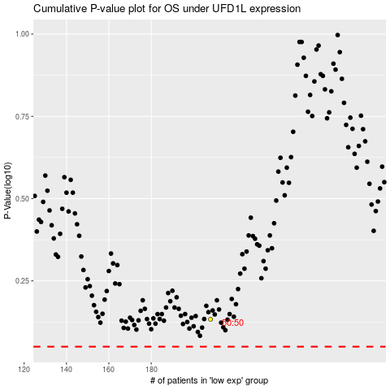

 |  |  |  |  |  | cases_OS | p_OS | rank | exp
 |  |  |  |  |  |  | cases_RFS | p_RFS | rank | exp

