UFSP1 _multivariate
Reported by Tex Li-Hsing Chi. tex@gate.sinica.edu.tw 2019-08-15

Table 2. The clinicopathological features of HNSCC cohort and UFSP1 expression. (Chi square test)
Cutoff at -0.287 (49.8%)
 |  | UFSP1 expression |  | UFSP1 expression |  | (Optimised)
 | Features | Low | (%) | High | (%) | Case no | P-value | Remark | Matthews
Gender | Female | 156 | 37.6 | 150 | 36.1 | 415 | 0.5222 | 0 | 0
2 | Male | 51 | 12.3 | 58 | 14
Age at diagnosis | <=65y | 136 | 32.8 | 138 | 33.3 | 415 | 0.9719 | 0 | 0
4 | >65y | 71 | 17.1 | 70 | 16.9
Clinical T Status | T1+T2 | 86 | 20.7 | 63 | 15.2 | 415 | 0.0221 | 1 | 0
6 | T3+T4 | 121 | 29.2 | 145 | 34.9
Clinical N Status | N0 | 101 | 24.3 | 115 | 27.7 | 415 | 0.2201 | 0 | 0
8 | N1-3 | 106 | 25.5 | 93 | 22.4
Clinical M Status | M0 | 206 | 49.6 | 206 | 49.6 | 415 | 1 | 0 | 0
10 | M1 | 1 | 0.2 | 2 | 0.5
Clinical Stage | Stage I+II | 55 | 13.3 | 47 | 11.3 | 415 | 0.4087 | 0 | 0
12 | Stage III+IV | 152 | 36.6 | 161 | 38.8
Surgical Margin status | Negative | 161 | 38.8 | 157 | 37.8 | 415 | 0.6429 | 0 | 0
14 | Positive | 46 | 11.1 | 51 | 12.3
Tobacco Exposure | Low | 88 | 21.2 | 73 | 17.6 | 415 | 0.1314 | 0 | 0
16 | High | 119 | 28.7 | 135 | 32.5

Table 3. Univariate/Multivariate Cox's proportional hazards regression analyses on OS time of UFSP1 gene expression in HNSCC

 |  | Univariate |  |  |  | Multivariate
 | Features | HR | CI95%(L) | CI95%(H) | P-value | HR | CI95%(L) | CI95%(H) | P-value
1 | Female | 1 |  |  |  | 1
Gender | Male | 1.157 | 0.843 | 1.587 | 0.367 | 1.234 | 0.883 | 1.725 | 0.219
11 | <=65y | 1 |  |  |  | 1
Age at diagnosis | >65y | 1.329 | 0.99 | 1.784 | 0.058 | 1.38 | 1.014 | 1.877 | 0.04
12 | T1+T2 | 1 |  |  |  | 1
Clinical T Status | T3+T4 | 1.409 | 1.028 | 1.931 | 0.033 | 2.358 | 1.237 | 4.493 | 0.009
13 | N0 | 1 |  |  |  | 1
Clinical N Status | N1-3 | 1.185 | 0.89 | 1.577 | 0.246 | 1.242 | 0.871 | 1.771 | 0.231
14 | M0 | 1 |  |  |  | 1
Clinical M Status | M1 | 4.097 | 1.009 | 16.644 | 0.049 | 10.289 | 2.231 | 47.46 | 0.003
15 | Stage I+II | 1 |  |  |  | 1
Clinical Stage | Stage III+IV | 1.245 | 0.882 | 1.759 | 0.213 | 0.479 | 0.222 | 1.032 | 0.06
16 | Negative | 1 |  |  |  | 1
Surgical Margin status | Positive | 1.591 | 1.155 | 2.191 | 0.004 | 1.731 | 1.246 | 2.403 | 0.001
17 | Low | 1 |  |  |  | 1
Tobacco Exposure | High | 1.364 | 1.008 | 1.844 | 0.044 | 1.488 | 1.079 | 2.053 | 0.015
18 | Low | 1 |  |  |  | 1
RNAseq(z-score) | High | 0.967 | 0.726 | 1.287 | 0.816 | 0.817 | 0.607 | 1.1 | 0.183

Table 4. Univariate/Multivariate Cox's proportional hazards regression analyses on RFS time of UFSP1 gene expression in HNSCC

 |  | Univariate |  |  |  | Multivariate
 | Features | HR | CI95%(L) | CI95%(H) | P-value | HR | CI95%(L) | CI95%(H) | P-value
1 | Female | 1 |  |  |  | 1
Gender | Male | 1.157 | 0.843 | 1.587 | 0.367 | 1.234 | 0.883 | 1.725 | 0.219
11 | <=65y | 1 |  |  |  | 1
Age at diagnosis | >65y | 1.329 | 0.99 | 1.784 | 0.058 | 1.38 | 1.014 | 1.877 | 0.04
12 | T1+T2 | 1 |  |  |  | 1
Clinical T Status | T3+T4 | 1.409 | 1.028 | 1.931 | 0.033 | 2.358 | 1.237 | 4.493 | 0.009
13 | N0 | 1 |  |  |  | 1
Clinical N Status | N1-3 | 1.185 | 0.89 | 1.577 | 0.246 | 1.242 | 0.871 | 1.771 | 0.231
14 | M0 | 1 |  |  |  | 1
Clinical M Status | M1 | 4.097 | 1.009 | 16.644 | 0.049 | 10.289 | 2.231 | 47.46 | 0.003
15 | Stage I+II | 1 |  |  |  | 1
Clinical Stage | Stage III+IV | 1.245 | 0.882 | 1.759 | 0.213 | 0.479 | 0.222 | 1.032 | 0.06
16 | Negative | 1 |  |  |  | 1
Surgical Margin status | Positive | 1.591 | 1.155 | 2.191 | 0.004 | 1.731 | 1.246 | 2.403 | 0.001
17 | Low | 1 |  |  |  | 1
Tobacco Exposure | High | 1.364 | 1.008 | 1.844 | 0.044 | 1.488 | 1.079 | 2.053 | 0.015
18 | Low | 1 |  |  |  | 1
RNAseq(z-score) | High | 0.967 | 0.726 | 1.287 | 0.816 | 0.817 | 0.607 | 1.1 | 0.183

Kaplan-Meier survival estimate: Cutoff at -0.287 (49.8%)



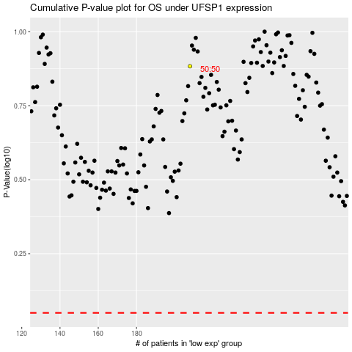

 |  |  |  |  |  | cases_OS | p_OS | rank | exp
 |  |  |  |  |  |  | cases_RFS | p_RFS | rank | exp

