UFSP2 _multivariate
Reported by Tex Li-Hsing Chi. tex@gate.sinica.edu.tw 2019-08-15

Table 2. The clinicopathological features of HNSCC cohort and UFSP2 expression. (Chi square test)
Cutoff at 0.192 (68.8%)
 |  | UFSP2 expression |  | UFSP2 expression |  | (Optimised)
 | Features | Low | (%) | High | (%) | Case no | P-value | Remark | Matthews
Gender | Female | 209 | 50.4 | 97 | 23.4 | 415 | 0.7391 | 0 | 0
2 | Male | 77 | 18.6 | 32 | 7.7
Age at diagnosis | <=65y | 188 | 45.3 | 86 | 20.7 | 415 | 0.9413 | 0 | 0
4 | >65y | 98 | 23.6 | 43 | 10.4
Clinical T Status | T1+T2 | 100 | 24.1 | 49 | 11.8 | 415 | 0.6291 | 0 | 0
6 | T3+T4 | 186 | 44.8 | 80 | 19.3
Clinical N Status | N0 | 158 | 38.1 | 58 | 14 | 415 | 0.0666 | 0 | 0
8 | N1-3 | 128 | 30.8 | 71 | 17.1
Clinical M Status | M0 | 285 | 68.7 | 127 | 30.6 | 415 | 0.2292 | 0 | 0
10 | M1 | 1 | 0.2 | 2 | 0.5
Clinical Stage | Stage I+II | 72 | 17.3 | 30 | 7.2 | 415 | 0.7664 | 0 | 0
12 | Stage III+IV | 214 | 51.6 | 99 | 23.9
Surgical Margin status | Negative | 217 | 52.3 | 101 | 24.3 | 415 | 0.6185 | 0 | 0
14 | Positive | 69 | 16.6 | 28 | 6.7
Tobacco Exposure | Low | 118 | 28.4 | 43 | 10.4 | 415 | 0.1294 | 0 | 0
16 | High | 168 | 40.5 | 86 | 20.7

Table 3. Univariate/Multivariate Cox's proportional hazards regression analyses on OS time of UFSP2 gene expression in HNSCC

 |  | Univariate |  |  |  | Multivariate
 | Features | HR | CI95%(L) | CI95%(H) | P-value | HR | CI95%(L) | CI95%(H) | P-value
1 | Female | 1 |  |  |  | 1
Gender | Male | 1.157 | 0.843 | 1.587 | 0.367 | 1.179 | 0.843 | 1.648 | 0.336
11 | <=65y | 1 |  |  |  | 1
Age at diagnosis | >65y | 1.329 | 0.99 | 1.784 | 0.058 | 1.372 | 1.008 | 1.867 | 0.044
12 | T1+T2 | 1 |  |  |  | 1
Clinical T Status | T3+T4 | 1.409 | 1.028 | 1.931 | 0.033 | 2.295 | 1.211 | 4.349 | 0.011
13 | N0 | 1 |  |  |  | 1
Clinical N Status | N1-3 | 1.185 | 0.89 | 1.577 | 0.246 | 1.2 | 0.839 | 1.715 | 0.319
14 | M0 | 1 |  |  |  | 1
Clinical M Status | M1 | 4.097 | 1.009 | 16.644 | 0.049 | 8.661 | 1.882 | 39.858 | 0.006
15 | Stage I+II | 1 |  |  |  | 1
Clinical Stage | Stage III+IV | 1.245 | 0.882 | 1.759 | 0.213 | 0.483 | 0.225 | 1.038 | 0.062
16 | Negative | 1 |  |  |  | 1
Surgical Margin status | Positive | 1.591 | 1.155 | 2.191 | 0.004 | 1.688 | 1.221 | 2.334 | 0.002
17 | Low | 1 |  |  |  | 1
Tobacco Exposure | High | 1.364 | 1.008 | 1.844 | 0.044 | 1.425 | 1.032 | 1.966 | 0.031
18 | Low | 1 |  |  |  | 1
RNAseq(z-score) | High | 1.361 | 1.001 | 1.849 | 0.049 | 1.304 | 0.951 | 1.788 | 0.099

Table 4. Univariate/Multivariate Cox's proportional hazards regression analyses on RFS time of UFSP2 gene expression in HNSCC

 |  | Univariate |  |  |  | Multivariate
 | Features | HR | CI95%(L) | CI95%(H) | P-value | HR | CI95%(L) | CI95%(H) | P-value
1 | Female | 1 |  |  |  | 1
Gender | Male | 1.157 | 0.843 | 1.587 | 0.367 | 1.179 | 0.843 | 1.648 | 0.336
11 | <=65y | 1 |  |  |  | 1
Age at diagnosis | >65y | 1.329 | 0.99 | 1.784 | 0.058 | 1.372 | 1.008 | 1.867 | 0.044
12 | T1+T2 | 1 |  |  |  | 1
Clinical T Status | T3+T4 | 1.409 | 1.028 | 1.931 | 0.033 | 2.295 | 1.211 | 4.349 | 0.011
13 | N0 | 1 |  |  |  | 1
Clinical N Status | N1-3 | 1.185 | 0.89 | 1.577 | 0.246 | 1.2 | 0.839 | 1.715 | 0.319
14 | M0 | 1 |  |  |  | 1
Clinical M Status | M1 | 4.097 | 1.009 | 16.644 | 0.049 | 8.661 | 1.882 | 39.858 | 0.006
15 | Stage I+II | 1 |  |  |  | 1
Clinical Stage | Stage III+IV | 1.245 | 0.882 | 1.759 | 0.213 | 0.483 | 0.225 | 1.038 | 0.062
16 | Negative | 1 |  |  |  | 1
Surgical Margin status | Positive | 1.591 | 1.155 | 2.191 | 0.004 | 1.688 | 1.221 | 2.334 | 0.002
17 | Low | 1 |  |  |  | 1
Tobacco Exposure | High | 1.364 | 1.008 | 1.844 | 0.044 | 1.425 | 1.032 | 1.966 | 0.031
18 | Low | 1 |  |  |  | 1
RNAseq(z-score) | High | 1.361 | 1.001 | 1.849 | 0.049 | 1.304 | 0.951 | 1.788 | 0.099

Kaplan-Meier survival estimate: Cutoff at 0.192 (68.8%)



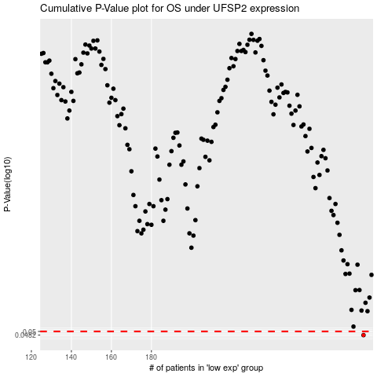

 |  |  |  |  |  | cases_OS | p_OS | rank | exp
 |  |  |  |  |  | 286 | 0.0482 | 379 | 0.1915090481
 |  |  |  |  |  |  | cases_RFS | p_RFS | rank | exp
 |  |  |  |  |  |  | 285 | 0.0482 | 192 | 0.18793054216

