UGDH _multivariate
Reported by Tex Li-Hsing Chi. tex@gate.sinica.edu.tw 2019-08-15

Table 2. The clinicopathological features of HNSCC cohort and UGDH expression. (Chi square test)
Cutoff at -0.272 (50.0%)
 |  | UGDH expression |  | UGDH expression |  | (Optimised)
 | Features | Low | (%) | High | (%) | Case no | P-value | Remark | Matthews
Gender | Female | 149 | 35.9 | 157 | 37.8 | 415 | 0.4848 | 0 | 0
2 | Male | 58 | 14 | 51 | 12.3
Age at diagnosis | <=65y | 138 | 33.3 | 136 | 32.8 | 415 | 0.8634 | 0 | 0
4 | >65y | 69 | 16.6 | 72 | 17.3
Clinical T Status | T1+T2 | 80 | 19.3 | 69 | 16.6 | 415 | 0.2891 | 0 | 0
6 | T3+T4 | 127 | 30.6 | 139 | 33.5
Clinical N Status | N0 | 108 | 26 | 108 | 26 | 415 | 1 | 0 | 0
8 | N1-3 | 99 | 23.9 | 100 | 24.1
Clinical M Status | M0 | 206 | 49.6 | 206 | 49.6 | 415 | 1 | 0 | 0
10 | M1 | 1 | 0.2 | 2 | 0.5
Clinical Stage | Stage I+II | 55 | 13.3 | 47 | 11.3 | 415 | 0.4087 | 0 | 0
12 | Stage III+IV | 152 | 36.6 | 161 | 38.8
Surgical Margin status | Negative | 151 | 36.4 | 167 | 40.2 | 415 | 0.0828 | 0 | 0
14 | Positive | 56 | 13.5 | 41 | 9.9
Tobacco Exposure | Low | 90 | 21.7 | 71 | 17.1 | 415 | 0.0559 | 0 | 0
16 | High | 117 | 28.2 | 137 | 33

Table 3. Univariate/Multivariate Cox's proportional hazards regression analyses on OS time of UGDH gene expression in HNSCC

 |  | Univariate |  |  |  | Multivariate
 | Features | HR | CI95%(L) | CI95%(H) | P-value | HR | CI95%(L) | CI95%(H) | P-value
1 | Female | 1 |  |  |  | 1
Gender | Male | 1.157 | 0.843 | 1.587 | 0.367 | 1.191 | 0.852 | 1.666 | 0.306
11 | <=65y | 1 |  |  |  | 1
Age at diagnosis | >65y | 1.329 | 0.99 | 1.784 | 0.058 | 1.391 | 1.023 | 1.891 | 0.035
12 | T1+T2 | 1 |  |  |  | 1
Clinical T Status | T3+T4 | 1.409 | 1.028 | 1.931 | 0.033 | 2.211 | 1.169 | 4.183 | 0.015
13 | N0 | 1 |  |  |  | 1
Clinical N Status | N1-3 | 1.185 | 0.89 | 1.577 | 0.246 | 1.233 | 0.864 | 1.76 | 0.249
14 | M0 | 1 |  |  |  | 1
Clinical M Status | M1 | 4.097 | 1.009 | 16.644 | 0.049 | 9.569 | 2.085 | 43.906 | 0.004
15 | Stage I+II | 1 |  |  |  | 1
Clinical Stage | Stage III+IV | 1.245 | 0.882 | 1.759 | 0.213 | 0.503 | 0.234 | 1.079 | 0.078
16 | Negative | 1 |  |  |  | 1
Surgical Margin status | Positive | 1.591 | 1.155 | 2.191 | 0.004 | 1.655 | 1.196 | 2.29 | 0.002
17 | Low | 1 |  |  |  | 1
Tobacco Exposure | High | 1.364 | 1.008 | 1.844 | 0.044 | 1.482 | 1.07 | 2.051 | 0.018
18 | Low | 1 |  |  |  | 1
RNAseq(z-score) | High | 0.904 | 0.679 | 1.205 | 0.491 | 0.9 | 0.67 | 1.208 | 0.482

Table 4. Univariate/Multivariate Cox's proportional hazards regression analyses on RFS time of UGDH gene expression in HNSCC

 |  | Univariate |  |  |  | Multivariate
 | Features | HR | CI95%(L) | CI95%(H) | P-value | HR | CI95%(L) | CI95%(H) | P-value
1 | Female | 1 |  |  |  | 1
Gender | Male | 1.157 | 0.843 | 1.587 | 0.367 | 1.191 | 0.852 | 1.666 | 0.306
11 | <=65y | 1 |  |  |  | 1
Age at diagnosis | >65y | 1.329 | 0.99 | 1.784 | 0.058 | 1.391 | 1.023 | 1.891 | 0.035
12 | T1+T2 | 1 |  |  |  | 1
Clinical T Status | T3+T4 | 1.409 | 1.028 | 1.931 | 0.033 | 2.211 | 1.169 | 4.183 | 0.015
13 | N0 | 1 |  |  |  | 1
Clinical N Status | N1-3 | 1.185 | 0.89 | 1.577 | 0.246 | 1.233 | 0.864 | 1.76 | 0.249
14 | M0 | 1 |  |  |  | 1
Clinical M Status | M1 | 4.097 | 1.009 | 16.644 | 0.049 | 9.569 | 2.085 | 43.906 | 0.004
15 | Stage I+II | 1 |  |  |  | 1
Clinical Stage | Stage III+IV | 1.245 | 0.882 | 1.759 | 0.213 | 0.503 | 0.234 | 1.079 | 0.078
16 | Negative | 1 |  |  |  | 1
Surgical Margin status | Positive | 1.591 | 1.155 | 2.191 | 0.004 | 1.655 | 1.196 | 2.29 | 0.002
17 | Low | 1 |  |  |  | 1
Tobacco Exposure | High | 1.364 | 1.008 | 1.844 | 0.044 | 1.482 | 1.07 | 2.051 | 0.018
18 | Low | 1 |  |  |  | 1
RNAseq(z-score) | High | 0.904 | 0.679 | 1.205 | 0.491 | 0.9 | 0.67 | 1.208 | 0.482

Kaplan-Meier survival estimate: Cutoff at -0.272 (50.0%)



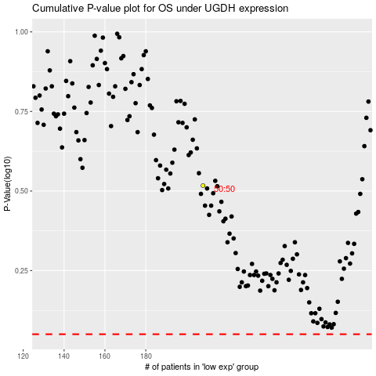

 |  |  |  |  |  | cases_OS | p_OS | rank | exp
 |  |  |  |  |  |  | cases_RFS | p_RFS | rank | exp

