UGT1A7 _multivariate
Reported by Tex Li-Hsing Chi. tex@gate.sinica.edu.tw 2019-08-15

Table 2. The clinicopathological features of HNSCC cohort and UGT1A7 expression. (Chi square test)
Cutoff at -0.359 (49.8%)
 |  | UGT1A7 expression |  | UGT1A7 expression |  | (Optimised)
 | Features | Low | (%) | High | (%) | Case no | P-value | Remark | Matthews
Gender | Female | 149 | 35.9 | 157 | 37.8 | 415 | 0.4848 | 0 | 0
2 | Male | 58 | 14 | 51 | 12.3
Age at diagnosis | <=65y | 129 | 31.1 | 145 | 34.9 | 415 | 0.1372 | 0 | 0
4 | >65y | 78 | 18.8 | 63 | 15.2
Clinical T Status | T1+T2 | 79 | 19 | 70 | 16.9 | 415 | 0.3924 | 0 | 0
6 | T3+T4 | 128 | 30.8 | 138 | 33.3
Clinical N Status | N0 | 104 | 25.1 | 112 | 27 | 415 | 0.5243 | 0 | 0
8 | N1-3 | 103 | 24.8 | 96 | 23.1
Clinical M Status | M0 | 206 | 49.6 | 206 | 49.6 | 415 | 1 | 0 | 0
10 | M1 | 1 | 0.2 | 2 | 0.5
Clinical Stage | Stage I+II | 53 | 12.8 | 49 | 11.8 | 415 | 0.7113 | 0 | 0
12 | Stage III+IV | 154 | 37.1 | 159 | 38.3
Surgical Margin status | Negative | 155 | 37.3 | 163 | 39.3 | 415 | 0.4187 | 0 | 0
14 | Positive | 52 | 12.5 | 45 | 10.8
Tobacco Exposure | Low | 105 | 25.3 | 56 | 13.5 | 415 | 0 | 1 | 0
16 | High | 102 | 24.6 | 152 | 36.6

Table 3. Univariate/Multivariate Cox's proportional hazards regression analyses on OS time of UGT1A7 gene expression in HNSCC

 |  | Univariate |  |  |  | Multivariate
 | Features | HR | CI95%(L) | CI95%(H) | P-value | HR | CI95%(L) | CI95%(H) | P-value
1 | Female | 1 |  |  |  | 1
Gender | Male | 1.157 | 0.843 | 1.587 | 0.367 | 1.195 | 0.855 | 1.67 | 0.297
11 | <=65y | 1 |  |  |  | 1
Age at diagnosis | >65y | 1.329 | 0.99 | 1.784 | 0.058 | 1.376 | 1.011 | 1.872 | 0.042
12 | T1+T2 | 1 |  |  |  | 1
Clinical T Status | T3+T4 | 1.409 | 1.028 | 1.931 | 0.033 | 2.222 | 1.175 | 4.202 | 0.014
13 | N0 | 1 |  |  |  | 1
Clinical N Status | N1-3 | 1.185 | 0.89 | 1.577 | 0.246 | 1.224 | 0.858 | 1.748 | 0.265
14 | M0 | 1 |  |  |  | 1
Clinical M Status | M1 | 4.097 | 1.009 | 16.644 | 0.049 | 9.998 | 2.172 | 46.02 | 0.003
15 | Stage I+II | 1 |  |  |  | 1
Clinical Stage | Stage III+IV | 1.245 | 0.882 | 1.759 | 0.213 | 0.504 | 0.235 | 1.082 | 0.079
16 | Negative | 1 |  |  |  | 1
Surgical Margin status | Positive | 1.591 | 1.155 | 2.191 | 0.004 | 1.67 | 1.209 | 2.307 | 0.002
17 | Low | 1 |  |  |  | 1
Tobacco Exposure | High | 1.364 | 1.008 | 1.844 | 0.044 | 1.519 | 1.091 | 2.113 | 0.013
18 | Low | 1 |  |  |  | 1
RNAseq(z-score) | High | 0.907 | 0.68 | 1.208 | 0.504 | 0.846 | 0.627 | 1.143 | 0.277

Table 4. Univariate/Multivariate Cox's proportional hazards regression analyses on RFS time of UGT1A7 gene expression in HNSCC

 |  | Univariate |  |  |  | Multivariate
 | Features | HR | CI95%(L) | CI95%(H) | P-value | HR | CI95%(L) | CI95%(H) | P-value
1 | Female | 1 |  |  |  | 1
Gender | Male | 1.157 | 0.843 | 1.587 | 0.367 | 1.195 | 0.855 | 1.67 | 0.297
11 | <=65y | 1 |  |  |  | 1
Age at diagnosis | >65y | 1.329 | 0.99 | 1.784 | 0.058 | 1.376 | 1.011 | 1.872 | 0.042
12 | T1+T2 | 1 |  |  |  | 1
Clinical T Status | T3+T4 | 1.409 | 1.028 | 1.931 | 0.033 | 2.222 | 1.175 | 4.202 | 0.014
13 | N0 | 1 |  |  |  | 1
Clinical N Status | N1-3 | 1.185 | 0.89 | 1.577 | 0.246 | 1.224 | 0.858 | 1.748 | 0.265
14 | M0 | 1 |  |  |  | 1
Clinical M Status | M1 | 4.097 | 1.009 | 16.644 | 0.049 | 9.998 | 2.172 | 46.02 | 0.003
15 | Stage I+II | 1 |  |  |  | 1
Clinical Stage | Stage III+IV | 1.245 | 0.882 | 1.759 | 0.213 | 0.504 | 0.235 | 1.082 | 0.079
16 | Negative | 1 |  |  |  | 1
Surgical Margin status | Positive | 1.591 | 1.155 | 2.191 | 0.004 | 1.67 | 1.209 | 2.307 | 0.002
17 | Low | 1 |  |  |  | 1
Tobacco Exposure | High | 1.364 | 1.008 | 1.844 | 0.044 | 1.519 | 1.091 | 2.113 | 0.013
18 | Low | 1 |  |  |  | 1
RNAseq(z-score) | High | 0.907 | 0.68 | 1.208 | 0.504 | 0.846 | 0.627 | 1.143 | 0.277

Kaplan-Meier survival estimate: Cutoff at -0.359 (49.8%)

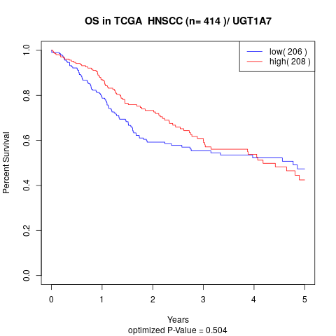

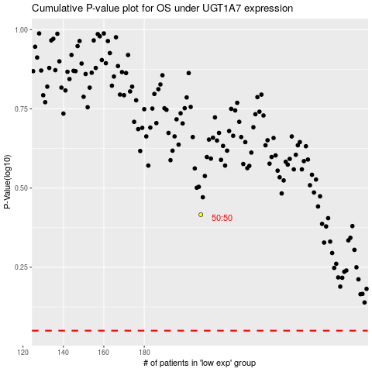

 |  |  |  |  |  | cases_OS | p_OS | rank | exp
 |  |  |  |  |  |  | cases_RFS | p_RFS | rank | exp

