UGT8 _multivariate
Reported by Tex Li-Hsing Chi. tex@gate.sinica.edu.tw 2019-08-15

Table 2. The clinicopathological features of HNSCC cohort and UGT8 expression. (Chi square test)
Cutoff at -0.512 (48.3%)
 |  | UGT8 expression |  | UGT8 expression |  | (Optimised)
 | Features | Low | (%) | High | (%) | Case no | P-value | Remark | Matthews
Gender | Female | 144 | 34.7 | 162 | 39 | 415 | 0.408 | 0 | 0
2 | Male | 57 | 13.7 | 52 | 12.5
Age at diagnosis | <=65y | 127 | 30.6 | 147 | 35.4 | 415 | 0.2801 | 0 | 0
4 | >65y | 74 | 17.8 | 67 | 16.1
Clinical T Status | T1+T2 | 81 | 19.5 | 68 | 16.4 | 415 | 0.0879 | 0 | 0
6 | T3+T4 | 120 | 28.9 | 146 | 35.2
Clinical N Status | N0 | 108 | 26 | 108 | 26 | 415 | 0.5708 | 0 | 0
8 | N1-3 | 93 | 22.4 | 106 | 25.5
Clinical M Status | M0 | 200 | 48.2 | 212 | 51.1 | 415 | 1 | 0 | 0
10 | M1 | 1 | 0.2 | 2 | 0.5
Clinical Stage | Stage I+II | 59 | 14.2 | 43 | 10.4 | 415 | 0.0379 | 1 | 0
12 | Stage III+IV | 142 | 34.2 | 171 | 41.2
Surgical Margin status | Negative | 153 | 36.9 | 165 | 39.8 | 415 | 0.8176 | 0 | 0
14 | Positive | 48 | 11.6 | 49 | 11.8
Tobacco Exposure | Low | 95 | 22.9 | 66 | 15.9 | 415 | 6e-04 | 1 | 0
16 | High | 106 | 25.5 | 148 | 35.7

Table 3. Univariate/Multivariate Cox's proportional hazards regression analyses on OS time of UGT8 gene expression in HNSCC

 |  | Univariate |  |  |  | Multivariate
 | Features | HR | CI95%(L) | CI95%(H) | P-value | HR | CI95%(L) | CI95%(H) | P-value
1 | Female | 1 |  |  |  | 1
Gender | Male | 1.157 | 0.843 | 1.587 | 0.367 | 1.211 | 0.868 | 1.69 | 0.26
11 | <=65y | 1 |  |  |  | 1
Age at diagnosis | >65y | 1.329 | 0.99 | 1.784 | 0.058 | 1.414 | 1.04 | 1.921 | 0.027
12 | T1+T2 | 1 |  |  |  | 1
Clinical T Status | T3+T4 | 1.409 | 1.028 | 1.931 | 0.033 | 2.255 | 1.19 | 4.271 | 0.013
13 | N0 | 1 |  |  |  | 1
Clinical N Status | N1-3 | 1.185 | 0.89 | 1.577 | 0.246 | 1.274 | 0.891 | 1.821 | 0.184
14 | M0 | 1 |  |  |  | 1
Clinical M Status | M1 | 4.097 | 1.009 | 16.644 | 0.049 | 9.354 | 2.039 | 42.915 | 0.004
15 | Stage I+II | 1 |  |  |  | 1
Clinical Stage | Stage III+IV | 1.245 | 0.882 | 1.759 | 0.213 | 0.459 | 0.213 | 0.993 | 0.048
16 | Negative | 1 |  |  |  | 1
Surgical Margin status | Positive | 1.591 | 1.155 | 2.191 | 0.004 | 1.696 | 1.226 | 2.346 | 0.001
17 | Low | 1 |  |  |  | 1
Tobacco Exposure | High | 1.364 | 1.008 | 1.844 | 0.044 | 1.401 | 1.016 | 1.932 | 0.04
18 | Low | 1 |  |  |  | 1
RNAseq(z-score) | High | 1.336 | 1 | 1.784 | 0.05 | 1.346 | 0.998 | 1.814 | 0.051

Table 4. Univariate/Multivariate Cox's proportional hazards regression analyses on RFS time of UGT8 gene expression in HNSCC

 |  | Univariate |  |  |  | Multivariate
 | Features | HR | CI95%(L) | CI95%(H) | P-value | HR | CI95%(L) | CI95%(H) | P-value
1 | Female | 1 |  |  |  | 1
Gender | Male | 1.157 | 0.843 | 1.587 | 0.367 | 1.211 | 0.868 | 1.69 | 0.26
11 | <=65y | 1 |  |  |  | 1
Age at diagnosis | >65y | 1.329 | 0.99 | 1.784 | 0.058 | 1.414 | 1.04 | 1.921 | 0.027
12 | T1+T2 | 1 |  |  |  | 1
Clinical T Status | T3+T4 | 1.409 | 1.028 | 1.931 | 0.033 | 2.255 | 1.19 | 4.271 | 0.013
13 | N0 | 1 |  |  |  | 1
Clinical N Status | N1-3 | 1.185 | 0.89 | 1.577 | 0.246 | 1.274 | 0.891 | 1.821 | 0.184
14 | M0 | 1 |  |  |  | 1
Clinical M Status | M1 | 4.097 | 1.009 | 16.644 | 0.049 | 9.354 | 2.039 | 42.915 | 0.004
15 | Stage I+II | 1 |  |  |  | 1
Clinical Stage | Stage III+IV | 1.245 | 0.882 | 1.759 | 0.213 | 0.459 | 0.213 | 0.993 | 0.048
16 | Negative | 1 |  |  |  | 1
Surgical Margin status | Positive | 1.591 | 1.155 | 2.191 | 0.004 | 1.696 | 1.226 | 2.346 | 0.001
17 | Low | 1 |  |  |  | 1
Tobacco Exposure | High | 1.364 | 1.008 | 1.844 | 0.044 | 1.401 | 1.016 | 1.932 | 0.04
18 | Low | 1 |  |  |  | 1
RNAseq(z-score) | High | 1.336 | 1 | 1.784 | 0.05 | 1.346 | 0.998 | 1.814 | 0.051

Kaplan-Meier survival estimate: Cutoff at -0.512 (48.3%)



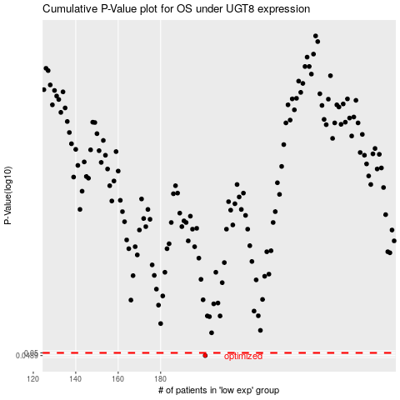

 |  |  |  |  |  | cases_OS | p_OS | rank | exp
 |  |  |  |  |  | 201 | 0.0489 | 274 | -0.51192269408
 |  |  |  |  |  |  | cases_RFS | p_RFS | rank | exp
 |  |  |  |  |  |  | 200 | 0.0489 | 177 | -0.51665662976

