UHRF1BP1 _multivariate
Reported by Tex Li-Hsing Chi. tex@gate.sinica.edu.tw 2019-08-15

Table 2. The clinicopathological features of HNSCC cohort and UHRF1BP1 expression. (Chi square test)
Cutoff at -0.14 (49.8%)
 |  | UHRF1BP1 expression |  | UHRF1BP1 expression |  | (Optimised)
 | Features | Low | (%) | High | (%) | Case no | P-value | Remark | Matthews
Gender | Female | 148 | 35.7 | 158 | 38.1 | 415 | 0.3567 | 0 | 0
2 | Male | 59 | 14.2 | 50 | 12
Age at diagnosis | <=65y | 138 | 33.3 | 136 | 32.8 | 415 | 0.8634 | 0 | 0
4 | >65y | 69 | 16.6 | 72 | 17.3
Clinical T Status | T1+T2 | 85 | 20.5 | 64 | 15.4 | 415 | 0.0372 | 1 | 0
6 | T3+T4 | 122 | 29.4 | 144 | 34.7
Clinical N Status | N0 | 114 | 27.5 | 102 | 24.6 | 415 | 0.2576 | 1 | 0
8 | N1-3 | 93 | 22.4 | 106 | 25.5
Clinical M Status | M0 | 204 | 49.2 | 208 | 50.1 | 415 | 0.1232 | 0 | 0
10 | M1 | 3 | 0.7 | 0 | 0
Clinical Stage | Stage I+II | 59 | 14.2 | 43 | 10.4 | 415 | 0.0822 | 0 | 0
12 | Stage III+IV | 148 | 35.7 | 165 | 39.8
Surgical Margin status | Negative | 155 | 37.3 | 163 | 39.3 | 415 | 0.4187 | 0 | 0
14 | Positive | 52 | 12.5 | 45 | 10.8
Tobacco Exposure | Low | 91 | 21.9 | 70 | 16.9 | 415 | 0.0346 | 1 | 0
16 | High | 116 | 28 | 138 | 33.3

Table 3. Univariate/Multivariate Cox's proportional hazards regression analyses on OS time of UHRF1BP1 gene expression in HNSCC

 |  | Univariate |  |  |  | Multivariate
 | Features | HR | CI95%(L) | CI95%(H) | P-value | HR | CI95%(L) | CI95%(H) | P-value
1 | Female | 1 |  |  |  | 1
Gender | Male | 1.157 | 0.843 | 1.587 | 0.367 | 1.19 | 0.85 | 1.666 | 0.31
11 | <=65y | 1 |  |  |  | 1
Age at diagnosis | >65y | 1.329 | 0.99 | 1.784 | 0.058 | 1.387 | 1.02 | 1.885 | 0.037
12 | T1+T2 | 1 |  |  |  | 1
Clinical T Status | T3+T4 | 1.409 | 1.028 | 1.931 | 0.033 | 2.194 | 1.16 | 4.148 | 0.016
13 | N0 | 1 |  |  |  | 1
Clinical N Status | N1-3 | 1.185 | 0.89 | 1.577 | 0.246 | 1.24 | 0.869 | 1.768 | 0.236
14 | M0 | 1 |  |  |  | 1
Clinical M Status | M1 | 4.097 | 1.009 | 16.644 | 0.049 | 8.928 | 1.928 | 41.35 | 0.005
15 | Stage I+II | 1 |  |  |  | 1
Clinical Stage | Stage III+IV | 1.245 | 0.882 | 1.759 | 0.213 | 0.513 | 0.239 | 1.103 | 0.088
16 | Negative | 1 |  |  |  | 1
Surgical Margin status | Positive | 1.591 | 1.155 | 2.191 | 0.004 | 1.66 | 1.2 | 2.295 | 0.002
17 | Low | 1 |  |  |  | 1
Tobacco Exposure | High | 1.364 | 1.008 | 1.844 | 0.044 | 1.456 | 1.056 | 2.007 | 0.022
18 | Low | 1 |  |  |  | 1
RNAseq(z-score) | High | 0.893 | 0.67 | 1.19 | 0.44 | 0.919 | 0.684 | 1.234 | 0.574

Table 4. Univariate/Multivariate Cox's proportional hazards regression analyses on RFS time of UHRF1BP1 gene expression in HNSCC

 |  | Univariate |  |  |  | Multivariate
 | Features | HR | CI95%(L) | CI95%(H) | P-value | HR | CI95%(L) | CI95%(H) | P-value
1 | Female | 1 |  |  |  | 1
Gender | Male | 1.157 | 0.843 | 1.587 | 0.367 | 1.19 | 0.85 | 1.666 | 0.31
11 | <=65y | 1 |  |  |  | 1
Age at diagnosis | >65y | 1.329 | 0.99 | 1.784 | 0.058 | 1.387 | 1.02 | 1.885 | 0.037
12 | T1+T2 | 1 |  |  |  | 1
Clinical T Status | T3+T4 | 1.409 | 1.028 | 1.931 | 0.033 | 2.194 | 1.16 | 4.148 | 0.016
13 | N0 | 1 |  |  |  | 1
Clinical N Status | N1-3 | 1.185 | 0.89 | 1.577 | 0.246 | 1.24 | 0.869 | 1.768 | 0.236
14 | M0 | 1 |  |  |  | 1
Clinical M Status | M1 | 4.097 | 1.009 | 16.644 | 0.049 | 8.928 | 1.928 | 41.35 | 0.005
15 | Stage I+II | 1 |  |  |  | 1
Clinical Stage | Stage III+IV | 1.245 | 0.882 | 1.759 | 0.213 | 0.513 | 0.239 | 1.103 | 0.088
16 | Negative | 1 |  |  |  | 1
Surgical Margin status | Positive | 1.591 | 1.155 | 2.191 | 0.004 | 1.66 | 1.2 | 2.295 | 0.002
17 | Low | 1 |  |  |  | 1
Tobacco Exposure | High | 1.364 | 1.008 | 1.844 | 0.044 | 1.456 | 1.056 | 2.007 | 0.022
18 | Low | 1 |  |  |  | 1
RNAseq(z-score) | High | 0.893 | 0.67 | 1.19 | 0.44 | 0.919 | 0.684 | 1.234 | 0.574

Kaplan-Meier survival estimate: Cutoff at -0.14 (49.8%)

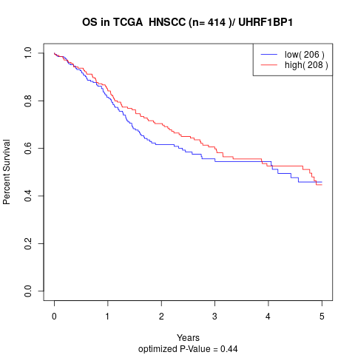

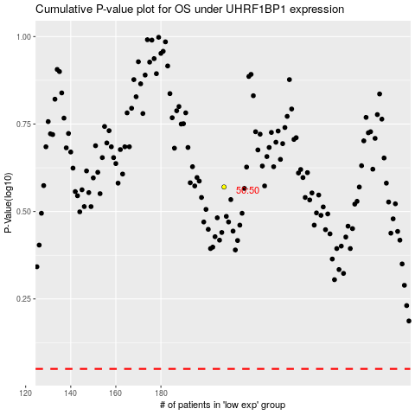

 |  |  |  |  |  | cases_OS | p_OS | rank | exp
 |  |  |  |  |  |  | cases_RFS | p_RFS | rank | exp

