UHRF2 _multivariate
Reported by Tex Li-Hsing Chi. tex@gate.sinica.edu.tw 2019-08-15

Table 2. The clinicopathological features of HNSCC cohort and UHRF2 expression. (Chi square test)
Cutoff at -0.119 (55.6%)
 |  | UHRF2 expression |  | UHRF2 expression |  | (Optimised)
 | Features | Low | (%) | High | (%) | Case no | P-value | Remark | Matthews
Gender | Female | 171 | 41.2 | 135 | 32.5 | 415 | 0.9691 | 0 | 0
2 | Male | 60 | 14.5 | 49 | 11.8
Age at diagnosis | <=65y | 155 | 37.3 | 119 | 28.7 | 415 | 0.6789 | 0 | 0
4 | >65y | 76 | 18.3 | 65 | 15.7
Clinical T Status | T1+T2 | 83 | 20 | 66 | 15.9 | 415 | 1 | 0 | 0
6 | T3+T4 | 148 | 35.7 | 118 | 28.4
Clinical N Status | N0 | 124 | 29.9 | 92 | 22.2 | 415 | 0.5179 | 0 | 0
8 | N1-3 | 107 | 25.8 | 92 | 22.2
Clinical M Status | M0 | 229 | 55.2 | 183 | 44.1 | 415 | 1 | 0 | 0
10 | M1 | 2 | 0.5 | 1 | 0.2
Clinical Stage | Stage I+II | 54 | 13 | 48 | 11.6 | 415 | 0.6014 | 0 | 0
12 | Stage III+IV | 177 | 42.7 | 136 | 32.8
Surgical Margin status | Negative | 187 | 45.1 | 131 | 31.6 | 415 | 0.0262 | 1 | 0
14 | Positive | 44 | 10.6 | 53 | 12.8
Tobacco Exposure | Low | 89 | 21.4 | 72 | 17.3 | 415 | 0.9195 | 0 | 0
16 | High | 142 | 34.2 | 112 | 27

Table 3. Univariate/Multivariate Cox's proportional hazards regression analyses on OS time of UHRF2 gene expression in HNSCC

 |  | Univariate |  |  |  | Multivariate
 | Features | HR | CI95%(L) | CI95%(H) | P-value | HR | CI95%(L) | CI95%(H) | P-value
1 | Female | 1 |  |  |  | 1
Gender | Male | 1.157 | 0.843 | 1.587 | 0.367 | 1.21 | 0.865 | 1.692 | 0.266
11 | <=65y | 1 |  |  |  | 1
Age at diagnosis | >65y | 1.329 | 0.99 | 1.784 | 0.058 | 1.385 | 1.019 | 1.882 | 0.038
12 | T1+T2 | 1 |  |  |  | 1
Clinical T Status | T3+T4 | 1.409 | 1.028 | 1.931 | 0.033 | 2.177 | 1.152 | 4.115 | 0.017
13 | N0 | 1 |  |  |  | 1
Clinical N Status | N1-3 | 1.185 | 0.89 | 1.577 | 0.246 | 1.195 | 0.836 | 1.708 | 0.328
14 | M0 | 1 |  |  |  | 1
Clinical M Status | M1 | 4.097 | 1.009 | 16.644 | 0.049 | 10.063 | 2.19 | 46.239 | 0.003
15 | Stage I+II | 1 |  |  |  | 1
Clinical Stage | Stage III+IV | 1.245 | 0.882 | 1.759 | 0.213 | 0.535 | 0.249 | 1.151 | 0.11
16 | Negative | 1 |  |  |  | 1
Surgical Margin status | Positive | 1.591 | 1.155 | 2.191 | 0.004 | 1.599 | 1.153 | 2.217 | 0.005
17 | Low | 1 |  |  |  | 1
Tobacco Exposure | High | 1.364 | 1.008 | 1.844 | 0.044 | 1.473 | 1.068 | 2.032 | 0.018
18 | Low | 1 |  |  |  | 1
RNAseq(z-score) | High | 1.346 | 1.011 | 1.793 | 0.042 | 1.309 | 0.975 | 1.756 | 0.073

Table 4. Univariate/Multivariate Cox's proportional hazards regression analyses on RFS time of UHRF2 gene expression in HNSCC

 |  | Univariate |  |  |  | Multivariate
 | Features | HR | CI95%(L) | CI95%(H) | P-value | HR | CI95%(L) | CI95%(H) | P-value
1 | Female | 1 |  |  |  | 1
Gender | Male | 1.157 | 0.843 | 1.587 | 0.367 | 1.21 | 0.865 | 1.692 | 0.266
11 | <=65y | 1 |  |  |  | 1
Age at diagnosis | >65y | 1.329 | 0.99 | 1.784 | 0.058 | 1.385 | 1.019 | 1.882 | 0.038
12 | T1+T2 | 1 |  |  |  | 1
Clinical T Status | T3+T4 | 1.409 | 1.028 | 1.931 | 0.033 | 2.177 | 1.152 | 4.115 | 0.017
13 | N0 | 1 |  |  |  | 1
Clinical N Status | N1-3 | 1.185 | 0.89 | 1.577 | 0.246 | 1.195 | 0.836 | 1.708 | 0.328
14 | M0 | 1 |  |  |  | 1
Clinical M Status | M1 | 4.097 | 1.009 | 16.644 | 0.049 | 10.063 | 2.19 | 46.239 | 0.003
15 | Stage I+II | 1 |  |  |  | 1
Clinical Stage | Stage III+IV | 1.245 | 0.882 | 1.759 | 0.213 | 0.535 | 0.249 | 1.151 | 0.11
16 | Negative | 1 |  |  |  | 1
Surgical Margin status | Positive | 1.591 | 1.155 | 2.191 | 0.004 | 1.599 | 1.153 | 2.217 | 0.005
17 | Low | 1 |  |  |  | 1
Tobacco Exposure | High | 1.364 | 1.008 | 1.844 | 0.044 | 1.473 | 1.068 | 2.032 | 0.018
18 | Low | 1 |  |  |  | 1
RNAseq(z-score) | High | 1.346 | 1.011 | 1.793 | 0.042 | 1.309 | 0.975 | 1.756 | 0.073

Kaplan-Meier survival estimate: Cutoff at -0.119 (55.6%)



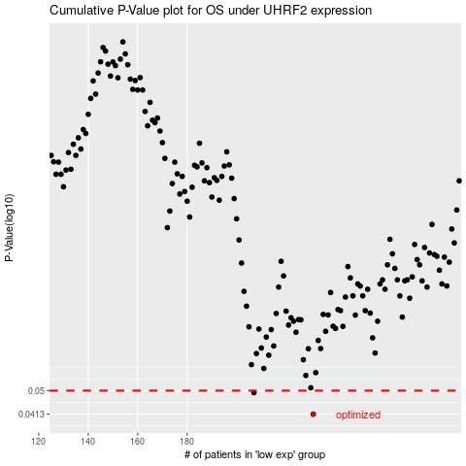

 |  |  |  |  |  | cases_OS | p_OS | rank | exp
 |  |  |  |  |  | 231 | 0.0413 | 398 | -0.11865282065
 |  |  |  |  |  | 207 | 0.0492 | 85 | -0.21295931103
 |  |  |  |  |  |  | cases_RFS | p_RFS | rank | exp
 |  |  |  |  |  |  | 230 | 0.0413 | 42 | -0.11881904055
 |  |  |  |  |  |  | 206 | 0.0492 | 166 | -0.2245324379

