ULBP3 _multivariate
Reported by Tex Li-Hsing Chi. tex@gate.sinica.edu.tw 2019-08-15

Table 2. The clinicopathological features of HNSCC cohort and ULBP3 expression. (Chi square test)
Cutoff at 0.51 (69.6%)
 |  | ULBP3 expression |  | ULBP3 expression |  | (Optimised)
 | Features | Low | (%) | High | (%) | Case no | P-value | Remark | Matthews
Gender | Female | 210 | 50.6 | 96 | 23.1 | 415 | 0.5292 | 0 | 0
2 | Male | 79 | 19 | 30 | 7.2
Age at diagnosis | <=65y | 191 | 46 | 83 | 20 | 415 | 1 | 0 | 0
4 | >65y | 98 | 23.6 | 43 | 10.4
Clinical T Status | T1+T2 | 106 | 25.5 | 43 | 10.4 | 415 | 0.6988 | 0 | 0
6 | T3+T4 | 183 | 44.1 | 83 | 20
Clinical N Status | N0 | 146 | 35.2 | 70 | 16.9 | 415 | 0.4023 | 0 | 0
8 | N1-3 | 143 | 34.5 | 56 | 13.5
Clinical M Status | M0 | 287 | 69.2 | 125 | 30.1 | 415 | 1 | 0 | 0
10 | M1 | 2 | 0.5 | 1 | 0.2
Clinical Stage | Stage I+II | 71 | 17.1 | 31 | 7.5 | 415 | 1 | 0 | 0
12 | Stage III+IV | 218 | 52.5 | 95 | 22.9
Surgical Margin status | Negative | 220 | 53 | 98 | 23.6 | 415 | 0.8011 | 0 | 0
14 | Positive | 69 | 16.6 | 28 | 6.7
Tobacco Exposure | Low | 119 | 28.7 | 42 | 10.1 | 415 | 0.1544 | 0 | 0
16 | High | 170 | 41 | 84 | 20.2

Table 3. Univariate/Multivariate Cox's proportional hazards regression analyses on OS time of ULBP3 gene expression in HNSCC

 |  | Univariate |  |  |  | Multivariate
 | Features | HR | CI95%(L) | CI95%(H) | P-value | HR | CI95%(L) | CI95%(H) | P-value
1 | Female | 1 |  |  |  | 1
Gender | Male | 1.157 | 0.843 | 1.587 | 0.367 | 1.222 | 0.875 | 1.707 | 0.239
11 | <=65y | 1 |  |  |  | 1
Age at diagnosis | >65y | 1.329 | 0.99 | 1.784 | 0.058 | 1.367 | 1.006 | 1.858 | 0.046
12 | T1+T2 | 1 |  |  |  | 1
Clinical T Status | T3+T4 | 1.409 | 1.028 | 1.931 | 0.033 | 2.218 | 1.173 | 4.194 | 0.014
13 | N0 | 1 |  |  |  | 1
Clinical N Status | N1-3 | 1.185 | 0.89 | 1.577 | 0.246 | 1.273 | 0.891 | 1.818 | 0.186
14 | M0 | 1 |  |  |  | 1
Clinical M Status | M1 | 4.097 | 1.009 | 16.644 | 0.049 | 9.096 | 1.982 | 41.745 | 0.005
15 | Stage I+II | 1 |  |  |  | 1
Clinical Stage | Stage III+IV | 1.245 | 0.882 | 1.759 | 0.213 | 0.5 | 0.233 | 1.074 | 0.075
16 | Negative | 1 |  |  |  | 1
Surgical Margin status | Positive | 1.591 | 1.155 | 2.191 | 0.004 | 1.74 | 1.256 | 2.409 | 0.001
17 | Low | 1 |  |  |  | 1
Tobacco Exposure | High | 1.364 | 1.008 | 1.844 | 0.044 | 1.378 | 0.998 | 1.903 | 0.051
18 | Low | 1 |  |  |  | 1
RNAseq(z-score) | High | 1.438 | 1.067 | 1.937 | 0.017 | 1.477 | 1.089 | 2.003 | 0.012

Table 4. Univariate/Multivariate Cox's proportional hazards regression analyses on RFS time of ULBP3 gene expression in HNSCC

 |  | Univariate |  |  |  | Multivariate
 | Features | HR | CI95%(L) | CI95%(H) | P-value | HR | CI95%(L) | CI95%(H) | P-value
1 | Female | 1 |  |  |  | 1
Gender | Male | 1.157 | 0.843 | 1.587 | 0.367 | 1.222 | 0.875 | 1.707 | 0.239
11 | <=65y | 1 |  |  |  | 1
Age at diagnosis | >65y | 1.329 | 0.99 | 1.784 | 0.058 | 1.367 | 1.006 | 1.858 | 0.046
12 | T1+T2 | 1 |  |  |  | 1
Clinical T Status | T3+T4 | 1.409 | 1.028 | 1.931 | 0.033 | 2.218 | 1.173 | 4.194 | 0.014
13 | N0 | 1 |  |  |  | 1
Clinical N Status | N1-3 | 1.185 | 0.89 | 1.577 | 0.246 | 1.273 | 0.891 | 1.818 | 0.186
14 | M0 | 1 |  |  |  | 1
Clinical M Status | M1 | 4.097 | 1.009 | 16.644 | 0.049 | 9.096 | 1.982 | 41.745 | 0.005
15 | Stage I+II | 1 |  |  |  | 1
Clinical Stage | Stage III+IV | 1.245 | 0.882 | 1.759 | 0.213 | 0.5 | 0.233 | 1.074 | 0.075
16 | Negative | 1 |  |  |  | 1
Surgical Margin status | Positive | 1.591 | 1.155 | 2.191 | 0.004 | 1.74 | 1.256 | 2.409 | 0.001
17 | Low | 1 |  |  |  | 1
Tobacco Exposure | High | 1.364 | 1.008 | 1.844 | 0.044 | 1.378 | 0.998 | 1.903 | 0.051
18 | Low | 1 |  |  |  | 1
RNAseq(z-score) | High | 1.438 | 1.067 | 1.937 | 0.017 | 1.477 | 1.089 | 2.003 | 0.012

Kaplan-Meier survival estimate: Cutoff at 0.51 (69.6%)



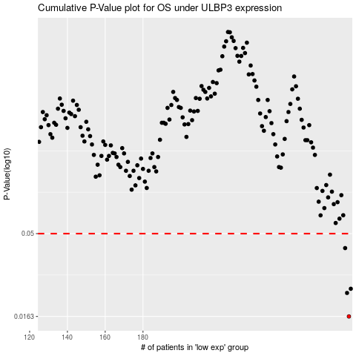

 |  |  |  |  |  | cases_OS | p_OS | rank | exp
 |  |  |  |  |  | 289 | 0.0163 | 79 | 0.50998977001
 |  |  |  |  |  | 288 | 0.0224 | 399 | 0.5091295157
 |  |  |  |  |  | 290 | 0.0237 | 322 | 0.51389309182
 |  |  |  |  |  | 287 | 0.0411 | 230 | 0.47819976178
 |  |  |  |  |  |  | cases_RFS | p_RFS | rank | exp
 |  |  |  |  |  |  | 288 | 0.0163 | 399 | 0.5091295157
 |  |  |  |  |  |  | 287 | 0.0224 | 230 | 0.47819976178
 |  |  |  |  |  |  | 289 | 0.0237 | 79 | 0.50998977001
 |  |  |  |  |  |  | 286 | 0.0411 | 232 | 0.47055203536

