UMPS _multivariate
Reported by Tex Li-Hsing Chi. tex@gate.sinica.edu.tw 2019-08-15

Table 2. The clinicopathological features of HNSCC cohort and UMPS expression. (Chi square test)
Cutoff at -0.136 (49.8%)
 |  | UMPS expression |  | UMPS expression |  | (Optimised)
 | Features | Low | (%) | High | (%) | Case no | P-value | Remark | Matthews
Gender | Female | 144 | 34.7 | 162 | 39 | 415 | 0.0697 | 0 | 0
2 | Male | 63 | 15.2 | 46 | 11.1
Age at diagnosis | <=65y | 137 | 33 | 137 | 33 | 415 | 1 | 0 | 0
4 | >65y | 70 | 16.9 | 71 | 17.1
Clinical T Status | T1+T2 | 75 | 18.1 | 74 | 17.8 | 415 | 0.9707 | 0 | 0
6 | T3+T4 | 132 | 31.8 | 134 | 32.3
Clinical N Status | N0 | 110 | 26.5 | 106 | 25.5 | 415 | 0.7294 | 0 | 0
8 | N1-3 | 97 | 23.4 | 102 | 24.6
Clinical M Status | M0 | 207 | 49.9 | 205 | 49.4 | 415 | 0.2482 | 0 | 0
10 | M1 | 0 | 0 | 3 | 0.7
Clinical Stage | Stage I+II | 53 | 12.8 | 49 | 11.8 | 415 | 0.7113 | 0 | 0
12 | Stage III+IV | 154 | 37.1 | 159 | 38.3
Surgical Margin status | Negative | 167 | 40.2 | 151 | 36.4 | 415 | 0.0632 | 0 | 0
14 | Positive | 40 | 9.6 | 57 | 13.7
Tobacco Exposure | Low | 88 | 21.2 | 73 | 17.6 | 415 | 0.1314 | 0 | 0
16 | High | 119 | 28.7 | 135 | 32.5

Table 3. Univariate/Multivariate Cox's proportional hazards regression analyses on OS time of UMPS gene expression in HNSCC

 |  | Univariate |  |  |  | Multivariate
 | Features | HR | CI95%(L) | CI95%(H) | P-value | HR | CI95%(L) | CI95%(H) | P-value
1 | Female | 1 |  |  |  | 1
Gender | Male | 1.157 | 0.843 | 1.587 | 0.367 | 1.207 | 0.863 | 1.689 | 0.271
11 | <=65y | 1 |  |  |  | 1
Age at diagnosis | >65y | 1.329 | 0.99 | 1.784 | 0.058 | 1.38 | 1.012 | 1.882 | 0.042
12 | T1+T2 | 1 |  |  |  | 1
Clinical T Status | T3+T4 | 1.409 | 1.028 | 1.931 | 0.033 | 2.21 | 1.168 | 4.18 | 0.015
13 | N0 | 1 |  |  |  | 1
Clinical N Status | N1-3 | 1.185 | 0.89 | 1.577 | 0.246 | 1.242 | 0.87 | 1.773 | 0.232
14 | M0 | 1 |  |  |  | 1
Clinical M Status | M1 | 4.097 | 1.009 | 16.644 | 0.049 | 9.181 | 1.992 | 42.326 | 0.004
15 | Stage I+II | 1 |  |  |  | 1
Clinical Stage | Stage III+IV | 1.245 | 0.882 | 1.759 | 0.213 | 0.503 | 0.234 | 1.08 | 0.078
16 | Negative | 1 |  |  |  | 1
Surgical Margin status | Positive | 1.591 | 1.155 | 2.191 | 0.004 | 1.667 | 1.206 | 2.305 | 0.002
17 | Low | 1 |  |  |  | 1
Tobacco Exposure | High | 1.364 | 1.008 | 1.844 | 0.044 | 1.444 | 1.047 | 1.993 | 0.025
18 | Low | 1 |  |  |  | 1
RNAseq(z-score) | High | 1.117 | 0.836 | 1.492 | 0.455 | 1.056 | 0.784 | 1.422 | 0.721

Table 4. Univariate/Multivariate Cox's proportional hazards regression analyses on RFS time of UMPS gene expression in HNSCC

 |  | Univariate |  |  |  | Multivariate
 | Features | HR | CI95%(L) | CI95%(H) | P-value | HR | CI95%(L) | CI95%(H) | P-value
1 | Female | 1 |  |  |  | 1
Gender | Male | 1.157 | 0.843 | 1.587 | 0.367 | 1.207 | 0.863 | 1.689 | 0.271
11 | <=65y | 1 |  |  |  | 1
Age at diagnosis | >65y | 1.329 | 0.99 | 1.784 | 0.058 | 1.38 | 1.012 | 1.882 | 0.042
12 | T1+T2 | 1 |  |  |  | 1
Clinical T Status | T3+T4 | 1.409 | 1.028 | 1.931 | 0.033 | 2.21 | 1.168 | 4.18 | 0.015
13 | N0 | 1 |  |  |  | 1
Clinical N Status | N1-3 | 1.185 | 0.89 | 1.577 | 0.246 | 1.242 | 0.87 | 1.773 | 0.232
14 | M0 | 1 |  |  |  | 1
Clinical M Status | M1 | 4.097 | 1.009 | 16.644 | 0.049 | 9.181 | 1.992 | 42.326 | 0.004
15 | Stage I+II | 1 |  |  |  | 1
Clinical Stage | Stage III+IV | 1.245 | 0.882 | 1.759 | 0.213 | 0.503 | 0.234 | 1.08 | 0.078
16 | Negative | 1 |  |  |  | 1
Surgical Margin status | Positive | 1.591 | 1.155 | 2.191 | 0.004 | 1.667 | 1.206 | 2.305 | 0.002
17 | Low | 1 |  |  |  | 1
Tobacco Exposure | High | 1.364 | 1.008 | 1.844 | 0.044 | 1.444 | 1.047 | 1.993 | 0.025
18 | Low | 1 |  |  |  | 1
RNAseq(z-score) | High | 1.117 | 0.836 | 1.492 | 0.455 | 1.056 | 0.784 | 1.422 | 0.721

Kaplan-Meier survival estimate: Cutoff at -0.136 (49.8%)



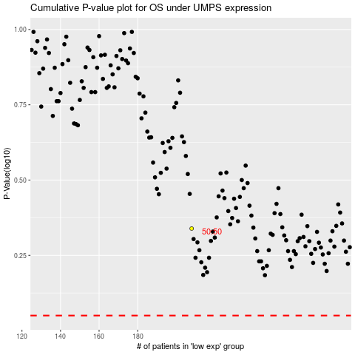

 |  |  |  |  |  | cases_OS | p_OS | rank | exp
 |  |  |  |  |  |  | cases_RFS | p_RFS | rank | exp

