UNC119B _multivariate
Reported by Tex Li-Hsing Chi. tex@gate.sinica.edu.tw 2019-08-15

Table 2. The clinicopathological features of HNSCC cohort and UNC119B expression. (Chi square test)
Cutoff at -0.282 (49.8%)
 |  | UNC119B expression |  | UNC119B expression |  | (Optimised)
 | Features | Low | (%) | High | (%) | Case no | P-value | Remark | Matthews
Gender | Female | 134 | 32.3 | 172 | 41.4 | 415 | 1e-04 | 1 | 0
2 | Male | 73 | 17.6 | 36 | 8.7
Age at diagnosis | <=65y | 125 | 30.1 | 149 | 35.9 | 415 | 0.0206 | 1 | 0
4 | >65y | 82 | 19.8 | 59 | 14.2
Clinical T Status | T1+T2 | 69 | 16.6 | 80 | 19.3 | 415 | 0.3239 | 0 | 0
6 | T3+T4 | 138 | 33.3 | 128 | 30.8
Clinical N Status | N0 | 99 | 23.9 | 117 | 28.2 | 415 | 0.1054 | 0 | 0
8 | N1-3 | 108 | 26 | 91 | 21.9
Clinical M Status | M0 | 205 | 49.4 | 207 | 49.9 | 415 | 0.6232 | 0 | 0
10 | M1 | 2 | 0.5 | 1 | 0.2
Clinical Stage | Stage I+II | 49 | 11.8 | 53 | 12.8 | 415 | 0.7535 | 0 | 0
12 | Stage III+IV | 158 | 38.1 | 155 | 37.3
Surgical Margin status | Negative | 160 | 38.6 | 158 | 38.1 | 415 | 0.8167 | 0 | 0
14 | Positive | 47 | 11.3 | 50 | 12
Tobacco Exposure | Low | 98 | 23.6 | 63 | 15.2 | 415 | 4e-04 | 1 | 0
16 | High | 109 | 26.3 | 145 | 34.9

Table 3. Univariate/Multivariate Cox's proportional hazards regression analyses on OS time of UNC119B gene expression in HNSCC

 |  | Univariate |  |  |  | Multivariate
 | Features | HR | CI95%(L) | CI95%(H) | P-value | HR | CI95%(L) | CI95%(H) | P-value
1 | Female | 1 |  |  |  | 1
Gender | Male | 1.157 | 0.843 | 1.587 | 0.367 | 1.187 | 0.841 | 1.676 | 0.33
11 | <=65y | 1 |  |  |  | 1
Age at diagnosis | >65y | 1.329 | 0.99 | 1.784 | 0.058 | 1.389 | 1.021 | 1.889 | 0.036
12 | T1+T2 | 1 |  |  |  | 1
Clinical T Status | T3+T4 | 1.409 | 1.028 | 1.931 | 0.033 | 2.183 | 1.151 | 4.139 | 0.017
13 | N0 | 1 |  |  |  | 1
Clinical N Status | N1-3 | 1.185 | 0.89 | 1.577 | 0.246 | 1.232 | 0.86 | 1.764 | 0.255
14 | M0 | 1 |  |  |  | 1
Clinical M Status | M1 | 4.097 | 1.009 | 16.644 | 0.049 | 9.203 | 1.993 | 42.496 | 0.004
15 | Stage I+II | 1 |  |  |  | 1
Clinical Stage | Stage III+IV | 1.245 | 0.882 | 1.759 | 0.213 | 0.511 | 0.237 | 1.102 | 0.087
16 | Negative | 1 |  |  |  | 1
Surgical Margin status | Positive | 1.591 | 1.155 | 2.191 | 0.004 | 1.667 | 1.206 | 2.304 | 0.002
17 | Low | 1 |  |  |  | 1
Tobacco Exposure | High | 1.364 | 1.008 | 1.844 | 0.044 | 1.465 | 1.058 | 2.03 | 0.022
18 | Low | 1 |  |  |  | 1
RNAseq(z-score) | High | 0.898 | 0.674 | 1.198 | 0.465 | 0.956 | 0.699 | 1.306 | 0.777

Table 4. Univariate/Multivariate Cox's proportional hazards regression analyses on RFS time of UNC119B gene expression in HNSCC

 |  | Univariate |  |  |  | Multivariate
 | Features | HR | CI95%(L) | CI95%(H) | P-value | HR | CI95%(L) | CI95%(H) | P-value
1 | Female | 1 |  |  |  | 1
Gender | Male | 1.157 | 0.843 | 1.587 | 0.367 | 1.187 | 0.841 | 1.676 | 0.33
11 | <=65y | 1 |  |  |  | 1
Age at diagnosis | >65y | 1.329 | 0.99 | 1.784 | 0.058 | 1.389 | 1.021 | 1.889 | 0.036
12 | T1+T2 | 1 |  |  |  | 1
Clinical T Status | T3+T4 | 1.409 | 1.028 | 1.931 | 0.033 | 2.183 | 1.151 | 4.139 | 0.017
13 | N0 | 1 |  |  |  | 1
Clinical N Status | N1-3 | 1.185 | 0.89 | 1.577 | 0.246 | 1.232 | 0.86 | 1.764 | 0.255
14 | M0 | 1 |  |  |  | 1
Clinical M Status | M1 | 4.097 | 1.009 | 16.644 | 0.049 | 9.203 | 1.993 | 42.496 | 0.004
15 | Stage I+II | 1 |  |  |  | 1
Clinical Stage | Stage III+IV | 1.245 | 0.882 | 1.759 | 0.213 | 0.511 | 0.237 | 1.102 | 0.087
16 | Negative | 1 |  |  |  | 1
Surgical Margin status | Positive | 1.591 | 1.155 | 2.191 | 0.004 | 1.667 | 1.206 | 2.304 | 0.002
17 | Low | 1 |  |  |  | 1
Tobacco Exposure | High | 1.364 | 1.008 | 1.844 | 0.044 | 1.465 | 1.058 | 2.03 | 0.022
18 | Low | 1 |  |  |  | 1
RNAseq(z-score) | High | 0.898 | 0.674 | 1.198 | 0.465 | 0.956 | 0.699 | 1.306 | 0.777

Kaplan-Meier survival estimate: Cutoff at -0.282 (49.8%)



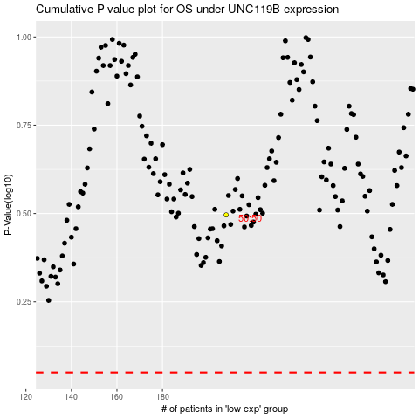

 |  |  |  |  |  | cases_OS | p_OS | rank | exp
 |  |  |  |  |  |  | cases_RFS | p_RFS | rank | exp

