UNC13A _multivariate
Reported by Tex Li-Hsing Chi. tex@gate.sinica.edu.tw 2019-08-15

Table 2. The clinicopathological features of HNSCC cohort and UNC13A expression. (Chi square test)
Cutoff at -0.099 (61.8%)
 |  | UNC13A expression |  | UNC13A expression |  | (Optimised)
 | Features | Low | (%) | High | (%) | Case no | P-value | Remark | Matthews
Gender | Female | 183 | 44.1 | 123 | 29.6 | 415 | 0.1682 | 0 | 0
2 | Male | 74 | 17.8 | 35 | 8.4
Age at diagnosis | <=65y | 157 | 37.8 | 117 | 28.2 | 415 | 0.0093 | 1 | 0
4 | >65y | 100 | 24.1 | 41 | 9.9
Clinical T Status | T1+T2 | 92 | 22.2 | 57 | 13.7 | 415 | 1 | 0 | 0
6 | T3+T4 | 165 | 39.8 | 101 | 24.3
Clinical N Status | N0 | 134 | 32.3 | 82 | 19.8 | 415 | 1 | 0 | 0
8 | N1-3 | 123 | 29.6 | 76 | 18.3
Clinical M Status | M0 | 254 | 61.2 | 158 | 38.1 | 415 | 0.291 | 0 | 0
10 | M1 | 3 | 0.7 | 0 | 0
Clinical Stage | Stage I+II | 65 | 15.7 | 37 | 8.9 | 415 | 0.7542 | 0 | 0
12 | Stage III+IV | 192 | 46.3 | 121 | 29.2
Surgical Margin status | Negative | 192 | 46.3 | 126 | 30.4 | 415 | 0.2825 | 0 | 0
14 | Positive | 65 | 15.7 | 32 | 7.7
Tobacco Exposure | Low | 110 | 26.5 | 51 | 12.3 | 415 | 0.038 | 1 | 0
16 | High | 147 | 35.4 | 107 | 25.8

Table 3. Univariate/Multivariate Cox's proportional hazards regression analyses on OS time of UNC13A gene expression in HNSCC

 |  | Univariate |  |  |  | Multivariate
 | Features | HR | CI95%(L) | CI95%(H) | P-value | HR | CI95%(L) | CI95%(H) | P-value
1 | Female | 1 |  |  |  | 1
Gender | Male | 1.157 | 0.843 | 1.587 | 0.367 | 1.206 | 0.863 | 1.684 | 0.272
11 | <=65y | 1 |  |  |  | 1
Age at diagnosis | >65y | 1.329 | 0.99 | 1.784 | 0.058 | 1.375 | 1.012 | 1.866 | 0.042
12 | T1+T2 | 1 |  |  |  | 1
Clinical T Status | T3+T4 | 1.409 | 1.028 | 1.931 | 0.033 | 2.171 | 1.148 | 4.104 | 0.017
13 | N0 | 1 |  |  |  | 1
Clinical N Status | N1-3 | 1.185 | 0.89 | 1.577 | 0.246 | 1.232 | 0.864 | 1.758 | 0.25
14 | M0 | 1 |  |  |  | 1
Clinical M Status | M1 | 4.097 | 1.009 | 16.644 | 0.049 | 8.44 | 1.832 | 38.88 | 0.006
15 | Stage I+II | 1 |  |  |  | 1
Clinical Stage | Stage III+IV | 1.245 | 0.882 | 1.759 | 0.213 | 0.526 | 0.245 | 1.129 | 0.099
16 | Negative | 1 |  |  |  | 1
Surgical Margin status | Positive | 1.591 | 1.155 | 2.191 | 0.004 | 1.621 | 1.171 | 2.245 | 0.004
17 | Low | 1 |  |  |  | 1
Tobacco Exposure | High | 1.364 | 1.008 | 1.844 | 0.044 | 1.466 | 1.064 | 2.02 | 0.019
18 | Low | 1 |  |  |  | 1
RNAseq(z-score) | High | 0.74 | 0.548 | 1 | 0.05 | 0.778 | 0.573 | 1.056 | 0.107

Table 4. Univariate/Multivariate Cox's proportional hazards regression analyses on RFS time of UNC13A gene expression in HNSCC

 |  | Univariate |  |  |  | Multivariate
 | Features | HR | CI95%(L) | CI95%(H) | P-value | HR | CI95%(L) | CI95%(H) | P-value
1 | Female | 1 |  |  |  | 1
Gender | Male | 1.157 | 0.843 | 1.587 | 0.367 | 1.206 | 0.863 | 1.684 | 0.272
11 | <=65y | 1 |  |  |  | 1
Age at diagnosis | >65y | 1.329 | 0.99 | 1.784 | 0.058 | 1.375 | 1.012 | 1.866 | 0.042
12 | T1+T2 | 1 |  |  |  | 1
Clinical T Status | T3+T4 | 1.409 | 1.028 | 1.931 | 0.033 | 2.171 | 1.148 | 4.104 | 0.017
13 | N0 | 1 |  |  |  | 1
Clinical N Status | N1-3 | 1.185 | 0.89 | 1.577 | 0.246 | 1.232 | 0.864 | 1.758 | 0.25
14 | M0 | 1 |  |  |  | 1
Clinical M Status | M1 | 4.097 | 1.009 | 16.644 | 0.049 | 8.44 | 1.832 | 38.88 | 0.006
15 | Stage I+II | 1 |  |  |  | 1
Clinical Stage | Stage III+IV | 1.245 | 0.882 | 1.759 | 0.213 | 0.526 | 0.245 | 1.129 | 0.099
16 | Negative | 1 |  |  |  | 1
Surgical Margin status | Positive | 1.591 | 1.155 | 2.191 | 0.004 | 1.621 | 1.171 | 2.245 | 0.004
17 | Low | 1 |  |  |  | 1
Tobacco Exposure | High | 1.364 | 1.008 | 1.844 | 0.044 | 1.466 | 1.064 | 2.02 | 0.019
18 | Low | 1 |  |  |  | 1
RNAseq(z-score) | High | 0.74 | 0.548 | 1 | 0.05 | 0.778 | 0.573 | 1.056 | 0.107

Kaplan-Meier survival estimate: Cutoff at -0.099 (61.8%)



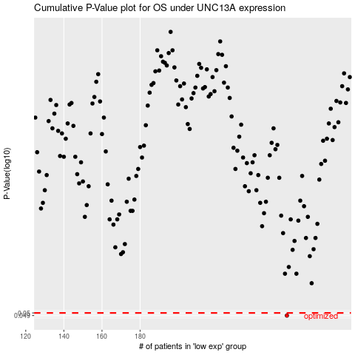

 |  |  |  |  |  | cases_OS | p_OS | rank | exp
 |  |  |  |  |  | 257 | 0.049 | 232 | -0.098625774093
 |  |  |  |  |  |  | cases_RFS | p_RFS | rank | exp
 |  |  |  |  |  |  | 256 | 0.049 | 217 | -0.098881089308

