UNC5A _multivariate
Reported by Tex Li-Hsing Chi. tex@gate.sinica.edu.tw 2019-08-15

Table 2. The clinicopathological features of HNSCC cohort and UNC5A expression. (Chi square test)
Cutoff at -0.334 (50.0%)
 |  | UNC5A expression |  | UNC5A expression |  | (Optimised)
 | Features | Low | (%) | High | (%) | Case no | P-value | Remark | Matthews
Gender | Female | 148 | 35.7 | 158 | 38.1 | 415 | 0.3567 | 0 | 0
2 | Male | 59 | 14.2 | 50 | 12
Age at diagnosis | <=65y | 133 | 32 | 141 | 34 | 415 | 0.5111 | 0 | 0
4 | >65y | 74 | 17.8 | 67 | 16.1
Clinical T Status | T1+T2 | 65 | 15.7 | 84 | 20.2 | 415 | 0.0711 | 0 | 0
6 | T3+T4 | 142 | 34.2 | 124 | 29.9
Clinical N Status | N0 | 109 | 26.3 | 107 | 25.8 | 415 | 0.8812 | 0 | 0
8 | N1-3 | 98 | 23.6 | 101 | 24.3
Clinical M Status | M0 | 206 | 49.6 | 206 | 49.6 | 415 | 1 | 0 | 0
10 | M1 | 1 | 0.2 | 2 | 0.5
Clinical Stage | Stage I+II | 43 | 10.4 | 59 | 14.2 | 415 | 0.0925 | 0 | 0
12 | Stage III+IV | 164 | 39.5 | 149 | 35.9
Surgical Margin status | Negative | 161 | 38.8 | 157 | 37.8 | 415 | 0.6429 | 0 | 0
14 | Positive | 46 | 11.1 | 51 | 12.3
Tobacco Exposure | Low | 73 | 17.6 | 88 | 21.2 | 415 | 0.1587 | 0 | 0
16 | High | 134 | 32.3 | 120 | 28.9

Table 3. Univariate/Multivariate Cox's proportional hazards regression analyses on OS time of UNC5A gene expression in HNSCC

 |  | Univariate |  |  |  | Multivariate
 | Features | HR | CI95%(L) | CI95%(H) | P-value | HR | CI95%(L) | CI95%(H) | P-value
1 | Female | 1 |  |  |  | 1
Gender | Male | 1.157 | 0.843 | 1.587 | 0.367 | 1.192 | 0.854 | 1.664 | 0.303
11 | <=65y | 1 |  |  |  | 1
Age at diagnosis | >65y | 1.329 | 0.99 | 1.784 | 0.058 | 1.394 | 1.026 | 1.893 | 0.034
12 | T1+T2 | 1 |  |  |  | 1
Clinical T Status | T3+T4 | 1.409 | 1.028 | 1.931 | 0.033 | 2.231 | 1.18 | 4.221 | 0.014
13 | N0 | 1 |  |  |  | 1
Clinical N Status | N1-3 | 1.185 | 0.89 | 1.577 | 0.246 | 1.251 | 0.876 | 1.785 | 0.218
14 | M0 | 1 |  |  |  | 1
Clinical M Status | M1 | 4.097 | 1.009 | 16.644 | 0.049 | 9.908 | 2.152 | 45.629 | 0.003
15 | Stage I+II | 1 |  |  |  | 1
Clinical Stage | Stage III+IV | 1.245 | 0.882 | 1.759 | 0.213 | 0.485 | 0.225 | 1.046 | 0.065
16 | Negative | 1 |  |  |  | 1
Surgical Margin status | Positive | 1.591 | 1.155 | 2.191 | 0.004 | 1.681 | 1.216 | 2.324 | 0.002
17 | Low | 1 |  |  |  | 1
Tobacco Exposure | High | 1.364 | 1.008 | 1.844 | 0.044 | 1.433 | 1.04 | 1.975 | 0.028
18 | Low | 1 |  |  |  | 1
RNAseq(z-score) | High | 0.868 | 0.651 | 1.156 | 0.333 | 0.876 | 0.654 | 1.174 | 0.375

Table 4. Univariate/Multivariate Cox's proportional hazards regression analyses on RFS time of UNC5A gene expression in HNSCC

 |  | Univariate |  |  |  | Multivariate
 | Features | HR | CI95%(L) | CI95%(H) | P-value | HR | CI95%(L) | CI95%(H) | P-value
1 | Female | 1 |  |  |  | 1
Gender | Male | 1.157 | 0.843 | 1.587 | 0.367 | 1.192 | 0.854 | 1.664 | 0.303
11 | <=65y | 1 |  |  |  | 1
Age at diagnosis | >65y | 1.329 | 0.99 | 1.784 | 0.058 | 1.394 | 1.026 | 1.893 | 0.034
12 | T1+T2 | 1 |  |  |  | 1
Clinical T Status | T3+T4 | 1.409 | 1.028 | 1.931 | 0.033 | 2.231 | 1.18 | 4.221 | 0.014
13 | N0 | 1 |  |  |  | 1
Clinical N Status | N1-3 | 1.185 | 0.89 | 1.577 | 0.246 | 1.251 | 0.876 | 1.785 | 0.218
14 | M0 | 1 |  |  |  | 1
Clinical M Status | M1 | 4.097 | 1.009 | 16.644 | 0.049 | 9.908 | 2.152 | 45.629 | 0.003
15 | Stage I+II | 1 |  |  |  | 1
Clinical Stage | Stage III+IV | 1.245 | 0.882 | 1.759 | 0.213 | 0.485 | 0.225 | 1.046 | 0.065
16 | Negative | 1 |  |  |  | 1
Surgical Margin status | Positive | 1.591 | 1.155 | 2.191 | 0.004 | 1.681 | 1.216 | 2.324 | 0.002
17 | Low | 1 |  |  |  | 1
Tobacco Exposure | High | 1.364 | 1.008 | 1.844 | 0.044 | 1.433 | 1.04 | 1.975 | 0.028
18 | Low | 1 |  |  |  | 1
RNAseq(z-score) | High | 0.868 | 0.651 | 1.156 | 0.333 | 0.876 | 0.654 | 1.174 | 0.375

Kaplan-Meier survival estimate: Cutoff at -0.334 (50.0%)



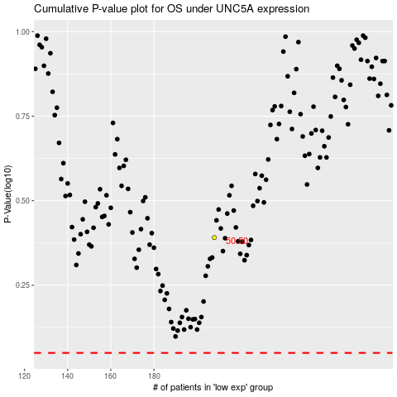

 |  |  |  |  |  | cases_OS | p_OS | rank | exp
 |  |  |  |  |  |  | cases_RFS | p_RFS | rank | exp

