UNC80 _multivariate
Reported by Tex Li-Hsing Chi. tex@gate.sinica.edu.tw 2019-08-15

Table 2. The clinicopathological features of HNSCC cohort and UNC80 expression. (Chi square test)
Cutoff at -0.116 (49.8%)
 |  | UNC80 expression |  | UNC80 expression |  | (Optimised)
 | Features | Low | (%) | High | (%) | Case no | P-value | Remark | Matthews
Gender | Female | 151 | 36.4 | 155 | 37.3 | 415 | 0.8007 | 0 | 0
2 | Male | 56 | 13.5 | 53 | 12.8
Age at diagnosis | <=65y | 133 | 32 | 141 | 34 | 415 | 0.5111 | 0 | 0
4 | >65y | 74 | 17.8 | 67 | 16.1
Clinical T Status | T1+T2 | 67 | 16.1 | 82 | 19.8 | 415 | 0.1628 | 0 | 0
6 | T3+T4 | 140 | 33.7 | 126 | 30.4
Clinical N Status | N0 | 102 | 24.6 | 114 | 27.5 | 415 | 0.3031 | 0 | 0
8 | N1-3 | 105 | 25.3 | 94 | 22.7
Clinical M Status | M0 | 205 | 49.4 | 207 | 49.9 | 415 | 0.6232 | 0 | 0
10 | M1 | 2 | 0.5 | 1 | 0.2
Clinical Stage | Stage I+II | 47 | 11.3 | 55 | 13.3 | 415 | 0.4413 | 0 | 0
12 | Stage III+IV | 160 | 38.6 | 153 | 36.9
Surgical Margin status | Negative | 168 | 40.5 | 150 | 36.1 | 415 | 0.0366 | 1 | 0
14 | Positive | 39 | 9.4 | 58 | 14
Tobacco Exposure | Low | 77 | 18.6 | 84 | 20.2 | 415 | 0.5459 | 0 | 0
16 | High | 130 | 31.3 | 124 | 29.9

Table 3. Univariate/Multivariate Cox's proportional hazards regression analyses on OS time of UNC80 gene expression in HNSCC

 |  | Univariate |  |  |  | Multivariate
 | Features | HR | CI95%(L) | CI95%(H) | P-value | HR | CI95%(L) | CI95%(H) | P-value
1 | Female | 1 |  |  |  | 1
Gender | Male | 1.157 | 0.843 | 1.587 | 0.367 | 1.193 | 0.854 | 1.668 | 0.301
11 | <=65y | 1 |  |  |  | 1
Age at diagnosis | >65y | 1.329 | 0.99 | 1.784 | 0.058 | 1.399 | 1.029 | 1.902 | 0.032
12 | T1+T2 | 1 |  |  |  | 1
Clinical T Status | T3+T4 | 1.409 | 1.028 | 1.931 | 0.033 | 2.204 | 1.165 | 4.168 | 0.015
13 | N0 | 1 |  |  |  | 1
Clinical N Status | N1-3 | 1.185 | 0.89 | 1.577 | 0.246 | 1.243 | 0.871 | 1.773 | 0.23
14 | M0 | 1 |  |  |  | 1
Clinical M Status | M1 | 4.097 | 1.009 | 16.644 | 0.049 | 9.245 | 2.015 | 42.415 | 0.004
15 | Stage I+II | 1 |  |  |  | 1
Clinical Stage | Stage III+IV | 1.245 | 0.882 | 1.759 | 0.213 | 0.506 | 0.236 | 1.087 | 0.081
16 | Negative | 1 |  |  |  | 1
Surgical Margin status | Positive | 1.591 | 1.155 | 2.191 | 0.004 | 1.702 | 1.228 | 2.358 | 0.001
17 | Low | 1 |  |  |  | 1
Tobacco Exposure | High | 1.364 | 1.008 | 1.844 | 0.044 | 1.445 | 1.049 | 1.99 | 0.024
18 | Low | 1 |  |  |  | 1
RNAseq(z-score) | High | 0.911 | 0.683 | 1.214 | 0.524 | 0.884 | 0.661 | 1.183 | 0.407

Table 4. Univariate/Multivariate Cox's proportional hazards regression analyses on RFS time of UNC80 gene expression in HNSCC

 |  | Univariate |  |  |  | Multivariate
 | Features | HR | CI95%(L) | CI95%(H) | P-value | HR | CI95%(L) | CI95%(H) | P-value
1 | Female | 1 |  |  |  | 1
Gender | Male | 1.157 | 0.843 | 1.587 | 0.367 | 1.193 | 0.854 | 1.668 | 0.301
11 | <=65y | 1 |  |  |  | 1
Age at diagnosis | >65y | 1.329 | 0.99 | 1.784 | 0.058 | 1.399 | 1.029 | 1.902 | 0.032
12 | T1+T2 | 1 |  |  |  | 1
Clinical T Status | T3+T4 | 1.409 | 1.028 | 1.931 | 0.033 | 2.204 | 1.165 | 4.168 | 0.015
13 | N0 | 1 |  |  |  | 1
Clinical N Status | N1-3 | 1.185 | 0.89 | 1.577 | 0.246 | 1.243 | 0.871 | 1.773 | 0.23
14 | M0 | 1 |  |  |  | 1
Clinical M Status | M1 | 4.097 | 1.009 | 16.644 | 0.049 | 9.245 | 2.015 | 42.415 | 0.004
15 | Stage I+II | 1 |  |  |  | 1
Clinical Stage | Stage III+IV | 1.245 | 0.882 | 1.759 | 0.213 | 0.506 | 0.236 | 1.087 | 0.081
16 | Negative | 1 |  |  |  | 1
Surgical Margin status | Positive | 1.591 | 1.155 | 2.191 | 0.004 | 1.702 | 1.228 | 2.358 | 0.001
17 | Low | 1 |  |  |  | 1
Tobacco Exposure | High | 1.364 | 1.008 | 1.844 | 0.044 | 1.445 | 1.049 | 1.99 | 0.024
18 | Low | 1 |  |  |  | 1
RNAseq(z-score) | High | 0.911 | 0.683 | 1.214 | 0.524 | 0.884 | 0.661 | 1.183 | 0.407

Kaplan-Meier survival estimate: Cutoff at -0.116 (49.8%)



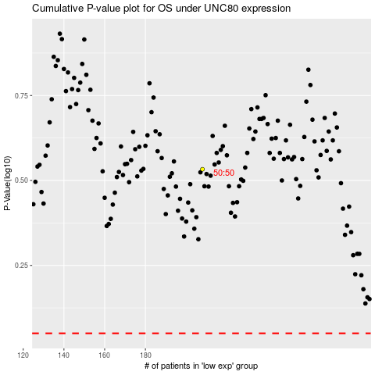

 |  |  |  |  |  | cases_OS | p_OS | rank | exp
 |  |  |  |  |  |  | cases_RFS | p_RFS | rank | exp

