UNC93A _multivariate
Reported by Tex Li-Hsing Chi. tex@gate.sinica.edu.tw 2019-08-15

Table 2. The clinicopathological features of HNSCC cohort and UNC93A expression. (Chi square test)
Cutoff at -0.36 (50.0%)
 |  | UNC93A expression |  | UNC93A expression |  | (Optimised)
 | Features | Low | (%) | High | (%) | Case no | P-value | Remark | Matthews
Gender | Female | 156 | 37.6 | 150 | 36.1 | 415 | 0.5222 | 0 | 0
2 | Male | 51 | 12.3 | 58 | 14
Age at diagnosis | <=65y | 133 | 32 | 141 | 34 | 415 | 0.5111 | 0 | 0
4 | >65y | 74 | 17.8 | 67 | 16.1
Clinical T Status | T1+T2 | 89 | 21.4 | 60 | 14.5 | 415 | 0.0037 | 1 | 0
6 | T3+T4 | 118 | 28.4 | 148 | 35.7
Clinical N Status | N0 | 106 | 25.5 | 110 | 26.5 | 415 | 0.8075 | 0 | 0
8 | N1-3 | 101 | 24.3 | 98 | 23.6
Clinical M Status | M0 | 206 | 49.6 | 206 | 49.6 | 415 | 1 | 0 | 0
10 | M1 | 1 | 0.2 | 2 | 0.5
Clinical Stage | Stage I+II | 56 | 13.5 | 46 | 11.1 | 415 | 0.2918 | 0 | 0
12 | Stage III+IV | 151 | 36.4 | 162 | 39
Surgical Margin status | Negative | 151 | 36.4 | 167 | 40.2 | 415 | 0.0828 | 0 | 0
14 | Positive | 56 | 13.5 | 41 | 9.9
Tobacco Exposure | Low | 76 | 18.3 | 85 | 20.5 | 415 | 0.4207 | 0 | 0
16 | High | 131 | 31.6 | 123 | 29.6

Table 3. Univariate/Multivariate Cox's proportional hazards regression analyses on OS time of UNC93A gene expression in HNSCC

 |  | Univariate |  |  |  | Multivariate
 | Features | HR | CI95%(L) | CI95%(H) | P-value | HR | CI95%(L) | CI95%(H) | P-value
1 | Female | 1 |  |  |  | 1
Gender | Male | 1.157 | 0.843 | 1.587 | 0.367 | 1.228 | 0.877 | 1.721 | 0.232
11 | <=65y | 1 |  |  |  | 1
Age at diagnosis | >65y | 1.329 | 0.99 | 1.784 | 0.058 | 1.388 | 1.021 | 1.887 | 0.036
12 | T1+T2 | 1 |  |  |  | 1
Clinical T Status | T3+T4 | 1.409 | 1.028 | 1.931 | 0.033 | 2.341 | 1.228 | 4.461 | 0.01
13 | N0 | 1 |  |  |  | 1
Clinical N Status | N1-3 | 1.185 | 0.89 | 1.577 | 0.246 | 1.24 | 0.869 | 1.77 | 0.235
14 | M0 | 1 |  |  |  | 1
Clinical M Status | M1 | 4.097 | 1.009 | 16.644 | 0.049 | 10.46 | 2.256 | 48.487 | 0.003
15 | Stage I+II | 1 |  |  |  | 1
Clinical Stage | Stage III+IV | 1.245 | 0.882 | 1.759 | 0.213 | 0.485 | 0.225 | 1.044 | 0.064
16 | Negative | 1 |  |  |  | 1
Surgical Margin status | Positive | 1.591 | 1.155 | 2.191 | 0.004 | 1.647 | 1.191 | 2.278 | 0.003
17 | Low | 1 |  |  |  | 1
Tobacco Exposure | High | 1.364 | 1.008 | 1.844 | 0.044 | 1.437 | 1.042 | 1.982 | 0.027
18 | Low | 1 |  |  |  | 1
RNAseq(z-score) | High | 0.889 | 0.668 | 1.184 | 0.422 | 0.842 | 0.627 | 1.132 | 0.255

Table 4. Univariate/Multivariate Cox's proportional hazards regression analyses on RFS time of UNC93A gene expression in HNSCC

 |  | Univariate |  |  |  | Multivariate
 | Features | HR | CI95%(L) | CI95%(H) | P-value | HR | CI95%(L) | CI95%(H) | P-value
1 | Female | 1 |  |  |  | 1
Gender | Male | 1.157 | 0.843 | 1.587 | 0.367 | 1.228 | 0.877 | 1.721 | 0.232
11 | <=65y | 1 |  |  |  | 1
Age at diagnosis | >65y | 1.329 | 0.99 | 1.784 | 0.058 | 1.388 | 1.021 | 1.887 | 0.036
12 | T1+T2 | 1 |  |  |  | 1
Clinical T Status | T3+T4 | 1.409 | 1.028 | 1.931 | 0.033 | 2.341 | 1.228 | 4.461 | 0.01
13 | N0 | 1 |  |  |  | 1
Clinical N Status | N1-3 | 1.185 | 0.89 | 1.577 | 0.246 | 1.24 | 0.869 | 1.77 | 0.235
14 | M0 | 1 |  |  |  | 1
Clinical M Status | M1 | 4.097 | 1.009 | 16.644 | 0.049 | 10.46 | 2.256 | 48.487 | 0.003
15 | Stage I+II | 1 |  |  |  | 1
Clinical Stage | Stage III+IV | 1.245 | 0.882 | 1.759 | 0.213 | 0.485 | 0.225 | 1.044 | 0.064
16 | Negative | 1 |  |  |  | 1
Surgical Margin status | Positive | 1.591 | 1.155 | 2.191 | 0.004 | 1.647 | 1.191 | 2.278 | 0.003
17 | Low | 1 |  |  |  | 1
Tobacco Exposure | High | 1.364 | 1.008 | 1.844 | 0.044 | 1.437 | 1.042 | 1.982 | 0.027
18 | Low | 1 |  |  |  | 1
RNAseq(z-score) | High | 0.889 | 0.668 | 1.184 | 0.422 | 0.842 | 0.627 | 1.132 | 0.255

Kaplan-Meier survival estimate: Cutoff at -0.36 (50.0%)



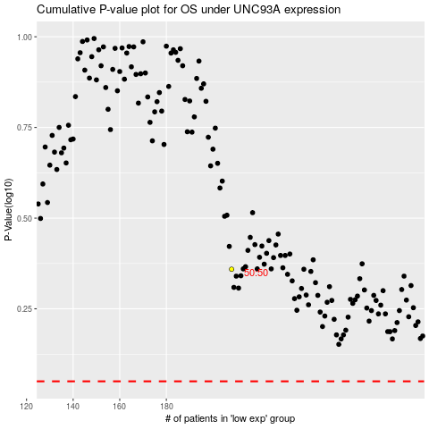

 |  |  |  |  |  | cases_OS | p_OS | rank | exp
 |  |  |  |  |  |  | cases_RFS | p_RFS | rank | exp

