UNG _multivariate
Reported by Tex Li-Hsing Chi. tex@gate.sinica.edu.tw 2019-08-15

Table 2. The clinicopathological features of HNSCC cohort and UNG expression. (Chi square test)
Cutoff at -0.167 (49.8%)
 |  | UNG expression |  | UNG expression |  | (Optimised)
 | Features | Low | (%) | High | (%) | Case no | P-value | Remark | Matthews
Gender | Female | 134 | 32.3 | 172 | 41.4 | 415 | 1e-04 | 1 | 0
2 | Male | 73 | 17.6 | 36 | 8.7
Age at diagnosis | <=65y | 124 | 29.9 | 150 | 36.1 | 415 | 0.0116 | 1 | 0
4 | >65y | 83 | 20 | 58 | 14
Clinical T Status | T1+T2 | 74 | 17.8 | 75 | 18.1 | 415 | 1 | 0 | 0
6 | T3+T4 | 133 | 32 | 133 | 32
Clinical N Status | N0 | 117 | 28.2 | 99 | 23.9 | 415 | 0.0852 | 1 | 0
8 | N1-3 | 90 | 21.7 | 109 | 26.3
Clinical M Status | M0 | 205 | 49.4 | 207 | 49.9 | 415 | 0.6232 | 0 | 0
10 | M1 | 2 | 0.5 | 1 | 0.2
Clinical Stage | Stage I+II | 57 | 13.7 | 45 | 10.8 | 415 | 0.1998 | 0 | 0
12 | Stage III+IV | 150 | 36.1 | 163 | 39.3
Surgical Margin status | Negative | 163 | 39.3 | 155 | 37.3 | 415 | 0.3537 | 0 | 0
14 | Positive | 44 | 10.6 | 53 | 12.8
Tobacco Exposure | Low | 99 | 23.9 | 62 | 14.9 | 415 | 2e-04 | 1 | 0
16 | High | 108 | 26 | 146 | 35.2

Table 3. Univariate/Multivariate Cox's proportional hazards regression analyses on OS time of UNG gene expression in HNSCC

 |  | Univariate |  |  |  | Multivariate
 | Features | HR | CI95%(L) | CI95%(H) | P-value | HR | CI95%(L) | CI95%(H) | P-value
1 | Female | 1 |  |  |  | 1
Gender | Male | 1.157 | 0.843 | 1.587 | 0.367 | 1.184 | 0.844 | 1.662 | 0.329
11 | <=65y | 1 |  |  |  | 1
Age at diagnosis | >65y | 1.329 | 0.99 | 1.784 | 0.058 | 1.387 | 1.02 | 1.887 | 0.037
12 | T1+T2 | 1 |  |  |  | 1
Clinical T Status | T3+T4 | 1.409 | 1.028 | 1.931 | 0.033 | 2.178 | 1.15 | 4.123 | 0.017
13 | N0 | 1 |  |  |  | 1
Clinical N Status | N1-3 | 1.185 | 0.89 | 1.577 | 0.246 | 1.245 | 0.873 | 1.777 | 0.226
14 | M0 | 1 |  |  |  | 1
Clinical M Status | M1 | 4.097 | 1.009 | 16.644 | 0.049 | 9.023 | 1.952 | 41.704 | 0.005
15 | Stage I+II | 1 |  |  |  | 1
Clinical Stage | Stage III+IV | 1.245 | 0.882 | 1.759 | 0.213 | 0.516 | 0.239 | 1.113 | 0.091
16 | Negative | 1 |  |  |  | 1
Surgical Margin status | Positive | 1.591 | 1.155 | 2.191 | 0.004 | 1.672 | 1.21 | 2.309 | 0.002
17 | Low | 1 |  |  |  | 1
Tobacco Exposure | High | 1.364 | 1.008 | 1.844 | 0.044 | 1.47 | 1.064 | 2.031 | 0.02
18 | Low | 1 |  |  |  | 1
RNAseq(z-score) | High | 0.938 | 0.704 | 1.25 | 0.662 | 0.924 | 0.681 | 1.254 | 0.612

Table 4. Univariate/Multivariate Cox's proportional hazards regression analyses on RFS time of UNG gene expression in HNSCC

 |  | Univariate |  |  |  | Multivariate
 | Features | HR | CI95%(L) | CI95%(H) | P-value | HR | CI95%(L) | CI95%(H) | P-value
1 | Female | 1 |  |  |  | 1
Gender | Male | 1.157 | 0.843 | 1.587 | 0.367 | 1.184 | 0.844 | 1.662 | 0.329
11 | <=65y | 1 |  |  |  | 1
Age at diagnosis | >65y | 1.329 | 0.99 | 1.784 | 0.058 | 1.387 | 1.02 | 1.887 | 0.037
12 | T1+T2 | 1 |  |  |  | 1
Clinical T Status | T3+T4 | 1.409 | 1.028 | 1.931 | 0.033 | 2.178 | 1.15 | 4.123 | 0.017
13 | N0 | 1 |  |  |  | 1
Clinical N Status | N1-3 | 1.185 | 0.89 | 1.577 | 0.246 | 1.245 | 0.873 | 1.777 | 0.226
14 | M0 | 1 |  |  |  | 1
Clinical M Status | M1 | 4.097 | 1.009 | 16.644 | 0.049 | 9.023 | 1.952 | 41.704 | 0.005
15 | Stage I+II | 1 |  |  |  | 1
Clinical Stage | Stage III+IV | 1.245 | 0.882 | 1.759 | 0.213 | 0.516 | 0.239 | 1.113 | 0.091
16 | Negative | 1 |  |  |  | 1
Surgical Margin status | Positive | 1.591 | 1.155 | 2.191 | 0.004 | 1.672 | 1.21 | 2.309 | 0.002
17 | Low | 1 |  |  |  | 1
Tobacco Exposure | High | 1.364 | 1.008 | 1.844 | 0.044 | 1.47 | 1.064 | 2.031 | 0.02
18 | Low | 1 |  |  |  | 1
RNAseq(z-score) | High | 0.938 | 0.704 | 1.25 | 0.662 | 0.924 | 0.681 | 1.254 | 0.612

Kaplan-Meier survival estimate: Cutoff at -0.167 (49.8%)



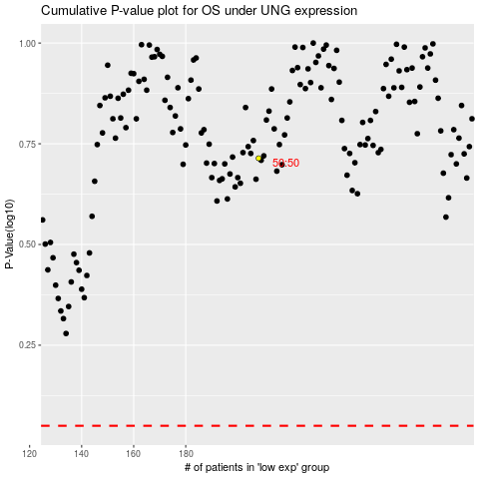

 |  |  |  |  |  | cases_OS | p_OS | rank | exp
 |  |  |  |  |  |  | cases_RFS | p_RFS | rank | exp

