UPF1 _multivariate
Reported by Tex Li-Hsing Chi. tex@gate.sinica.edu.tw 2019-08-15

Table 2. The clinicopathological features of HNSCC cohort and UPF1 expression. (Chi square test)
Cutoff at -0.105 (49.8%)
 |  | UPF1 expression |  | UPF1 expression |  | (Optimised)
 | Features | Low | (%) | High | (%) | Case no | P-value | Remark | Matthews
Gender | Female | 142 | 34.2 | 164 | 39.5 | 415 | 0.0238 | 1 | 0
2 | Male | 65 | 15.7 | 44 | 10.6
Age at diagnosis | <=65y | 127 | 30.6 | 147 | 35.4 | 415 | 0.0573 | 0 | 0
4 | >65y | 80 | 19.3 | 61 | 14.7
Clinical T Status | T1+T2 | 89 | 21.4 | 60 | 14.5 | 415 | 0.0037 | 1 | 0
6 | T3+T4 | 118 | 28.4 | 148 | 35.7
Clinical N Status | N0 | 117 | 28.2 | 99 | 23.9 | 415 | 0.0852 | 1 | 0
8 | N1-3 | 90 | 21.7 | 109 | 26.3
Clinical M Status | M0 | 206 | 49.6 | 206 | 49.6 | 415 | 1 | 0 | 0
10 | M1 | 1 | 0.2 | 2 | 0.5
Clinical Stage | Stage I+II | 65 | 15.7 | 37 | 8.9 | 415 | 0.0019 | 1 | 0
12 | Stage III+IV | 142 | 34.2 | 171 | 41.2
Surgical Margin status | Negative | 155 | 37.3 | 163 | 39.3 | 415 | 0.4187 | 0 | 0
14 | Positive | 52 | 12.5 | 45 | 10.8
Tobacco Exposure | Low | 89 | 21.4 | 72 | 17.3 | 415 | 0.0872 | 0 | 0
16 | High | 118 | 28.4 | 136 | 32.8

Table 3. Univariate/Multivariate Cox's proportional hazards regression analyses on OS time of UPF1 gene expression in HNSCC

 |  | Univariate |  |  |  | Multivariate
 | Features | HR | CI95%(L) | CI95%(H) | P-value | HR | CI95%(L) | CI95%(H) | P-value
1 | Female | 1 |  |  |  | 1
Gender | Male | 1.157 | 0.843 | 1.587 | 0.367 | 1.204 | 0.858 | 1.691 | 0.282
11 | <=65y | 1 |  |  |  | 1
Age at diagnosis | >65y | 1.329 | 0.99 | 1.784 | 0.058 | 1.392 | 1.024 | 1.893 | 0.035
12 | T1+T2 | 1 |  |  |  | 1
Clinical T Status | T3+T4 | 1.409 | 1.028 | 1.931 | 0.033 | 2.198 | 1.161 | 4.164 | 0.016
13 | N0 | 1 |  |  |  | 1
Clinical N Status | N1-3 | 1.185 | 0.89 | 1.577 | 0.246 | 1.241 | 0.87 | 1.77 | 0.234
14 | M0 | 1 |  |  |  | 1
Clinical M Status | M1 | 4.097 | 1.009 | 16.644 | 0.049 | 9.394 | 2.049 | 43.077 | 0.004
15 | Stage I+II | 1 |  |  |  | 1
Clinical Stage | Stage III+IV | 1.245 | 0.882 | 1.759 | 0.213 | 0.504 | 0.235 | 1.082 | 0.079
16 | Negative | 1 |  |  |  | 1
Surgical Margin status | Positive | 1.591 | 1.155 | 2.191 | 0.004 | 1.672 | 1.21 | 2.31 | 0.002
17 | Low | 1 |  |  |  | 1
Tobacco Exposure | High | 1.364 | 1.008 | 1.844 | 0.044 | 1.454 | 1.055 | 2.004 | 0.022
18 | Low | 1 |  |  |  | 1
RNAseq(z-score) | High | 1.016 | 0.762 | 1.355 | 0.913 | 1.012 | 0.748 | 1.37 | 0.938

Table 4. Univariate/Multivariate Cox's proportional hazards regression analyses on RFS time of UPF1 gene expression in HNSCC

 |  | Univariate |  |  |  | Multivariate
 | Features | HR | CI95%(L) | CI95%(H) | P-value | HR | CI95%(L) | CI95%(H) | P-value
1 | Female | 1 |  |  |  | 1
Gender | Male | 1.157 | 0.843 | 1.587 | 0.367 | 1.204 | 0.858 | 1.691 | 0.282
11 | <=65y | 1 |  |  |  | 1
Age at diagnosis | >65y | 1.329 | 0.99 | 1.784 | 0.058 | 1.392 | 1.024 | 1.893 | 0.035
12 | T1+T2 | 1 |  |  |  | 1
Clinical T Status | T3+T4 | 1.409 | 1.028 | 1.931 | 0.033 | 2.198 | 1.161 | 4.164 | 0.016
13 | N0 | 1 |  |  |  | 1
Clinical N Status | N1-3 | 1.185 | 0.89 | 1.577 | 0.246 | 1.241 | 0.87 | 1.77 | 0.234
14 | M0 | 1 |  |  |  | 1
Clinical M Status | M1 | 4.097 | 1.009 | 16.644 | 0.049 | 9.394 | 2.049 | 43.077 | 0.004
15 | Stage I+II | 1 |  |  |  | 1
Clinical Stage | Stage III+IV | 1.245 | 0.882 | 1.759 | 0.213 | 0.504 | 0.235 | 1.082 | 0.079
16 | Negative | 1 |  |  |  | 1
Surgical Margin status | Positive | 1.591 | 1.155 | 2.191 | 0.004 | 1.672 | 1.21 | 2.31 | 0.002
17 | Low | 1 |  |  |  | 1
Tobacco Exposure | High | 1.364 | 1.008 | 1.844 | 0.044 | 1.454 | 1.055 | 2.004 | 0.022
18 | Low | 1 |  |  |  | 1
RNAseq(z-score) | High | 1.016 | 0.762 | 1.355 | 0.913 | 1.012 | 0.748 | 1.37 | 0.938

Kaplan-Meier survival estimate: Cutoff at -0.105 (49.8%)



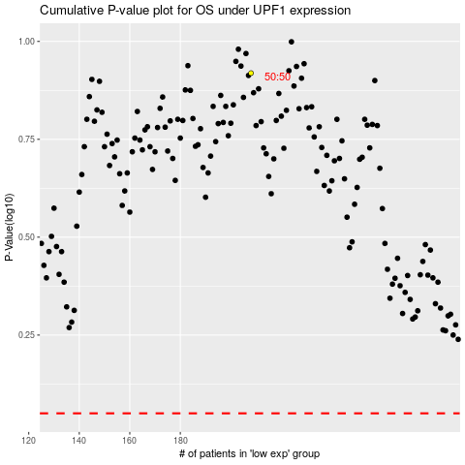

 |  |  |  |  |  | cases_OS | p_OS | rank | exp
 |  |  |  |  |  |  | cases_RFS | p_RFS | rank | exp

