UPF3A _multivariate
Reported by Tex Li-Hsing Chi. tex@gate.sinica.edu.tw 2019-08-15

Table 2. The clinicopathological features of HNSCC cohort and UPF3A expression. (Chi square test)
Cutoff at -0.199 (50.0%)
 |  | UPF3A expression |  | UPF3A expression |  | (Optimised)
 | Features | Low | (%) | High | (%) | Case no | P-value | Remark | Matthews
Gender | Female | 152 | 36.6 | 154 | 37.1 | 415 | 0.9766 | 0 | 0
2 | Male | 55 | 13.3 | 54 | 13
Age at diagnosis | <=65y | 131 | 31.6 | 143 | 34.5 | 415 | 0.2839 | 0 | 0
4 | >65y | 76 | 18.3 | 65 | 15.7
Clinical T Status | T1+T2 | 78 | 18.8 | 71 | 17.1 | 415 | 0.5152 | 0 | 0
6 | T3+T4 | 129 | 31.1 | 137 | 33
Clinical N Status | N0 | 117 | 28.2 | 99 | 23.9 | 415 | 0.0852 | 1 | 0
8 | N1-3 | 90 | 21.7 | 109 | 26.3
Clinical M Status | M0 | 207 | 49.9 | 205 | 49.4 | 415 | 0.2482 | 0 | 0
10 | M1 | 0 | 0 | 3 | 0.7
Clinical Stage | Stage I+II | 56 | 13.5 | 46 | 11.1 | 415 | 0.2918 | 0 | 0
12 | Stage III+IV | 151 | 36.4 | 162 | 39
Surgical Margin status | Negative | 166 | 40 | 152 | 36.6 | 415 | 0.1042 | 0 | 0
14 | Positive | 41 | 9.9 | 56 | 13.5
Tobacco Exposure | Low | 76 | 18.3 | 85 | 20.5 | 415 | 0.4207 | 0 | 0
16 | High | 131 | 31.6 | 123 | 29.6

Table 3. Univariate/Multivariate Cox's proportional hazards regression analyses on OS time of UPF3A gene expression in HNSCC

 |  | Univariate |  |  |  | Multivariate
 | Features | HR | CI95%(L) | CI95%(H) | P-value | HR | CI95%(L) | CI95%(H) | P-value
1 | Female | 1 |  |  |  | 1
Gender | Male | 1.157 | 0.843 | 1.587 | 0.367 | 1.195 | 0.855 | 1.67 | 0.296
11 | <=65y | 1 |  |  |  | 1
Age at diagnosis | >65y | 1.329 | 0.99 | 1.784 | 0.058 | 1.382 | 1.016 | 1.879 | 0.039
12 | T1+T2 | 1 |  |  |  | 1
Clinical T Status | T3+T4 | 1.409 | 1.028 | 1.931 | 0.033 | 2.232 | 1.18 | 4.221 | 0.014
13 | N0 | 1 |  |  |  | 1
Clinical N Status | N1-3 | 1.185 | 0.89 | 1.577 | 0.246 | 1.259 | 0.881 | 1.798 | 0.206
14 | M0 | 1 |  |  |  | 1
Clinical M Status | M1 | 4.097 | 1.009 | 16.644 | 0.049 | 10.17 | 2.199 | 47.025 | 0.003
15 | Stage I+II | 1 |  |  |  | 1
Clinical Stage | Stage III+IV | 1.245 | 0.882 | 1.759 | 0.213 | 0.5 | 0.233 | 1.073 | 0.075
16 | Negative | 1 |  |  |  | 1
Surgical Margin status | Positive | 1.591 | 1.155 | 2.191 | 0.004 | 1.711 | 1.234 | 2.373 | 0.001
17 | Low | 1 |  |  |  | 1
Tobacco Exposure | High | 1.364 | 1.008 | 1.844 | 0.044 | 1.44 | 1.045 | 1.985 | 0.026
18 | Low | 1 |  |  |  | 1
RNAseq(z-score) | High | 0.934 | 0.7 | 1.246 | 0.643 | 0.866 | 0.644 | 1.163 | 0.338

Table 4. Univariate/Multivariate Cox's proportional hazards regression analyses on RFS time of UPF3A gene expression in HNSCC

 |  | Univariate |  |  |  | Multivariate
 | Features | HR | CI95%(L) | CI95%(H) | P-value | HR | CI95%(L) | CI95%(H) | P-value
1 | Female | 1 |  |  |  | 1
Gender | Male | 1.157 | 0.843 | 1.587 | 0.367 | 1.195 | 0.855 | 1.67 | 0.296
11 | <=65y | 1 |  |  |  | 1
Age at diagnosis | >65y | 1.329 | 0.99 | 1.784 | 0.058 | 1.382 | 1.016 | 1.879 | 0.039
12 | T1+T2 | 1 |  |  |  | 1
Clinical T Status | T3+T4 | 1.409 | 1.028 | 1.931 | 0.033 | 2.232 | 1.18 | 4.221 | 0.014
13 | N0 | 1 |  |  |  | 1
Clinical N Status | N1-3 | 1.185 | 0.89 | 1.577 | 0.246 | 1.259 | 0.881 | 1.798 | 0.206
14 | M0 | 1 |  |  |  | 1
Clinical M Status | M1 | 4.097 | 1.009 | 16.644 | 0.049 | 10.17 | 2.199 | 47.025 | 0.003
15 | Stage I+II | 1 |  |  |  | 1
Clinical Stage | Stage III+IV | 1.245 | 0.882 | 1.759 | 0.213 | 0.5 | 0.233 | 1.073 | 0.075
16 | Negative | 1 |  |  |  | 1
Surgical Margin status | Positive | 1.591 | 1.155 | 2.191 | 0.004 | 1.711 | 1.234 | 2.373 | 0.001
17 | Low | 1 |  |  |  | 1
Tobacco Exposure | High | 1.364 | 1.008 | 1.844 | 0.044 | 1.44 | 1.045 | 1.985 | 0.026
18 | Low | 1 |  |  |  | 1
RNAseq(z-score) | High | 0.934 | 0.7 | 1.246 | 0.643 | 0.866 | 0.644 | 1.163 | 0.338

Kaplan-Meier survival estimate: Cutoff at -0.199 (50.0%)



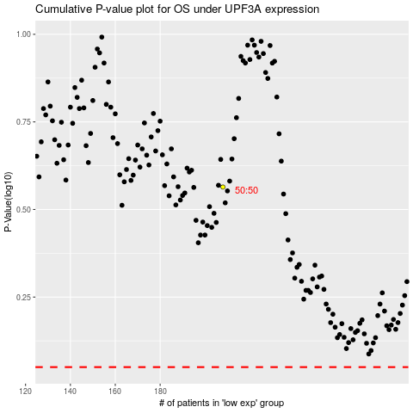

 |  |  |  |  |  | cases_OS | p_OS | rank | exp
 |  |  |  |  |  |  | cases_RFS | p_RFS | rank | exp

