UPF3B _multivariate
Reported by Tex Li-Hsing Chi. tex@gate.sinica.edu.tw 2019-08-15

Table 2. The clinicopathological features of HNSCC cohort and UPF3B expression. (Chi square test)
Cutoff at -0.182 (49.8%)
 |  | UPF3B expression |  | UPF3B expression |  | (Optimised)
 | Features | Low | (%) | High | (%) | Case no | P-value | Remark | Matthews
Gender | Female | 140 | 33.7 | 166 | 40 | 415 | 0.0068 | 1 | 0
2 | Male | 67 | 16.1 | 42 | 10.1
Age at diagnosis | <=65y | 125 | 30.1 | 149 | 35.9 | 415 | 0.0206 | 1 | 0
4 | >65y | 82 | 19.8 | 59 | 14.2
Clinical T Status | T1+T2 | 72 | 17.3 | 77 | 18.6 | 415 | 0.7095 | 0 | 0
6 | T3+T4 | 135 | 32.5 | 131 | 31.6
Clinical N Status | N0 | 115 | 27.7 | 101 | 24.3 | 415 | 0.184 | 1 | 0
8 | N1-3 | 92 | 22.2 | 107 | 25.8
Clinical M Status | M0 | 207 | 49.9 | 205 | 49.4 | 415 | 0.2482 | 0 | 0
10 | M1 | 0 | 0 | 3 | 0.7
Clinical Stage | Stage I+II | 58 | 14 | 44 | 10.6 | 415 | 0.131 | 0 | 0
12 | Stage III+IV | 149 | 35.9 | 164 | 39.5
Surgical Margin status | Negative | 164 | 39.5 | 154 | 37.1 | 415 | 0.2462 | 0 | 0
14 | Positive | 43 | 10.4 | 54 | 13
Tobacco Exposure | Low | 93 | 22.4 | 68 | 16.4 | 415 | 0.0118 | 1 | 0
16 | High | 114 | 27.5 | 140 | 33.7

Table 3. Univariate/Multivariate Cox's proportional hazards regression analyses on OS time of UPF3B gene expression in HNSCC

 |  | Univariate |  |  |  | Multivariate
 | Features | HR | CI95%(L) | CI95%(H) | P-value | HR | CI95%(L) | CI95%(H) | P-value
1 | Female | 1 |  |  |  | 1
Gender | Male | 1.157 | 0.843 | 1.587 | 0.367 | 1.22 | 0.871 | 1.71 | 0.248
11 | <=65y | 1 |  |  |  | 1
Age at diagnosis | >65y | 1.329 | 0.99 | 1.784 | 0.058 | 1.399 | 1.029 | 1.903 | 0.032
12 | T1+T2 | 1 |  |  |  | 1
Clinical T Status | T3+T4 | 1.409 | 1.028 | 1.931 | 0.033 | 2.259 | 1.189 | 4.291 | 0.013
13 | N0 | 1 |  |  |  | 1
Clinical N Status | N1-3 | 1.185 | 0.89 | 1.577 | 0.246 | 1.25 | 0.875 | 1.785 | 0.22
14 | M0 | 1 |  |  |  | 1
Clinical M Status | M1 | 4.097 | 1.009 | 16.644 | 0.049 | 9.242 | 2.014 | 42.413 | 0.004
15 | Stage I+II | 1 |  |  |  | 1
Clinical Stage | Stage III+IV | 1.245 | 0.882 | 1.759 | 0.213 | 0.485 | 0.223 | 1.051 | 0.067
16 | Negative | 1 |  |  |  | 1
Surgical Margin status | Positive | 1.591 | 1.155 | 2.191 | 0.004 | 1.666 | 1.205 | 2.303 | 0.002
17 | Low | 1 |  |  |  | 1
Tobacco Exposure | High | 1.364 | 1.008 | 1.844 | 0.044 | 1.451 | 1.054 | 1.999 | 0.023
18 | Low | 1 |  |  |  | 1
RNAseq(z-score) | High | 1.057 | 0.794 | 1.408 | 0.704 | 1.099 | 0.815 | 1.48 | 0.537

Table 4. Univariate/Multivariate Cox's proportional hazards regression analyses on RFS time of UPF3B gene expression in HNSCC

 |  | Univariate |  |  |  | Multivariate
 | Features | HR | CI95%(L) | CI95%(H) | P-value | HR | CI95%(L) | CI95%(H) | P-value
1 | Female | 1 |  |  |  | 1
Gender | Male | 1.157 | 0.843 | 1.587 | 0.367 | 1.22 | 0.871 | 1.71 | 0.248
11 | <=65y | 1 |  |  |  | 1
Age at diagnosis | >65y | 1.329 | 0.99 | 1.784 | 0.058 | 1.399 | 1.029 | 1.903 | 0.032
12 | T1+T2 | 1 |  |  |  | 1
Clinical T Status | T3+T4 | 1.409 | 1.028 | 1.931 | 0.033 | 2.259 | 1.189 | 4.291 | 0.013
13 | N0 | 1 |  |  |  | 1
Clinical N Status | N1-3 | 1.185 | 0.89 | 1.577 | 0.246 | 1.25 | 0.875 | 1.785 | 0.22
14 | M0 | 1 |  |  |  | 1
Clinical M Status | M1 | 4.097 | 1.009 | 16.644 | 0.049 | 9.242 | 2.014 | 42.413 | 0.004
15 | Stage I+II | 1 |  |  |  | 1
Clinical Stage | Stage III+IV | 1.245 | 0.882 | 1.759 | 0.213 | 0.485 | 0.223 | 1.051 | 0.067
16 | Negative | 1 |  |  |  | 1
Surgical Margin status | Positive | 1.591 | 1.155 | 2.191 | 0.004 | 1.666 | 1.205 | 2.303 | 0.002
17 | Low | 1 |  |  |  | 1
Tobacco Exposure | High | 1.364 | 1.008 | 1.844 | 0.044 | 1.451 | 1.054 | 1.999 | 0.023
18 | Low | 1 |  |  |  | 1
RNAseq(z-score) | High | 1.057 | 0.794 | 1.408 | 0.704 | 1.099 | 0.815 | 1.48 | 0.537

Kaplan-Meier survival estimate: Cutoff at -0.182 (49.8%)



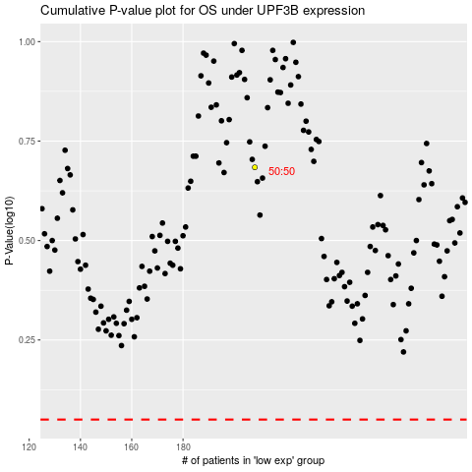

 |  |  |  |  |  | cases_OS | p_OS | rank | exp
 |  |  |  |  |  |  | cases_RFS | p_RFS | rank | exp

