UPK1A _multivariate
Reported by Tex Li-Hsing Chi. tex@gate.sinica.edu.tw 2019-08-15

Table 2. The clinicopathological features of HNSCC cohort and UPK1A expression. (Chi square test)
Cutoff at -0.21 (50.0%)
 |  | UPK1A expression |  | UPK1A expression |  | (Optimised)
 | Features | Low | (%) | High | (%) | Case no | P-value | Remark | Matthews
Gender | Female | 157 | 37.8 | 149 | 35.9 | 415 | 0.3881 | 0 | 0
2 | Male | 50 | 12 | 59 | 14.2
Age at diagnosis | <=65y | 139 | 33.5 | 135 | 32.5 | 415 | 0.7044 | 0 | 0
4 | >65y | 68 | 16.4 | 73 | 17.6
Clinical T Status | T1+T2 | 88 | 21.2 | 61 | 14.7 | 415 | 0.007 | 1 | 0
6 | T3+T4 | 119 | 28.7 | 147 | 35.4
Clinical N Status | N0 | 104 | 25.1 | 112 | 27 | 415 | 0.5243 | 0 | 0
8 | N1-3 | 103 | 24.8 | 96 | 23.1
Clinical M Status | M0 | 204 | 49.2 | 208 | 50.1 | 415 | 0.1232 | 0 | 0
10 | M1 | 3 | 0.7 | 0 | 0
Clinical Stage | Stage I+II | 55 | 13.3 | 47 | 11.3 | 415 | 0.4087 | 0 | 0
12 | Stage III+IV | 152 | 36.6 | 161 | 38.8
Surgical Margin status | Negative | 153 | 36.9 | 165 | 39.8 | 415 | 0.2036 | 0 | 0
14 | Positive | 54 | 13 | 43 | 10.4
Tobacco Exposure | Low | 78 | 18.8 | 83 | 20 | 415 | 0.6873 | 0 | 0
16 | High | 129 | 31.1 | 125 | 30.1

Table 3. Univariate/Multivariate Cox's proportional hazards regression analyses on OS time of UPK1A gene expression in HNSCC

 |  | Univariate |  |  |  | Multivariate
 | Features | HR | CI95%(L) | CI95%(H) | P-value | HR | CI95%(L) | CI95%(H) | P-value
1 | Female | 1 |  |  |  | 1
Gender | Male | 1.157 | 0.843 | 1.587 | 0.367 | 1.203 | 0.861 | 1.681 | 0.279
11 | <=65y | 1 |  |  |  | 1
Age at diagnosis | >65y | 1.329 | 0.99 | 1.784 | 0.058 | 1.392 | 1.024 | 1.892 | 0.035
12 | T1+T2 | 1 |  |  |  | 1
Clinical T Status | T3+T4 | 1.409 | 1.028 | 1.931 | 0.033 | 2.213 | 1.167 | 4.199 | 0.015
13 | N0 | 1 |  |  |  | 1
Clinical N Status | N1-3 | 1.185 | 0.89 | 1.577 | 0.246 | 1.238 | 0.867 | 1.769 | 0.24
14 | M0 | 1 |  |  |  | 1
Clinical M Status | M1 | 4.097 | 1.009 | 16.644 | 0.049 | 9.349 | 2.035 | 42.95 | 0.004
15 | Stage I+II | 1 |  |  |  | 1
Clinical Stage | Stage III+IV | 1.245 | 0.882 | 1.759 | 0.213 | 0.504 | 0.235 | 1.082 | 0.079
16 | Negative | 1 |  |  |  | 1
Surgical Margin status | Positive | 1.591 | 1.155 | 2.191 | 0.004 | 1.67 | 1.208 | 2.308 | 0.002
17 | Low | 1 |  |  |  | 1
Tobacco Exposure | High | 1.364 | 1.008 | 1.844 | 0.044 | 1.453 | 1.054 | 2.002 | 0.022
18 | Low | 1 |  |  |  | 1
RNAseq(z-score) | High | 0.995 | 0.747 | 1.324 | 0.97 | 0.979 | 0.73 | 1.312 | 0.885

Table 4. Univariate/Multivariate Cox's proportional hazards regression analyses on RFS time of UPK1A gene expression in HNSCC

 |  | Univariate |  |  |  | Multivariate
 | Features | HR | CI95%(L) | CI95%(H) | P-value | HR | CI95%(L) | CI95%(H) | P-value
1 | Female | 1 |  |  |  | 1
Gender | Male | 1.157 | 0.843 | 1.587 | 0.367 | 1.203 | 0.861 | 1.681 | 0.279
11 | <=65y | 1 |  |  |  | 1
Age at diagnosis | >65y | 1.329 | 0.99 | 1.784 | 0.058 | 1.392 | 1.024 | 1.892 | 0.035
12 | T1+T2 | 1 |  |  |  | 1
Clinical T Status | T3+T4 | 1.409 | 1.028 | 1.931 | 0.033 | 2.213 | 1.167 | 4.199 | 0.015
13 | N0 | 1 |  |  |  | 1
Clinical N Status | N1-3 | 1.185 | 0.89 | 1.577 | 0.246 | 1.238 | 0.867 | 1.769 | 0.24
14 | M0 | 1 |  |  |  | 1
Clinical M Status | M1 | 4.097 | 1.009 | 16.644 | 0.049 | 9.349 | 2.035 | 42.95 | 0.004
15 | Stage I+II | 1 |  |  |  | 1
Clinical Stage | Stage III+IV | 1.245 | 0.882 | 1.759 | 0.213 | 0.504 | 0.235 | 1.082 | 0.079
16 | Negative | 1 |  |  |  | 1
Surgical Margin status | Positive | 1.591 | 1.155 | 2.191 | 0.004 | 1.67 | 1.208 | 2.308 | 0.002
17 | Low | 1 |  |  |  | 1
Tobacco Exposure | High | 1.364 | 1.008 | 1.844 | 0.044 | 1.453 | 1.054 | 2.002 | 0.022
18 | Low | 1 |  |  |  | 1
RNAseq(z-score) | High | 0.995 | 0.747 | 1.324 | 0.97 | 0.979 | 0.73 | 1.312 | 0.885

Kaplan-Meier survival estimate: Cutoff at -0.21 (50.0%)

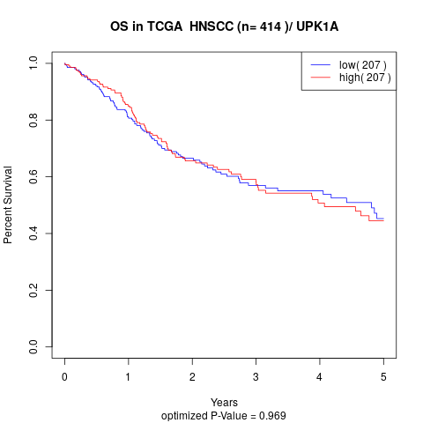

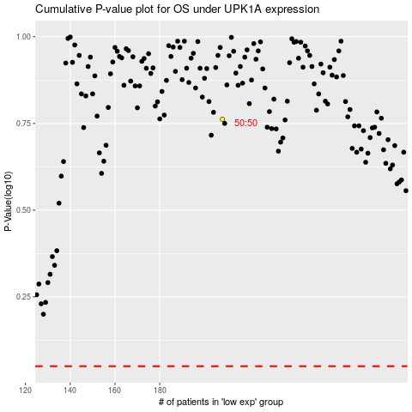

 |  |  |  |  |  | cases_OS | p_OS | rank | exp
 |  |  |  |  |  |  | cases_RFS | p_RFS | rank | exp

