UPK3BL _multivariate
Reported by Tex Li-Hsing Chi. tex@gate.sinica.edu.tw 2019-08-15

Table 2. The clinicopathological features of HNSCC cohort and UPK3BL expression. (Chi square test)
Cutoff at -0.362 (50.0%)
 |  | UPK3BL expression |  | UPK3BL expression |  | (Optimised)
 | Features | Low | (%) | High | (%) | Case no | P-value | Remark | Matthews
Gender | Female | 149 | 35.9 | 157 | 37.8 | 415 | 0.4848 | 0 | 0
2 | Male | 58 | 14 | 51 | 12.3
Age at diagnosis | <=65y | 131 | 31.6 | 143 | 34.5 | 415 | 0.2839 | 0 | 0
4 | >65y | 76 | 18.3 | 65 | 15.7
Clinical T Status | T1+T2 | 81 | 19.5 | 68 | 16.4 | 415 | 0.206 | 0 | 0
6 | T3+T4 | 126 | 30.4 | 140 | 33.7
Clinical N Status | N0 | 112 | 27 | 104 | 25.1 | 415 | 0.4599 | 0 | 0
8 | N1-3 | 95 | 22.9 | 104 | 25.1
Clinical M Status | M0 | 207 | 49.9 | 205 | 49.4 | 415 | 0.2482 | 0 | 0
10 | M1 | 0 | 0 | 3 | 0.7
Clinical Stage | Stage I+II | 64 | 15.4 | 38 | 9.2 | 415 | 0.004 | 1 | 0
12 | Stage III+IV | 143 | 34.5 | 170 | 41
Surgical Margin status | Negative | 156 | 37.6 | 162 | 39 | 415 | 0.5636 | 0 | 0
14 | Positive | 51 | 12.3 | 46 | 11.1
Tobacco Exposure | Low | 84 | 20.2 | 77 | 18.6 | 415 | 0.4816 | 0 | 0
16 | High | 123 | 29.6 | 131 | 31.6

Table 3. Univariate/Multivariate Cox's proportional hazards regression analyses on OS time of UPK3BL gene expression in HNSCC

 |  | Univariate |  |  |  | Multivariate
 | Features | HR | CI95%(L) | CI95%(H) | P-value | HR | CI95%(L) | CI95%(H) | P-value
1 | Female | 1 |  |  |  | 1
Gender | Male | 1.157 | 0.843 | 1.587 | 0.367 | 1.201 | 0.86 | 1.679 | 0.282
11 | <=65y | 1 |  |  |  | 1
Age at diagnosis | >65y | 1.329 | 0.99 | 1.784 | 0.058 | 1.396 | 1.027 | 1.898 | 0.033
12 | T1+T2 | 1 |  |  |  | 1
Clinical T Status | T3+T4 | 1.409 | 1.028 | 1.931 | 0.033 | 2.223 | 1.174 | 4.208 | 0.014
13 | N0 | 1 |  |  |  | 1
Clinical N Status | N1-3 | 1.185 | 0.89 | 1.577 | 0.246 | 1.247 | 0.873 | 1.779 | 0.225
14 | M0 | 1 |  |  |  | 1
Clinical M Status | M1 | 4.097 | 1.009 | 16.644 | 0.049 | 9.149 | 1.989 | 42.087 | 0.004
15 | Stage I+II | 1 |  |  |  | 1
Clinical Stage | Stage III+IV | 1.245 | 0.882 | 1.759 | 0.213 | 0.491 | 0.227 | 1.062 | 0.071
16 | Negative | 1 |  |  |  | 1
Surgical Margin status | Positive | 1.591 | 1.155 | 2.191 | 0.004 | 1.676 | 1.212 | 2.316 | 0.002
17 | Low | 1 |  |  |  | 1
Tobacco Exposure | High | 1.364 | 1.008 | 1.844 | 0.044 | 1.447 | 1.05 | 1.994 | 0.024
18 | Low | 1 |  |  |  | 1
RNAseq(z-score) | High | 1.084 | 0.813 | 1.444 | 0.583 | 1.079 | 0.805 | 1.448 | 0.61

Table 4. Univariate/Multivariate Cox's proportional hazards regression analyses on RFS time of UPK3BL gene expression in HNSCC

 |  | Univariate |  |  |  | Multivariate
 | Features | HR | CI95%(L) | CI95%(H) | P-value | HR | CI95%(L) | CI95%(H) | P-value
1 | Female | 1 |  |  |  | 1
Gender | Male | 1.157 | 0.843 | 1.587 | 0.367 | 1.201 | 0.86 | 1.679 | 0.282
11 | <=65y | 1 |  |  |  | 1
Age at diagnosis | >65y | 1.329 | 0.99 | 1.784 | 0.058 | 1.396 | 1.027 | 1.898 | 0.033
12 | T1+T2 | 1 |  |  |  | 1
Clinical T Status | T3+T4 | 1.409 | 1.028 | 1.931 | 0.033 | 2.223 | 1.174 | 4.208 | 0.014
13 | N0 | 1 |  |  |  | 1
Clinical N Status | N1-3 | 1.185 | 0.89 | 1.577 | 0.246 | 1.247 | 0.873 | 1.779 | 0.225
14 | M0 | 1 |  |  |  | 1
Clinical M Status | M1 | 4.097 | 1.009 | 16.644 | 0.049 | 9.149 | 1.989 | 42.087 | 0.004
15 | Stage I+II | 1 |  |  |  | 1
Clinical Stage | Stage III+IV | 1.245 | 0.882 | 1.759 | 0.213 | 0.491 | 0.227 | 1.062 | 0.071
16 | Negative | 1 |  |  |  | 1
Surgical Margin status | Positive | 1.591 | 1.155 | 2.191 | 0.004 | 1.676 | 1.212 | 2.316 | 0.002
17 | Low | 1 |  |  |  | 1
Tobacco Exposure | High | 1.364 | 1.008 | 1.844 | 0.044 | 1.447 | 1.05 | 1.994 | 0.024
18 | Low | 1 |  |  |  | 1
RNAseq(z-score) | High | 1.084 | 0.813 | 1.444 | 0.583 | 1.079 | 0.805 | 1.448 | 0.61

Kaplan-Meier survival estimate: Cutoff at -0.362 (50.0%)



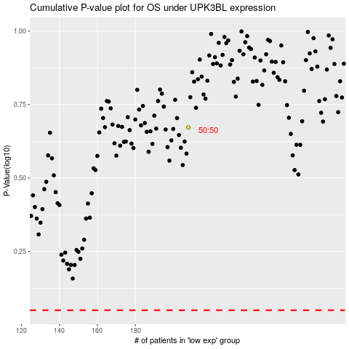

 |  |  |  |  |  | cases_OS | p_OS | rank | exp
 |  |  |  |  |  |  | cases_RFS | p_RFS | rank | exp

